SNX18 _multivariate
Reported by Tex Li-Hsing Chi. tex@gate.sinica.edu.tw 2019-08-15

Table 2. The clinicopathological features of HNSCC cohort and SNX18 expression. (Chi square test)
Cutoff at -0.197 (50.0%)
 |  | SNX18 expression |  | SNX18 expression |  | (Optimised)
 | Features | Low | (%) | High | (%) | Case no | P-value | Remark | Matthews
Gender | Female | 157 | 37.8 | 149 | 35.9 | 415 | 0.3881 | 0 | 0
2 | Male | 50 | 12 | 59 | 14.2
Age at diagnosis | <=65y | 139 | 33.5 | 135 | 32.5 | 415 | 0.7044 | 0 | 0
4 | >65y | 68 | 16.4 | 73 | 17.6
Clinical T Status | T1+T2 | 73 | 17.6 | 76 | 18.3 | 415 | 0.8666 | 0 | 0
6 | T3+T4 | 134 | 32.3 | 132 | 31.8
Clinical N Status | N0 | 104 | 25.1 | 112 | 27 | 415 | 0.5243 | 0 | 0
8 | N1-3 | 103 | 24.8 | 96 | 23.1
Clinical M Status | M0 | 204 | 49.2 | 208 | 50.1 | 415 | 0.1232 | 0 | 0
10 | M1 | 3 | 0.7 | 0 | 0
Clinical Stage | Stage I+II | 47 | 11.3 | 55 | 13.3 | 415 | 0.4413 | 0 | 0
12 | Stage III+IV | 160 | 38.6 | 153 | 36.9
Surgical Margin status | Negative | 145 | 34.9 | 173 | 41.7 | 415 | 0.0017 | 1 | 0
14 | Positive | 62 | 14.9 | 35 | 8.4
Tobacco Exposure | Low | 71 | 17.1 | 90 | 21.7 | 415 | 0.0698 | 0 | 0
16 | High | 136 | 32.8 | 118 | 28.4

Table 3. Univariate/Multivariate Cox's proportional hazards regression analyses on OS time of SNX18 gene expression in HNSCC

 |  | Univariate |  |  |  | Multivariate
 | Features | HR | CI95%(L) | CI95%(H) | P-value | HR | CI95%(L) | CI95%(H) | P-value
1 | Female | 1 |  |  |  | 1
Gender | Male | 1.157 | 0.843 | 1.587 | 0.367 | 1.197 | 0.856 | 1.673 | 0.293
11 | <=65y | 1 |  |  |  | 1
Age at diagnosis | >65y | 1.329 | 0.99 | 1.784 | 0.058 | 1.396 | 1.027 | 1.898 | 0.033
12 | T1+T2 | 1 |  |  |  | 1
Clinical T Status | T3+T4 | 1.409 | 1.028 | 1.931 | 0.033 | 2.199 | 1.163 | 4.16 | 0.015
13 | N0 | 1 |  |  |  | 1
Clinical N Status | N1-3 | 1.185 | 0.89 | 1.577 | 0.246 | 1.242 | 0.871 | 1.772 | 0.231
14 | M0 | 1 |  |  |  | 1
Clinical M Status | M1 | 4.097 | 1.009 | 16.644 | 0.049 | 8.895 | 1.926 | 41.082 | 0.005
15 | Stage I+II | 1 |  |  |  | 1
Clinical Stage | Stage III+IV | 1.245 | 0.882 | 1.759 | 0.213 | 0.501 | 0.233 | 1.076 | 0.076
16 | Negative | 1 |  |  |  | 1
Surgical Margin status | Positive | 1.591 | 1.155 | 2.191 | 0.004 | 1.627 | 1.167 | 2.266 | 0.004
17 | Low | 1 |  |  |  | 1
Tobacco Exposure | High | 1.364 | 1.008 | 1.844 | 0.044 | 1.434 | 1.037 | 1.981 | 0.029
18 | Low | 1 |  |  |  | 1
RNAseq(z-score) | High | 0.775 | 0.581 | 1.033 | 0.082 | 0.897 | 0.665 | 1.21 | 0.476

Table 4. Univariate/Multivariate Cox's proportional hazards regression analyses on RFS time of SNX18 gene expression in HNSCC

 |  | Univariate |  |  |  | Multivariate
 | Features | HR | CI95%(L) | CI95%(H) | P-value | HR | CI95%(L) | CI95%(H) | P-value
1 | Female | 1 |  |  |  | 1
Gender | Male | 1.157 | 0.843 | 1.587 | 0.367 | 1.197 | 0.856 | 1.673 | 0.293
11 | <=65y | 1 |  |  |  | 1
Age at diagnosis | >65y | 1.329 | 0.99 | 1.784 | 0.058 | 1.396 | 1.027 | 1.898 | 0.033
12 | T1+T2 | 1 |  |  |  | 1
Clinical T Status | T3+T4 | 1.409 | 1.028 | 1.931 | 0.033 | 2.199 | 1.163 | 4.16 | 0.015
13 | N0 | 1 |  |  |  | 1
Clinical N Status | N1-3 | 1.185 | 0.89 | 1.577 | 0.246 | 1.242 | 0.871 | 1.772 | 0.231
14 | M0 | 1 |  |  |  | 1
Clinical M Status | M1 | 4.097 | 1.009 | 16.644 | 0.049 | 8.895 | 1.926 | 41.082 | 0.005
15 | Stage I+II | 1 |  |  |  | 1
Clinical Stage | Stage III+IV | 1.245 | 0.882 | 1.759 | 0.213 | 0.501 | 0.233 | 1.076 | 0.076
16 | Negative | 1 |  |  |  | 1
Surgical Margin status | Positive | 1.591 | 1.155 | 2.191 | 0.004 | 1.627 | 1.167 | 2.266 | 0.004
17 | Low | 1 |  |  |  | 1
Tobacco Exposure | High | 1.364 | 1.008 | 1.844 | 0.044 | 1.434 | 1.037 | 1.981 | 0.029
18 | Low | 1 |  |  |  | 1
RNAseq(z-score) | High | 0.775 | 0.581 | 1.033 | 0.082 | 0.897 | 0.665 | 1.21 | 0.476

Kaplan-Meier survival estimate: Cutoff at -0.197 (50.0%)



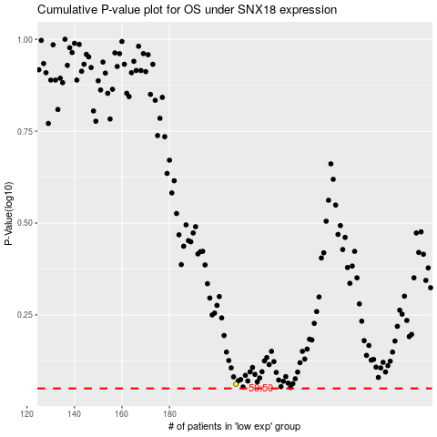

 |  |  |  |  |  | cases_OS | p_OS | rank | exp
 |  |  |  |  |  |  | cases_RFS | p_RFS | rank | exp

