SNX2 _multivariate
Reported by Tex Li-Hsing Chi. tex@gate.sinica.edu.tw 2019-08-15

Table 2. The clinicopathological features of HNSCC cohort and SNX2 expression. (Chi square test)
Cutoff at -0.169 (49.8%)
 |  | SNX2 expression |  | SNX2 expression |  | (Optimised)
 | Features | Low | (%) | High | (%) | Case no | P-value | Remark | Matthews
Gender | Female | 157 | 37.8 | 149 | 35.9 | 415 | 0.3881 | 0 | 0
2 | Male | 50 | 12 | 59 | 14.2
Age at diagnosis | <=65y | 146 | 35.2 | 128 | 30.8 | 415 | 0.0672 | 0 | 0
4 | >65y | 61 | 14.7 | 80 | 19.3
Clinical T Status | T1+T2 | 69 | 16.6 | 80 | 19.3 | 415 | 0.3239 | 0 | 0
6 | T3+T4 | 138 | 33.3 | 128 | 30.8
Clinical N Status | N0 | 108 | 26 | 108 | 26 | 415 | 1 | 0 | 0
8 | N1-3 | 99 | 23.9 | 100 | 24.1
Clinical M Status | M0 | 206 | 49.6 | 206 | 49.6 | 415 | 1 | 0 | 0
10 | M1 | 1 | 0.2 | 2 | 0.5
Clinical Stage | Stage I+II | 53 | 12.8 | 49 | 11.8 | 415 | 0.7113 | 0 | 0
12 | Stage III+IV | 154 | 37.1 | 159 | 38.3
Surgical Margin status | Negative | 163 | 39.3 | 155 | 37.3 | 415 | 0.3537 | 0 | 0
14 | Positive | 44 | 10.6 | 53 | 12.8
Tobacco Exposure | Low | 76 | 18.3 | 85 | 20.5 | 415 | 0.4207 | 0 | 0
16 | High | 131 | 31.6 | 123 | 29.6

Table 3. Univariate/Multivariate Cox's proportional hazards regression analyses on OS time of SNX2 gene expression in HNSCC

 |  | Univariate |  |  |  | Multivariate
 | Features | HR | CI95%(L) | CI95%(H) | P-value | HR | CI95%(L) | CI95%(H) | P-value
1 | Female | 1 |  |  |  | 1
Gender | Male | 1.157 | 0.843 | 1.587 | 0.367 | 1.185 | 0.848 | 1.655 | 0.32
11 | <=65y | 1 |  |  |  | 1
Age at diagnosis | >65y | 1.329 | 0.99 | 1.784 | 0.058 | 1.387 | 1.019 | 1.887 | 0.037
12 | T1+T2 | 1 |  |  |  | 1
Clinical T Status | T3+T4 | 1.409 | 1.028 | 1.931 | 0.033 | 2.331 | 1.225 | 4.433 | 0.01
13 | N0 | 1 |  |  |  | 1
Clinical N Status | N1-3 | 1.185 | 0.89 | 1.577 | 0.246 | 1.283 | 0.896 | 1.838 | 0.173
14 | M0 | 1 |  |  |  | 1
Clinical M Status | M1 | 4.097 | 1.009 | 16.644 | 0.049 | 9.532 | 2.079 | 43.699 | 0.004
15 | Stage I+II | 1 |  |  |  | 1
Clinical Stage | Stage III+IV | 1.245 | 0.882 | 1.759 | 0.213 | 0.476 | 0.221 | 1.027 | 0.059
16 | Negative | 1 |  |  |  | 1
Surgical Margin status | Positive | 1.591 | 1.155 | 2.191 | 0.004 | 1.643 | 1.188 | 2.272 | 0.003
17 | Low | 1 |  |  |  | 1
Tobacco Exposure | High | 1.364 | 1.008 | 1.844 | 0.044 | 1.461 | 1.06 | 2.013 | 0.02
18 | Low | 1 |  |  |  | 1
RNAseq(z-score) | High | 1.147 | 0.861 | 1.528 | 0.347 | 1.203 | 0.895 | 1.616 | 0.22

Table 4. Univariate/Multivariate Cox's proportional hazards regression analyses on RFS time of SNX2 gene expression in HNSCC

 |  | Univariate |  |  |  | Multivariate
 | Features | HR | CI95%(L) | CI95%(H) | P-value | HR | CI95%(L) | CI95%(H) | P-value
1 | Female | 1 |  |  |  | 1
Gender | Male | 1.157 | 0.843 | 1.587 | 0.367 | 1.185 | 0.848 | 1.655 | 0.32
11 | <=65y | 1 |  |  |  | 1
Age at diagnosis | >65y | 1.329 | 0.99 | 1.784 | 0.058 | 1.387 | 1.019 | 1.887 | 0.037
12 | T1+T2 | 1 |  |  |  | 1
Clinical T Status | T3+T4 | 1.409 | 1.028 | 1.931 | 0.033 | 2.331 | 1.225 | 4.433 | 0.01
13 | N0 | 1 |  |  |  | 1
Clinical N Status | N1-3 | 1.185 | 0.89 | 1.577 | 0.246 | 1.283 | 0.896 | 1.838 | 0.173
14 | M0 | 1 |  |  |  | 1
Clinical M Status | M1 | 4.097 | 1.009 | 16.644 | 0.049 | 9.532 | 2.079 | 43.699 | 0.004
15 | Stage I+II | 1 |  |  |  | 1
Clinical Stage | Stage III+IV | 1.245 | 0.882 | 1.759 | 0.213 | 0.476 | 0.221 | 1.027 | 0.059
16 | Negative | 1 |  |  |  | 1
Surgical Margin status | Positive | 1.591 | 1.155 | 2.191 | 0.004 | 1.643 | 1.188 | 2.272 | 0.003
17 | Low | 1 |  |  |  | 1
Tobacco Exposure | High | 1.364 | 1.008 | 1.844 | 0.044 | 1.461 | 1.06 | 2.013 | 0.02
18 | Low | 1 |  |  |  | 1
RNAseq(z-score) | High | 1.147 | 0.861 | 1.528 | 0.347 | 1.203 | 0.895 | 1.616 | 0.22

Kaplan-Meier survival estimate: Cutoff at -0.169 (49.8%)



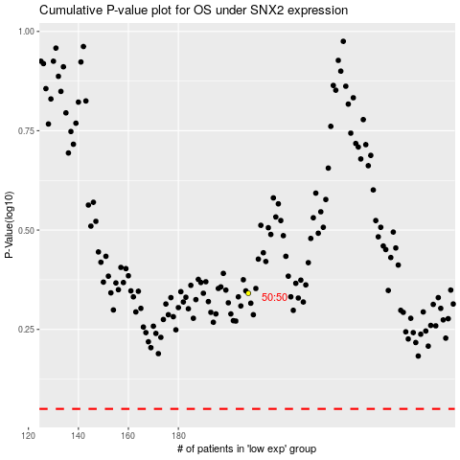

 |  |  |  |  |  | cases_OS | p_OS | rank | exp
 |  |  |  |  |  |  | cases_RFS | p_RFS | rank | exp

