SNX30 _multivariate
Reported by Tex Li-Hsing Chi. tex@gate.sinica.edu.tw 2019-08-15

Table 2. The clinicopathological features of HNSCC cohort and SNX30 expression. (Chi square test)
Cutoff at -0.098 (49.8%)
 |  | SNX30 expression |  | SNX30 expression |  | (Optimised)
 | Features | Low | (%) | High | (%) | Case no | P-value | Remark | Matthews
Gender | Female | 154 | 37.1 | 152 | 36.6 | 415 | 0.8463 | 0 | 0
2 | Male | 53 | 12.8 | 56 | 13.5
Age at diagnosis | <=65y | 141 | 34 | 133 | 32 | 415 | 0.4272 | 0 | 0
4 | >65y | 66 | 15.9 | 75 | 18.1
Clinical T Status | T1+T2 | 85 | 20.5 | 64 | 15.4 | 415 | 0.0372 | 1 | 0
6 | T3+T4 | 122 | 29.4 | 144 | 34.7
Clinical N Status | N0 | 111 | 26.7 | 105 | 25.3 | 415 | 0.5875 | 0 | 0
8 | N1-3 | 96 | 23.1 | 103 | 24.8
Clinical M Status | M0 | 205 | 49.4 | 207 | 49.9 | 415 | 0.6232 | 0 | 0
10 | M1 | 2 | 0.5 | 1 | 0.2
Clinical Stage | Stage I+II | 60 | 14.5 | 42 | 10.1 | 415 | 0.0493 | 1 | 0
12 | Stage III+IV | 147 | 35.4 | 166 | 40
Surgical Margin status | Negative | 164 | 39.5 | 154 | 37.1 | 415 | 0.2462 | 0 | 0
14 | Positive | 43 | 10.4 | 54 | 13
Tobacco Exposure | Low | 85 | 20.5 | 76 | 18.3 | 415 | 0.3655 | 0 | 0
16 | High | 122 | 29.4 | 132 | 31.8

Table 3. Univariate/Multivariate Cox's proportional hazards regression analyses on OS time of SNX30 gene expression in HNSCC

 |  | Univariate |  |  |  | Multivariate
 | Features | HR | CI95%(L) | CI95%(H) | P-value | HR | CI95%(L) | CI95%(H) | P-value
1 | Female | 1 |  |  |  | 1
Gender | Male | 1.157 | 0.843 | 1.587 | 0.367 | 1.211 | 0.867 | 1.692 | 0.261
11 | <=65y | 1 |  |  |  | 1
Age at diagnosis | >65y | 1.329 | 0.99 | 1.784 | 0.058 | 1.387 | 1.02 | 1.886 | 0.037
12 | T1+T2 | 1 |  |  |  | 1
Clinical T Status | T3+T4 | 1.409 | 1.028 | 1.931 | 0.033 | 2.175 | 1.15 | 4.115 | 0.017
13 | N0 | 1 |  |  |  | 1
Clinical N Status | N1-3 | 1.185 | 0.89 | 1.577 | 0.246 | 1.248 | 0.874 | 1.78 | 0.223
14 | M0 | 1 |  |  |  | 1
Clinical M Status | M1 | 4.097 | 1.009 | 16.644 | 0.049 | 9.723 | 2.117 | 44.652 | 0.003
15 | Stage I+II | 1 |  |  |  | 1
Clinical Stage | Stage III+IV | 1.245 | 0.882 | 1.759 | 0.213 | 0.501 | 0.234 | 1.076 | 0.076
16 | Negative | 1 |  |  |  | 1
Surgical Margin status | Positive | 1.591 | 1.155 | 2.191 | 0.004 | 1.647 | 1.19 | 2.28 | 0.003
17 | Low | 1 |  |  |  | 1
Tobacco Exposure | High | 1.364 | 1.008 | 1.844 | 0.044 | 1.469 | 1.065 | 2.026 | 0.019
18 | Low | 1 |  |  |  | 1
RNAseq(z-score) | High | 1.171 | 0.878 | 1.561 | 0.282 | 1.141 | 0.851 | 1.531 | 0.379

Table 4. Univariate/Multivariate Cox's proportional hazards regression analyses on RFS time of SNX30 gene expression in HNSCC

 |  | Univariate |  |  |  | Multivariate
 | Features | HR | CI95%(L) | CI95%(H) | P-value | HR | CI95%(L) | CI95%(H) | P-value
1 | Female | 1 |  |  |  | 1
Gender | Male | 1.157 | 0.843 | 1.587 | 0.367 | 1.211 | 0.867 | 1.692 | 0.261
11 | <=65y | 1 |  |  |  | 1
Age at diagnosis | >65y | 1.329 | 0.99 | 1.784 | 0.058 | 1.387 | 1.02 | 1.886 | 0.037
12 | T1+T2 | 1 |  |  |  | 1
Clinical T Status | T3+T4 | 1.409 | 1.028 | 1.931 | 0.033 | 2.175 | 1.15 | 4.115 | 0.017
13 | N0 | 1 |  |  |  | 1
Clinical N Status | N1-3 | 1.185 | 0.89 | 1.577 | 0.246 | 1.248 | 0.874 | 1.78 | 0.223
14 | M0 | 1 |  |  |  | 1
Clinical M Status | M1 | 4.097 | 1.009 | 16.644 | 0.049 | 9.723 | 2.117 | 44.652 | 0.003
15 | Stage I+II | 1 |  |  |  | 1
Clinical Stage | Stage III+IV | 1.245 | 0.882 | 1.759 | 0.213 | 0.501 | 0.234 | 1.076 | 0.076
16 | Negative | 1 |  |  |  | 1
Surgical Margin status | Positive | 1.591 | 1.155 | 2.191 | 0.004 | 1.647 | 1.19 | 2.28 | 0.003
17 | Low | 1 |  |  |  | 1
Tobacco Exposure | High | 1.364 | 1.008 | 1.844 | 0.044 | 1.469 | 1.065 | 2.026 | 0.019
18 | Low | 1 |  |  |  | 1
RNAseq(z-score) | High | 1.171 | 0.878 | 1.561 | 0.282 | 1.141 | 0.851 | 1.531 | 0.379

Kaplan-Meier survival estimate: Cutoff at -0.098 (49.8%)



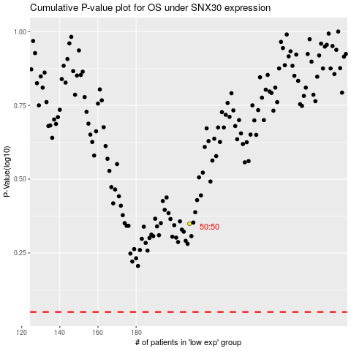

 |  |  |  |  |  | cases_OS | p_OS | rank | exp
 |  |  |  |  |  |  | cases_RFS | p_RFS | rank | exp

