SNX31 _multivariate
Reported by Tex Li-Hsing Chi. tex@gate.sinica.edu.tw 2019-08-15

Table 2. The clinicopathological features of HNSCC cohort and SNX31 expression. (Chi square test)
Cutoff at -0.326 (50.0%)
 |  | SNX31 expression |  | SNX31 expression |  | (Optimised)
 | Features | Low | (%) | High | (%) | Case no | P-value | Remark | Matthews
Gender | Female | 142 | 34.2 | 164 | 39.5 | 415 | 0.0238 | 1 | 0
2 | Male | 65 | 15.7 | 44 | 10.6
Age at diagnosis | <=65y | 137 | 33 | 137 | 33 | 415 | 1 | 0 | 0
4 | >65y | 70 | 16.9 | 71 | 17.1
Clinical T Status | T1+T2 | 72 | 17.3 | 77 | 18.6 | 415 | 0.7095 | 0 | 0
6 | T3+T4 | 135 | 32.5 | 131 | 31.6
Clinical N Status | N0 | 106 | 25.5 | 110 | 26.5 | 415 | 0.8075 | 0 | 0
8 | N1-3 | 101 | 24.3 | 98 | 23.6
Clinical M Status | M0 | 205 | 49.4 | 207 | 49.9 | 415 | 0.6232 | 0 | 0
10 | M1 | 2 | 0.5 | 1 | 0.2
Clinical Stage | Stage I+II | 53 | 12.8 | 49 | 11.8 | 415 | 0.7113 | 0 | 0
12 | Stage III+IV | 154 | 37.1 | 159 | 38.3
Surgical Margin status | Negative | 158 | 38.1 | 160 | 38.6 | 415 | 0.9081 | 0 | 0
14 | Positive | 49 | 11.8 | 48 | 11.6
Tobacco Exposure | Low | 94 | 22.7 | 67 | 16.1 | 415 | 0.0065 | 1 | 0
16 | High | 113 | 27.2 | 141 | 34

Table 3. Univariate/Multivariate Cox's proportional hazards regression analyses on OS time of SNX31 gene expression in HNSCC

 |  | Univariate |  |  |  | Multivariate
 | Features | HR | CI95%(L) | CI95%(H) | P-value | HR | CI95%(L) | CI95%(H) | P-value
1 | Female | 1 |  |  |  | 1
Gender | Male | 1.157 | 0.843 | 1.587 | 0.367 | 1.168 | 0.83 | 1.643 | 0.374
11 | <=65y | 1 |  |  |  | 1
Age at diagnosis | >65y | 1.329 | 0.99 | 1.784 | 0.058 | 1.397 | 1.027 | 1.9 | 0.033
12 | T1+T2 | 1 |  |  |  | 1
Clinical T Status | T3+T4 | 1.409 | 1.028 | 1.931 | 0.033 | 2.163 | 1.142 | 4.095 | 0.018
13 | N0 | 1 |  |  |  | 1
Clinical N Status | N1-3 | 1.185 | 0.89 | 1.577 | 0.246 | 1.238 | 0.868 | 1.767 | 0.238
14 | M0 | 1 |  |  |  | 1
Clinical M Status | M1 | 4.097 | 1.009 | 16.644 | 0.049 | 8.862 | 1.92 | 40.893 | 0.005
15 | Stage I+II | 1 |  |  |  | 1
Clinical Stage | Stage III+IV | 1.245 | 0.882 | 1.759 | 0.213 | 0.519 | 0.241 | 1.117 | 0.093
16 | Negative | 1 |  |  |  | 1
Surgical Margin status | Positive | 1.591 | 1.155 | 2.191 | 0.004 | 1.662 | 1.202 | 2.296 | 0.002
17 | Low | 1 |  |  |  | 1
Tobacco Exposure | High | 1.364 | 1.008 | 1.844 | 0.044 | 1.483 | 1.072 | 2.053 | 0.017
18 | Low | 1 |  |  |  | 1
RNAseq(z-score) | High | 0.883 | 0.662 | 1.177 | 0.395 | 0.883 | 0.652 | 1.197 | 0.424

Table 4. Univariate/Multivariate Cox's proportional hazards regression analyses on RFS time of SNX31 gene expression in HNSCC

 |  | Univariate |  |  |  | Multivariate
 | Features | HR | CI95%(L) | CI95%(H) | P-value | HR | CI95%(L) | CI95%(H) | P-value
1 | Female | 1 |  |  |  | 1
Gender | Male | 1.157 | 0.843 | 1.587 | 0.367 | 1.168 | 0.83 | 1.643 | 0.374
11 | <=65y | 1 |  |  |  | 1
Age at diagnosis | >65y | 1.329 | 0.99 | 1.784 | 0.058 | 1.397 | 1.027 | 1.9 | 0.033
12 | T1+T2 | 1 |  |  |  | 1
Clinical T Status | T3+T4 | 1.409 | 1.028 | 1.931 | 0.033 | 2.163 | 1.142 | 4.095 | 0.018
13 | N0 | 1 |  |  |  | 1
Clinical N Status | N1-3 | 1.185 | 0.89 | 1.577 | 0.246 | 1.238 | 0.868 | 1.767 | 0.238
14 | M0 | 1 |  |  |  | 1
Clinical M Status | M1 | 4.097 | 1.009 | 16.644 | 0.049 | 8.862 | 1.92 | 40.893 | 0.005
15 | Stage I+II | 1 |  |  |  | 1
Clinical Stage | Stage III+IV | 1.245 | 0.882 | 1.759 | 0.213 | 0.519 | 0.241 | 1.117 | 0.093
16 | Negative | 1 |  |  |  | 1
Surgical Margin status | Positive | 1.591 | 1.155 | 2.191 | 0.004 | 1.662 | 1.202 | 2.296 | 0.002
17 | Low | 1 |  |  |  | 1
Tobacco Exposure | High | 1.364 | 1.008 | 1.844 | 0.044 | 1.483 | 1.072 | 2.053 | 0.017
18 | Low | 1 |  |  |  | 1
RNAseq(z-score) | High | 0.883 | 0.662 | 1.177 | 0.395 | 0.883 | 0.652 | 1.197 | 0.424

Kaplan-Meier survival estimate: Cutoff at -0.326 (50.0%)



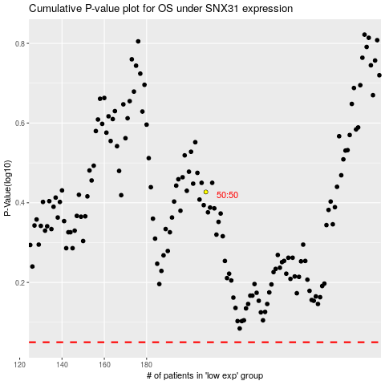

 |  |  |  |  |  | cases_OS | p_OS | rank | exp
 |  |  |  |  |  |  | cases_RFS | p_RFS | rank | exp

