SNX33 _multivariate
Reported by Tex Li-Hsing Chi. tex@gate.sinica.edu.tw 2019-08-15

Table 2. The clinicopathological features of HNSCC cohort and SNX33 expression. (Chi square test)
Cutoff at -0.204 (50.0%)
 |  | SNX33 expression |  | SNX33 expression |  | (Optimised)
 | Features | Low | (%) | High | (%) | Case no | P-value | Remark | Matthews
Gender | Female | 163 | 39.3 | 143 | 34.5 | 415 | 0.0277 | 1 | 0
2 | Male | 44 | 10.6 | 65 | 15.7
Age at diagnosis | <=65y | 143 | 34.5 | 131 | 31.6 | 415 | 0.2269 | 0 | 0
4 | >65y | 64 | 15.4 | 77 | 18.6
Clinical T Status | T1+T2 | 86 | 20.7 | 63 | 15.2 | 415 | 0.0221 | 1 | 0
6 | T3+T4 | 121 | 29.2 | 145 | 34.9
Clinical N Status | N0 | 99 | 23.9 | 117 | 28.2 | 415 | 0.1054 | 0 | 0
8 | N1-3 | 108 | 26 | 91 | 21.9
Clinical M Status | M0 | 206 | 49.6 | 206 | 49.6 | 415 | 1 | 0 | 0
10 | M1 | 1 | 0.2 | 2 | 0.5
Clinical Stage | Stage I+II | 51 | 12.3 | 51 | 12.3 | 415 | 1 | 0 | 0
12 | Stage III+IV | 156 | 37.6 | 157 | 37.8
Surgical Margin status | Negative | 154 | 37.1 | 164 | 39.5 | 415 | 0.2984 | 0 | 0
14 | Positive | 53 | 12.8 | 44 | 10.6
Tobacco Exposure | Low | 67 | 16.1 | 94 | 22.7 | 415 | 0.0088 | 1 | 0
16 | High | 140 | 33.7 | 114 | 27.5

Table 3. Univariate/Multivariate Cox's proportional hazards regression analyses on OS time of SNX33 gene expression in HNSCC

 |  | Univariate |  |  |  | Multivariate
 | Features | HR | CI95%(L) | CI95%(H) | P-value | HR | CI95%(L) | CI95%(H) | P-value
1 | Female | 1 |  |  |  | 1
Gender | Male | 1.157 | 0.843 | 1.587 | 0.367 | 1.203 | 0.861 | 1.681 | 0.28
11 | <=65y | 1 |  |  |  | 1
Age at diagnosis | >65y | 1.329 | 0.99 | 1.784 | 0.058 | 1.393 | 1.024 | 1.893 | 0.035
12 | T1+T2 | 1 |  |  |  | 1
Clinical T Status | T3+T4 | 1.409 | 1.028 | 1.931 | 0.033 | 2.211 | 1.163 | 4.203 | 0.015
13 | N0 | 1 |  |  |  | 1
Clinical N Status | N1-3 | 1.185 | 0.89 | 1.577 | 0.246 | 1.24 | 0.868 | 1.77 | 0.237
14 | M0 | 1 |  |  |  | 1
Clinical M Status | M1 | 4.097 | 1.009 | 16.644 | 0.049 | 9.484 | 2.05 | 43.886 | 0.004
15 | Stage I+II | 1 |  |  |  | 1
Clinical Stage | Stage III+IV | 1.245 | 0.882 | 1.759 | 0.213 | 0.503 | 0.234 | 1.082 | 0.079
16 | Negative | 1 |  |  |  | 1
Surgical Margin status | Positive | 1.591 | 1.155 | 2.191 | 0.004 | 1.67 | 1.208 | 2.309 | 0.002
17 | Low | 1 |  |  |  | 1
Tobacco Exposure | High | 1.364 | 1.008 | 1.844 | 0.044 | 1.45 | 1.05 | 2.003 | 0.024
18 | Low | 1 |  |  |  | 1
RNAseq(z-score) | High | 1.003 | 0.753 | 1.335 | 0.984 | 0.986 | 0.734 | 1.324 | 0.925

Table 4. Univariate/Multivariate Cox's proportional hazards regression analyses on RFS time of SNX33 gene expression in HNSCC

 |  | Univariate |  |  |  | Multivariate
 | Features | HR | CI95%(L) | CI95%(H) | P-value | HR | CI95%(L) | CI95%(H) | P-value
1 | Female | 1 |  |  |  | 1
Gender | Male | 1.157 | 0.843 | 1.587 | 0.367 | 1.203 | 0.861 | 1.681 | 0.28
11 | <=65y | 1 |  |  |  | 1
Age at diagnosis | >65y | 1.329 | 0.99 | 1.784 | 0.058 | 1.393 | 1.024 | 1.893 | 0.035
12 | T1+T2 | 1 |  |  |  | 1
Clinical T Status | T3+T4 | 1.409 | 1.028 | 1.931 | 0.033 | 2.211 | 1.163 | 4.203 | 0.015
13 | N0 | 1 |  |  |  | 1
Clinical N Status | N1-3 | 1.185 | 0.89 | 1.577 | 0.246 | 1.24 | 0.868 | 1.77 | 0.237
14 | M0 | 1 |  |  |  | 1
Clinical M Status | M1 | 4.097 | 1.009 | 16.644 | 0.049 | 9.484 | 2.05 | 43.886 | 0.004
15 | Stage I+II | 1 |  |  |  | 1
Clinical Stage | Stage III+IV | 1.245 | 0.882 | 1.759 | 0.213 | 0.503 | 0.234 | 1.082 | 0.079
16 | Negative | 1 |  |  |  | 1
Surgical Margin status | Positive | 1.591 | 1.155 | 2.191 | 0.004 | 1.67 | 1.208 | 2.309 | 0.002
17 | Low | 1 |  |  |  | 1
Tobacco Exposure | High | 1.364 | 1.008 | 1.844 | 0.044 | 1.45 | 1.05 | 2.003 | 0.024
18 | Low | 1 |  |  |  | 1
RNAseq(z-score) | High | 1.003 | 0.753 | 1.335 | 0.984 | 0.986 | 0.734 | 1.324 | 0.925

Kaplan-Meier survival estimate: Cutoff at -0.204 (50.0%)



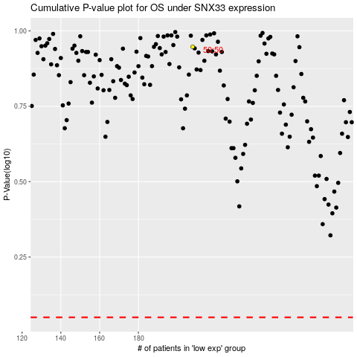

 |  |  |  |  |  | cases_OS | p_OS | rank | exp
 |  |  |  |  |  |  | cases_RFS | p_RFS | rank | exp

