SNX4 _multivariate
Reported by Tex Li-Hsing Chi. tex@gate.sinica.edu.tw 2019-08-15

Table 2. The clinicopathological features of HNSCC cohort and SNX4 expression. (Chi square test)
Cutoff at -0.235 (50.0%)
 |  | SNX4 expression |  | SNX4 expression |  | (Optimised)
 | Features | Low | (%) | High | (%) | Case no | P-value | Remark | Matthews
Gender | Female | 146 | 35.2 | 160 | 38.6 | 415 | 0.1714 | 0 | 0
2 | Male | 61 | 14.7 | 48 | 11.6
Age at diagnosis | <=65y | 141 | 34 | 133 | 32 | 415 | 0.4272 | 0 | 0
4 | >65y | 66 | 15.9 | 75 | 18.1
Clinical T Status | T1+T2 | 70 | 16.9 | 79 | 19 | 415 | 0.4343 | 0 | 0
6 | T3+T4 | 137 | 33 | 129 | 31.1
Clinical N Status | N0 | 109 | 26.3 | 107 | 25.8 | 415 | 0.8812 | 0 | 0
8 | N1-3 | 98 | 23.6 | 101 | 24.3
Clinical M Status | M0 | 205 | 49.4 | 207 | 49.9 | 415 | 0.6232 | 0 | 0
10 | M1 | 2 | 0.5 | 1 | 0.2
Clinical Stage | Stage I+II | 46 | 11.1 | 56 | 13.5 | 415 | 0.3182 | 0 | 0
12 | Stage III+IV | 161 | 38.8 | 152 | 36.6
Surgical Margin status | Negative | 161 | 38.8 | 157 | 37.8 | 415 | 0.6429 | 0 | 0
14 | Positive | 46 | 11.1 | 51 | 12.3
Tobacco Exposure | Low | 84 | 20.2 | 77 | 18.6 | 415 | 0.4816 | 0 | 0
16 | High | 123 | 29.6 | 131 | 31.6

Table 3. Univariate/Multivariate Cox's proportional hazards regression analyses on OS time of SNX4 gene expression in HNSCC

 |  | Univariate |  |  |  | Multivariate
 | Features | HR | CI95%(L) | CI95%(H) | P-value | HR | CI95%(L) | CI95%(H) | P-value
1 | Female | 1 |  |  |  | 1
Gender | Male | 1.157 | 0.843 | 1.587 | 0.367 | 1.194 | 0.853 | 1.672 | 0.301
11 | <=65y | 1 |  |  |  | 1
Age at diagnosis | >65y | 1.329 | 0.99 | 1.784 | 0.058 | 1.405 | 1.028 | 1.92 | 0.033
12 | T1+T2 | 1 |  |  |  | 1
Clinical T Status | T3+T4 | 1.409 | 1.028 | 1.931 | 0.033 | 2.198 | 1.163 | 4.156 | 0.015
13 | N0 | 1 |  |  |  | 1
Clinical N Status | N1-3 | 1.185 | 0.89 | 1.577 | 0.246 | 1.245 | 0.872 | 1.776 | 0.228
14 | M0 | 1 |  |  |  | 1
Clinical M Status | M1 | 4.097 | 1.009 | 16.644 | 0.049 | 9.255 | 2.013 | 42.557 | 0.004
15 | Stage I+II | 1 |  |  |  | 1
Clinical Stage | Stage III+IV | 1.245 | 0.882 | 1.759 | 0.213 | 0.502 | 0.234 | 1.078 | 0.077
16 | Negative | 1 |  |  |  | 1
Surgical Margin status | Positive | 1.591 | 1.155 | 2.191 | 0.004 | 1.668 | 1.207 | 2.305 | 0.002
17 | Low | 1 |  |  |  | 1
Tobacco Exposure | High | 1.364 | 1.008 | 1.844 | 0.044 | 1.456 | 1.056 | 2.007 | 0.022
18 | Low | 1 |  |  |  | 1
RNAseq(z-score) | High | 0.937 | 0.704 | 1.248 | 0.658 | 0.953 | 0.71 | 1.279 | 0.75

Table 4. Univariate/Multivariate Cox's proportional hazards regression analyses on RFS time of SNX4 gene expression in HNSCC

 |  | Univariate |  |  |  | Multivariate
 | Features | HR | CI95%(L) | CI95%(H) | P-value | HR | CI95%(L) | CI95%(H) | P-value
1 | Female | 1 |  |  |  | 1
Gender | Male | 1.157 | 0.843 | 1.587 | 0.367 | 1.194 | 0.853 | 1.672 | 0.301
11 | <=65y | 1 |  |  |  | 1
Age at diagnosis | >65y | 1.329 | 0.99 | 1.784 | 0.058 | 1.405 | 1.028 | 1.92 | 0.033
12 | T1+T2 | 1 |  |  |  | 1
Clinical T Status | T3+T4 | 1.409 | 1.028 | 1.931 | 0.033 | 2.198 | 1.163 | 4.156 | 0.015
13 | N0 | 1 |  |  |  | 1
Clinical N Status | N1-3 | 1.185 | 0.89 | 1.577 | 0.246 | 1.245 | 0.872 | 1.776 | 0.228
14 | M0 | 1 |  |  |  | 1
Clinical M Status | M1 | 4.097 | 1.009 | 16.644 | 0.049 | 9.255 | 2.013 | 42.557 | 0.004
15 | Stage I+II | 1 |  |  |  | 1
Clinical Stage | Stage III+IV | 1.245 | 0.882 | 1.759 | 0.213 | 0.502 | 0.234 | 1.078 | 0.077
16 | Negative | 1 |  |  |  | 1
Surgical Margin status | Positive | 1.591 | 1.155 | 2.191 | 0.004 | 1.668 | 1.207 | 2.305 | 0.002
17 | Low | 1 |  |  |  | 1
Tobacco Exposure | High | 1.364 | 1.008 | 1.844 | 0.044 | 1.456 | 1.056 | 2.007 | 0.022
18 | Low | 1 |  |  |  | 1
RNAseq(z-score) | High | 0.937 | 0.704 | 1.248 | 0.658 | 0.953 | 0.71 | 1.279 | 0.75

Kaplan-Meier survival estimate: Cutoff at -0.235 (50.0%)



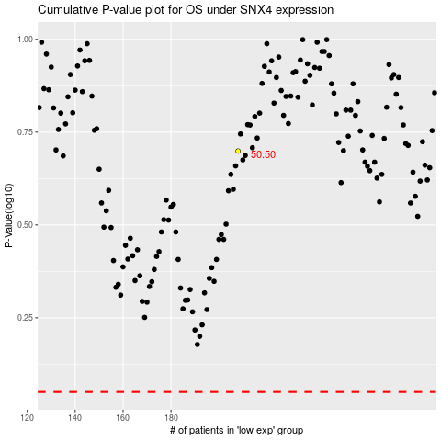

 |  |  |  |  |  | cases_OS | p_OS | rank | exp
 |  |  |  |  |  |  | cases_RFS | p_RFS | rank | exp

