SNX7 _multivariate
Reported by Tex Li-Hsing Chi. tex@gate.sinica.edu.tw 2019-08-15

Table 2. The clinicopathological features of HNSCC cohort and SNX7 expression. (Chi square test)
Cutoff at -0.187 (49.8%)
 |  | SNX7 expression |  | SNX7 expression |  | (Optimised)
 | Features | Low | (%) | High | (%) | Case no | P-value | Remark | Matthews
Gender | Female | 159 | 38.3 | 147 | 35.4 | 415 | 0.1905 | 0 | 0
2 | Male | 48 | 11.6 | 61 | 14.7
Age at diagnosis | <=65y | 132 | 31.8 | 142 | 34.2 | 415 | 0.3874 | 0 | 0
4 | >65y | 75 | 18.1 | 66 | 15.9
Clinical T Status | T1+T2 | 67 | 16.1 | 82 | 19.8 | 415 | 0.1628 | 0 | 0
6 | T3+T4 | 140 | 33.7 | 126 | 30.4
Clinical N Status | N0 | 115 | 27.7 | 101 | 24.3 | 415 | 0.184 | 1 | 0
8 | N1-3 | 92 | 22.2 | 107 | 25.8
Clinical M Status | M0 | 207 | 49.9 | 205 | 49.4 | 415 | 0.2482 | 0 | 0
10 | M1 | 0 | 0 | 3 | 0.7
Clinical Stage | Stage I+II | 45 | 10.8 | 57 | 13.7 | 415 | 0.2202 | 0 | 0
12 | Stage III+IV | 162 | 39 | 151 | 36.4
Surgical Margin status | Negative | 167 | 40.2 | 151 | 36.4 | 415 | 0.0632 | 0 | 0
14 | Positive | 40 | 9.6 | 57 | 13.7
Tobacco Exposure | Low | 71 | 17.1 | 90 | 21.7 | 415 | 0.0698 | 0 | 0
16 | High | 136 | 32.8 | 118 | 28.4

Table 3. Univariate/Multivariate Cox's proportional hazards regression analyses on OS time of SNX7 gene expression in HNSCC

 |  | Univariate |  |  |  | Multivariate
 | Features | HR | CI95%(L) | CI95%(H) | P-value | HR | CI95%(L) | CI95%(H) | P-value
1 | Female | 1 |  |  |  | 1
Gender | Male | 1.157 | 0.843 | 1.587 | 0.367 | 1.191 | 0.852 | 1.665 | 0.307
11 | <=65y | 1 |  |  |  | 1
Age at diagnosis | >65y | 1.329 | 0.99 | 1.784 | 0.058 | 1.403 | 1.031 | 1.91 | 0.031
12 | T1+T2 | 1 |  |  |  | 1
Clinical T Status | T3+T4 | 1.409 | 1.028 | 1.931 | 0.033 | 2.195 | 1.161 | 4.15 | 0.016
13 | N0 | 1 |  |  |  | 1
Clinical N Status | N1-3 | 1.185 | 0.89 | 1.577 | 0.246 | 1.227 | 0.858 | 1.753 | 0.262
14 | M0 | 1 |  |  |  | 1
Clinical M Status | M1 | 4.097 | 1.009 | 16.644 | 0.049 | 8.934 | 1.934 | 41.281 | 0.005
15 | Stage I+II | 1 |  |  |  | 1
Clinical Stage | Stage III+IV | 1.245 | 0.882 | 1.759 | 0.213 | 0.515 | 0.239 | 1.109 | 0.09
16 | Negative | 1 |  |  |  | 1
Surgical Margin status | Positive | 1.591 | 1.155 | 2.191 | 0.004 | 1.652 | 1.193 | 2.287 | 0.002
17 | Low | 1 |  |  |  | 1
Tobacco Exposure | High | 1.364 | 1.008 | 1.844 | 0.044 | 1.454 | 1.055 | 2.002 | 0.022
18 | Low | 1 |  |  |  | 1
RNAseq(z-score) | High | 1.147 | 0.862 | 1.528 | 0.347 | 1.1 | 0.819 | 1.478 | 0.526

Table 4. Univariate/Multivariate Cox's proportional hazards regression analyses on RFS time of SNX7 gene expression in HNSCC

 |  | Univariate |  |  |  | Multivariate
 | Features | HR | CI95%(L) | CI95%(H) | P-value | HR | CI95%(L) | CI95%(H) | P-value
1 | Female | 1 |  |  |  | 1
Gender | Male | 1.157 | 0.843 | 1.587 | 0.367 | 1.191 | 0.852 | 1.665 | 0.307
11 | <=65y | 1 |  |  |  | 1
Age at diagnosis | >65y | 1.329 | 0.99 | 1.784 | 0.058 | 1.403 | 1.031 | 1.91 | 0.031
12 | T1+T2 | 1 |  |  |  | 1
Clinical T Status | T3+T4 | 1.409 | 1.028 | 1.931 | 0.033 | 2.195 | 1.161 | 4.15 | 0.016
13 | N0 | 1 |  |  |  | 1
Clinical N Status | N1-3 | 1.185 | 0.89 | 1.577 | 0.246 | 1.227 | 0.858 | 1.753 | 0.262
14 | M0 | 1 |  |  |  | 1
Clinical M Status | M1 | 4.097 | 1.009 | 16.644 | 0.049 | 8.934 | 1.934 | 41.281 | 0.005
15 | Stage I+II | 1 |  |  |  | 1
Clinical Stage | Stage III+IV | 1.245 | 0.882 | 1.759 | 0.213 | 0.515 | 0.239 | 1.109 | 0.09
16 | Negative | 1 |  |  |  | 1
Surgical Margin status | Positive | 1.591 | 1.155 | 2.191 | 0.004 | 1.652 | 1.193 | 2.287 | 0.002
17 | Low | 1 |  |  |  | 1
Tobacco Exposure | High | 1.364 | 1.008 | 1.844 | 0.044 | 1.454 | 1.055 | 2.002 | 0.022
18 | Low | 1 |  |  |  | 1
RNAseq(z-score) | High | 1.147 | 0.862 | 1.528 | 0.347 | 1.1 | 0.819 | 1.478 | 0.526

Kaplan-Meier survival estimate: Cutoff at -0.187 (49.8%)



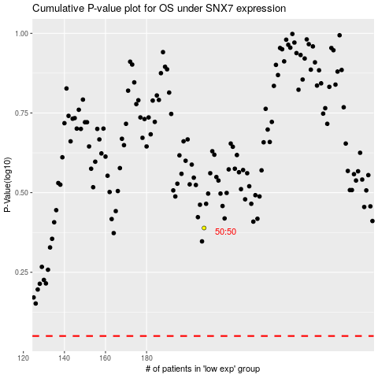

 |  |  |  |  |  | cases_OS | p_OS | rank | exp
 |  |  |  |  |  |  | cases_RFS | p_RFS | rank | exp

