SNX8 _multivariate
Reported by Tex Li-Hsing Chi. tex@gate.sinica.edu.tw 2019-08-15

Table 2. The clinicopathological features of HNSCC cohort and SNX8 expression. (Chi square test)
Cutoff at -0.154 (49.8%)
 |  | SNX8 expression |  | SNX8 expression |  | (Optimised)
 | Features | Low | (%) | High | (%) | Case no | P-value | Remark | Matthews
Gender | Female | 144 | 34.7 | 162 | 39 | 415 | 0.0697 | 0 | 0
2 | Male | 63 | 15.2 | 46 | 11.1
Age at diagnosis | <=65y | 134 | 32.3 | 140 | 33.7 | 415 | 0.6529 | 0 | 0
4 | >65y | 73 | 17.6 | 68 | 16.4
Clinical T Status | T1+T2 | 84 | 20.2 | 65 | 15.7 | 415 | 0.0603 | 0 | 0
6 | T3+T4 | 123 | 29.6 | 143 | 34.5
Clinical N Status | N0 | 121 | 29.2 | 95 | 22.9 | 415 | 0.0122 | 1 | 0
8 | N1-3 | 86 | 20.7 | 113 | 27.2
Clinical M Status | M0 | 206 | 49.6 | 206 | 49.6 | 415 | 1 | 0 | 0
10 | M1 | 1 | 0.2 | 2 | 0.5
Clinical Stage | Stage I+II | 63 | 15.2 | 39 | 9.4 | 415 | 0.008 | 1 | 0
12 | Stage III+IV | 144 | 34.7 | 169 | 40.7
Surgical Margin status | Negative | 155 | 37.3 | 163 | 39.3 | 415 | 0.4187 | 0 | 0
14 | Positive | 52 | 12.5 | 45 | 10.8
Tobacco Exposure | Low | 97 | 23.4 | 64 | 15.4 | 415 | 9e-04 | 1 | 0
16 | High | 110 | 26.5 | 144 | 34.7

Table 3. Univariate/Multivariate Cox's proportional hazards regression analyses on OS time of SNX8 gene expression in HNSCC

 |  | Univariate |  |  |  | Multivariate
 | Features | HR | CI95%(L) | CI95%(H) | P-value | HR | CI95%(L) | CI95%(H) | P-value
1 | Female | 1 |  |  |  | 1
Gender | Male | 1.157 | 0.843 | 1.587 | 0.367 | 1.193 | 0.854 | 1.666 | 0.302
11 | <=65y | 1 |  |  |  | 1
Age at diagnosis | >65y | 1.329 | 0.99 | 1.784 | 0.058 | 1.386 | 1.019 | 1.884 | 0.037
12 | T1+T2 | 1 |  |  |  | 1
Clinical T Status | T3+T4 | 1.409 | 1.028 | 1.931 | 0.033 | 2.193 | 1.16 | 4.148 | 0.016
13 | N0 | 1 |  |  |  | 1
Clinical N Status | N1-3 | 1.185 | 0.89 | 1.577 | 0.246 | 1.258 | 0.88 | 1.797 | 0.208
14 | M0 | 1 |  |  |  | 1
Clinical M Status | M1 | 4.097 | 1.009 | 16.644 | 0.049 | 9.565 | 2.086 | 43.864 | 0.004
15 | Stage I+II | 1 |  |  |  | 1
Clinical Stage | Stage III+IV | 1.245 | 0.882 | 1.759 | 0.213 | 0.511 | 0.238 | 1.098 | 0.085
16 | Negative | 1 |  |  |  | 1
Surgical Margin status | Positive | 1.591 | 1.155 | 2.191 | 0.004 | 1.659 | 1.2 | 2.293 | 0.002
17 | Low | 1 |  |  |  | 1
Tobacco Exposure | High | 1.364 | 1.008 | 1.844 | 0.044 | 1.465 | 1.063 | 2.019 | 0.02
18 | Low | 1 |  |  |  | 1
RNAseq(z-score) | High | 0.926 | 0.695 | 1.233 | 0.597 | 0.896 | 0.667 | 1.203 | 0.465

Table 4. Univariate/Multivariate Cox's proportional hazards regression analyses on RFS time of SNX8 gene expression in HNSCC

 |  | Univariate |  |  |  | Multivariate
 | Features | HR | CI95%(L) | CI95%(H) | P-value | HR | CI95%(L) | CI95%(H) | P-value
1 | Female | 1 |  |  |  | 1
Gender | Male | 1.157 | 0.843 | 1.587 | 0.367 | 1.193 | 0.854 | 1.666 | 0.302
11 | <=65y | 1 |  |  |  | 1
Age at diagnosis | >65y | 1.329 | 0.99 | 1.784 | 0.058 | 1.386 | 1.019 | 1.884 | 0.037
12 | T1+T2 | 1 |  |  |  | 1
Clinical T Status | T3+T4 | 1.409 | 1.028 | 1.931 | 0.033 | 2.193 | 1.16 | 4.148 | 0.016
13 | N0 | 1 |  |  |  | 1
Clinical N Status | N1-3 | 1.185 | 0.89 | 1.577 | 0.246 | 1.258 | 0.88 | 1.797 | 0.208
14 | M0 | 1 |  |  |  | 1
Clinical M Status | M1 | 4.097 | 1.009 | 16.644 | 0.049 | 9.565 | 2.086 | 43.864 | 0.004
15 | Stage I+II | 1 |  |  |  | 1
Clinical Stage | Stage III+IV | 1.245 | 0.882 | 1.759 | 0.213 | 0.511 | 0.238 | 1.098 | 0.085
16 | Negative | 1 |  |  |  | 1
Surgical Margin status | Positive | 1.591 | 1.155 | 2.191 | 0.004 | 1.659 | 1.2 | 2.293 | 0.002
17 | Low | 1 |  |  |  | 1
Tobacco Exposure | High | 1.364 | 1.008 | 1.844 | 0.044 | 1.465 | 1.063 | 2.019 | 0.02
18 | Low | 1 |  |  |  | 1
RNAseq(z-score) | High | 0.926 | 0.695 | 1.233 | 0.597 | 0.896 | 0.667 | 1.203 | 0.465

Kaplan-Meier survival estimate: Cutoff at -0.154 (49.8%)



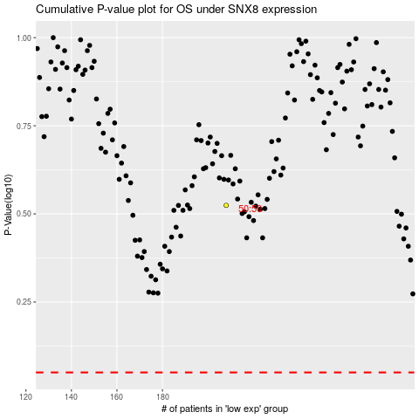

 |  |  |  |  |  | cases_OS | p_OS | rank | exp
 |  |  |  |  |  |  | cases_RFS | p_RFS | rank | exp

