SOAT2 _multivariate
Reported by Tex Li-Hsing Chi. tex@gate.sinica.edu.tw 2019-08-15

Table 2. The clinicopathological features of HNSCC cohort and SOAT2 expression. (Chi square test)
Cutoff at -0.303 (36.0%)
 |  | SOAT2 expression |  | SOAT2 expression |  | (Optimised)
 | Features | Low | (%) | High | (%) | Case no | P-value | Remark | Matthews
Gender | Female | 116 | 28 | 190 | 45.8 | 415 | 0.1901 | 0 | 0
2 | Male | 33 | 8 | 76 | 18.3
Age at diagnosis | <=65y | 107 | 25.8 | 167 | 40.2 | 415 | 0.0792 | 0 | 0
4 | >65y | 42 | 10.1 | 99 | 23.9
Clinical T Status | T1+T2 | 50 | 12 | 99 | 23.9 | 415 | 0.5227 | 0 | 0
6 | T3+T4 | 99 | 23.9 | 167 | 40.2
Clinical N Status | N0 | 73 | 17.6 | 143 | 34.5 | 415 | 0.4066 | 0 | 0
8 | N1-3 | 76 | 18.3 | 123 | 29.6
Clinical M Status | M0 | 147 | 35.4 | 265 | 63.9 | 415 | 0.2937 | 0 | 0
10 | M1 | 2 | 0.5 | 1 | 0.2
Clinical Stage | Stage I+II | 30 | 7.2 | 72 | 17.3 | 415 | 0.1457 | 0 | 0
12 | Stage III+IV | 119 | 28.7 | 194 | 46.7
Surgical Margin status | Negative | 109 | 26.3 | 209 | 50.4 | 415 | 0.2276 | 0 | 0
14 | Positive | 40 | 9.6 | 57 | 13.7
Tobacco Exposure | Low | 50 | 12 | 111 | 26.7 | 415 | 0.1154 | 0 | 0
16 | High | 99 | 23.9 | 155 | 37.3

Table 3. Univariate/Multivariate Cox's proportional hazards regression analyses on OS time of SOAT2 gene expression in HNSCC

 |  | Univariate |  |  |  | Multivariate
 | Features | HR | CI95%(L) | CI95%(H) | P-value | HR | CI95%(L) | CI95%(H) | P-value
1 | Female | 1 |  |  |  | 1
Gender | Male | 1.157 | 0.843 | 1.587 | 0.367 | 1.201 | 0.858 | 1.683 | 0.286
11 | <=65y | 1 |  |  |  | 1
Age at diagnosis | >65y | 1.329 | 0.99 | 1.784 | 0.058 | 1.449 | 1.062 | 1.976 | 0.019
12 | T1+T2 | 1 |  |  |  | 1
Clinical T Status | T3+T4 | 1.409 | 1.028 | 1.931 | 0.033 | 2.221 | 1.174 | 4.203 | 0.014
13 | N0 | 1 |  |  |  | 1
Clinical N Status | N1-3 | 1.185 | 0.89 | 1.577 | 0.246 | 1.239 | 0.867 | 1.769 | 0.239
14 | M0 | 1 |  |  |  | 1
Clinical M Status | M1 | 4.097 | 1.009 | 16.644 | 0.049 | 8.421 | 1.83 | 38.744 | 0.006
15 | Stage I+II | 1 |  |  |  | 1
Clinical Stage | Stage III+IV | 1.245 | 0.882 | 1.759 | 0.213 | 0.487 | 0.226 | 1.048 | 0.066
16 | Negative | 1 |  |  |  | 1
Surgical Margin status | Positive | 1.591 | 1.155 | 2.191 | 0.004 | 1.649 | 1.193 | 2.279 | 0.002
17 | Low | 1 |  |  |  | 1
Tobacco Exposure | High | 1.364 | 1.008 | 1.844 | 0.044 | 1.464 | 1.061 | 2.021 | 0.02
18 | Low | 1 |  |  |  | 1
RNAseq(z-score) | High | 0.744 | 0.557 | 0.994 | 0.045 | 0.741 | 0.552 | 0.996 | 0.047

Table 4. Univariate/Multivariate Cox's proportional hazards regression analyses on RFS time of SOAT2 gene expression in HNSCC

 |  | Univariate |  |  |  | Multivariate
 | Features | HR | CI95%(L) | CI95%(H) | P-value | HR | CI95%(L) | CI95%(H) | P-value
1 | Female | 1 |  |  |  | 1
Gender | Male | 1.157 | 0.843 | 1.587 | 0.367 | 1.201 | 0.858 | 1.683 | 0.286
11 | <=65y | 1 |  |  |  | 1
Age at diagnosis | >65y | 1.329 | 0.99 | 1.784 | 0.058 | 1.449 | 1.062 | 1.976 | 0.019
12 | T1+T2 | 1 |  |  |  | 1
Clinical T Status | T3+T4 | 1.409 | 1.028 | 1.931 | 0.033 | 2.221 | 1.174 | 4.203 | 0.014
13 | N0 | 1 |  |  |  | 1
Clinical N Status | N1-3 | 1.185 | 0.89 | 1.577 | 0.246 | 1.239 | 0.867 | 1.769 | 0.239
14 | M0 | 1 |  |  |  | 1
Clinical M Status | M1 | 4.097 | 1.009 | 16.644 | 0.049 | 8.421 | 1.83 | 38.744 | 0.006
15 | Stage I+II | 1 |  |  |  | 1
Clinical Stage | Stage III+IV | 1.245 | 0.882 | 1.759 | 0.213 | 0.487 | 0.226 | 1.048 | 0.066
16 | Negative | 1 |  |  |  | 1
Surgical Margin status | Positive | 1.591 | 1.155 | 2.191 | 0.004 | 1.649 | 1.193 | 2.279 | 0.002
17 | Low | 1 |  |  |  | 1
Tobacco Exposure | High | 1.364 | 1.008 | 1.844 | 0.044 | 1.464 | 1.061 | 2.021 | 0.02
18 | Low | 1 |  |  |  | 1
RNAseq(z-score) | High | 0.744 | 0.557 | 0.994 | 0.045 | 0.741 | 0.552 | 0.996 | 0.047

Kaplan-Meier survival estimate: Cutoff at -0.303 (36.0%)



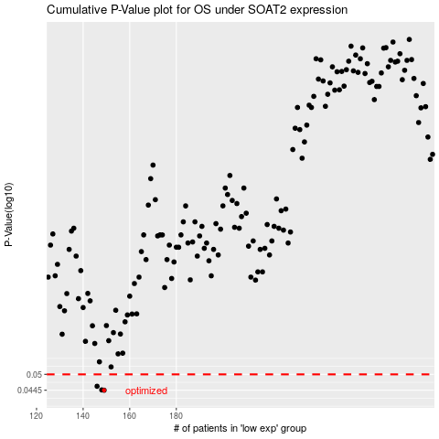

 |  |  |  |  |  | cases_OS | p_OS | rank | exp
 |  |  |  |  |  | 149 | 0.0445 | 26 | -0.30332443348
 |  |  |  |  |  | 148 | 0.0446 | 228 | -0.30542486605
 |  |  |  |  |  | 146 | 0.0458 | 134 | -0.30920015335
 |  |  |  |  |  |  | cases_RFS | p_RFS | rank | exp
 |  |  |  |  |  |  | 148 | 0.0445 | 228 | -0.30542486605
 |  |  |  |  |  |  | 147 | 0.0446 | 202 | -0.30602891202
 |  |  |  |  |  |  | 145 | 0.0458 | 64 | -0.3097081011

