SOCS5 _multivariate
Reported by Tex Li-Hsing Chi. tex@gate.sinica.edu.tw 2019-08-15

Table 2. The clinicopathological features of HNSCC cohort and SOCS5 expression. (Chi square test)
Cutoff at -0.116 (49.8%)
 |  | SOCS5 expression |  | SOCS5 expression |  | (Optimised)
 | Features | Low | (%) | High | (%) | Case no | P-value | Remark | Matthews
Gender | Female | 148 | 35.7 | 158 | 38.1 | 415 | 0.3567 | 0 | 0
2 | Male | 59 | 14.2 | 50 | 12
Age at diagnosis | <=65y | 134 | 32.3 | 140 | 33.7 | 415 | 0.6529 | 0 | 0
4 | >65y | 73 | 17.6 | 68 | 16.4
Clinical T Status | T1+T2 | 80 | 19.3 | 69 | 16.6 | 415 | 0.2891 | 0 | 0
6 | T3+T4 | 127 | 30.6 | 139 | 33.5
Clinical N Status | N0 | 113 | 27.2 | 103 | 24.8 | 415 | 0.3495 | 1 | 0
8 | N1-3 | 94 | 22.7 | 105 | 25.3
Clinical M Status | M0 | 204 | 49.2 | 208 | 50.1 | 415 | 0.1232 | 0 | 0
10 | M1 | 3 | 0.7 | 0 | 0
Clinical Stage | Stage I+II | 54 | 13 | 48 | 11.6 | 415 | 0.5498 | 0 | 0
12 | Stage III+IV | 153 | 36.9 | 160 | 38.6
Surgical Margin status | Negative | 158 | 38.1 | 160 | 38.6 | 415 | 0.9081 | 0 | 0
14 | Positive | 49 | 11.8 | 48 | 11.6
Tobacco Exposure | Low | 91 | 21.9 | 70 | 16.9 | 415 | 0.0346 | 1 | 0
16 | High | 116 | 28 | 138 | 33.3

Table 3. Univariate/Multivariate Cox's proportional hazards regression analyses on OS time of SOCS5 gene expression in HNSCC

 |  | Univariate |  |  |  | Multivariate
 | Features | HR | CI95%(L) | CI95%(H) | P-value | HR | CI95%(L) | CI95%(H) | P-value
1 | Female | 1 |  |  |  | 1
Gender | Male | 1.157 | 0.843 | 1.587 | 0.367 | 1.202 | 0.861 | 1.679 | 0.28
11 | <=65y | 1 |  |  |  | 1
Age at diagnosis | >65y | 1.329 | 0.99 | 1.784 | 0.058 | 1.398 | 1.027 | 1.902 | 0.033
12 | T1+T2 | 1 |  |  |  | 1
Clinical T Status | T3+T4 | 1.409 | 1.028 | 1.931 | 0.033 | 2.202 | 1.164 | 4.164 | 0.015
13 | N0 | 1 |  |  |  | 1
Clinical N Status | N1-3 | 1.185 | 0.89 | 1.577 | 0.246 | 1.239 | 0.868 | 1.768 | 0.237
14 | M0 | 1 |  |  |  | 1
Clinical M Status | M1 | 4.097 | 1.009 | 16.644 | 0.049 | 9.666 | 2.089 | 44.728 | 0.004
15 | Stage I+II | 1 |  |  |  | 1
Clinical Stage | Stage III+IV | 1.245 | 0.882 | 1.759 | 0.213 | 0.503 | 0.234 | 1.08 | 0.078
16 | Negative | 1 |  |  |  | 1
Surgical Margin status | Positive | 1.591 | 1.155 | 2.191 | 0.004 | 1.674 | 1.211 | 2.313 | 0.002
17 | Low | 1 |  |  |  | 1
Tobacco Exposure | High | 1.364 | 1.008 | 1.844 | 0.044 | 1.448 | 1.05 | 1.996 | 0.024
18 | Low | 1 |  |  |  | 1
RNAseq(z-score) | High | 1.033 | 0.773 | 1.381 | 0.826 | 1.049 | 0.781 | 1.411 | 0.75

Table 4. Univariate/Multivariate Cox's proportional hazards regression analyses on RFS time of SOCS5 gene expression in HNSCC

 |  | Univariate |  |  |  | Multivariate
 | Features | HR | CI95%(L) | CI95%(H) | P-value | HR | CI95%(L) | CI95%(H) | P-value
1 | Female | 1 |  |  |  | 1
Gender | Male | 1.157 | 0.843 | 1.587 | 0.367 | 1.202 | 0.861 | 1.679 | 0.28
11 | <=65y | 1 |  |  |  | 1
Age at diagnosis | >65y | 1.329 | 0.99 | 1.784 | 0.058 | 1.398 | 1.027 | 1.902 | 0.033
12 | T1+T2 | 1 |  |  |  | 1
Clinical T Status | T3+T4 | 1.409 | 1.028 | 1.931 | 0.033 | 2.202 | 1.164 | 4.164 | 0.015
13 | N0 | 1 |  |  |  | 1
Clinical N Status | N1-3 | 1.185 | 0.89 | 1.577 | 0.246 | 1.239 | 0.868 | 1.768 | 0.237
14 | M0 | 1 |  |  |  | 1
Clinical M Status | M1 | 4.097 | 1.009 | 16.644 | 0.049 | 9.666 | 2.089 | 44.728 | 0.004
15 | Stage I+II | 1 |  |  |  | 1
Clinical Stage | Stage III+IV | 1.245 | 0.882 | 1.759 | 0.213 | 0.503 | 0.234 | 1.08 | 0.078
16 | Negative | 1 |  |  |  | 1
Surgical Margin status | Positive | 1.591 | 1.155 | 2.191 | 0.004 | 1.674 | 1.211 | 2.313 | 0.002
17 | Low | 1 |  |  |  | 1
Tobacco Exposure | High | 1.364 | 1.008 | 1.844 | 0.044 | 1.448 | 1.05 | 1.996 | 0.024
18 | Low | 1 |  |  |  | 1
RNAseq(z-score) | High | 1.033 | 0.773 | 1.381 | 0.826 | 1.049 | 0.781 | 1.411 | 0.75

Kaplan-Meier survival estimate: Cutoff at -0.116 (49.8%)



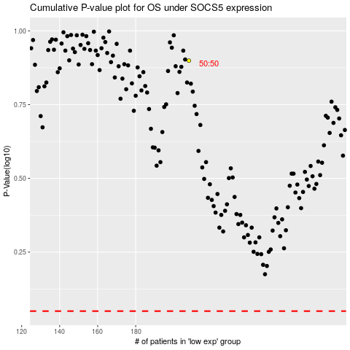

 |  |  |  |  |  | cases_OS | p_OS | rank | exp
 |  |  |  |  |  |  | cases_RFS | p_RFS | rank | exp

