SOD1 _multivariate
Reported by Tex Li-Hsing Chi. tex@gate.sinica.edu.tw 2019-08-15

Table 2. The clinicopathological features of HNSCC cohort and SOD1 expression. (Chi square test)
Cutoff at -0.47 (39.4%)
 |  | SOD1 expression |  | SOD1 expression |  | (Optimised)
 | Features | Low | (%) | High | (%) | Case no | P-value | Remark | Matthews
Gender | Female | 119 | 28.7 | 187 | 45.1 | 415 | 0.8751 | 0 | 0
2 | Male | 44 | 10.6 | 65 | 15.7
Age at diagnosis | <=65y | 107 | 25.8 | 167 | 40.2 | 415 | 0.9798 | 0 | 0
4 | >65y | 56 | 13.5 | 85 | 20.5
Clinical T Status | T1+T2 | 63 | 15.2 | 86 | 20.7 | 415 | 0.4047 | 0 | 0
6 | T3+T4 | 100 | 24.1 | 166 | 40
Clinical N Status | N0 | 90 | 21.7 | 126 | 30.4 | 415 | 0.3483 | 0 | 0
8 | N1-3 | 73 | 17.6 | 126 | 30.4
Clinical M Status | M0 | 163 | 39.3 | 249 | 60 | 415 | 0.2828 | 0 | 0
10 | M1 | 0 | 0 | 3 | 0.7
Clinical Stage | Stage I+II | 47 | 11.3 | 55 | 13.3 | 415 | 0.1329 | 0 | 0
12 | Stage III+IV | 116 | 28 | 197 | 47.5
Surgical Margin status | Negative | 127 | 30.6 | 191 | 46 | 415 | 0.6369 | 0 | 0
14 | Positive | 36 | 8.7 | 61 | 14.7
Tobacco Exposure | Low | 75 | 18.1 | 86 | 20.7 | 415 | 0.0177 | 1 | 0
16 | High | 88 | 21.2 | 166 | 40

Table 3. Univariate/Multivariate Cox's proportional hazards regression analyses on OS time of SOD1 gene expression in HNSCC

 |  | Univariate |  |  |  | Multivariate
 | Features | HR | CI95%(L) | CI95%(H) | P-value | HR | CI95%(L) | CI95%(H) | P-value
1 | Female | 1 |  |  |  | 1
Gender | Male | 1.157 | 0.843 | 1.587 | 0.367 | 1.192 | 0.852 | 1.668 | 0.306
11 | <=65y | 1 |  |  |  | 1
Age at diagnosis | >65y | 1.329 | 0.99 | 1.784 | 0.058 | 1.388 | 1.021 | 1.887 | 0.037
12 | T1+T2 | 1 |  |  |  | 1
Clinical T Status | T3+T4 | 1.409 | 1.028 | 1.931 | 0.033 | 2.193 | 1.16 | 4.146 | 0.016
13 | N0 | 1 |  |  |  | 1
Clinical N Status | N1-3 | 1.185 | 0.89 | 1.577 | 0.246 | 1.246 | 0.873 | 1.778 | 0.226
14 | M0 | 1 |  |  |  | 1
Clinical M Status | M1 | 4.097 | 1.009 | 16.644 | 0.049 | 8.545 | 1.858 | 39.293 | 0.006
15 | Stage I+II | 1 |  |  |  | 1
Clinical Stage | Stage III+IV | 1.245 | 0.882 | 1.759 | 0.213 | 0.488 | 0.227 | 1.048 | 0.066
16 | Negative | 1 |  |  |  | 1
Surgical Margin status | Positive | 1.591 | 1.155 | 2.191 | 0.004 | 1.671 | 1.209 | 2.31 | 0.002
17 | Low | 1 |  |  |  | 1
Tobacco Exposure | High | 1.364 | 1.008 | 1.844 | 0.044 | 1.4 | 1.011 | 1.937 | 0.043
18 | Low | 1 |  |  |  | 1
RNAseq(z-score) | High | 1.378 | 1.021 | 1.862 | 0.036 | 1.292 | 0.95 | 1.756 | 0.102

Table 4. Univariate/Multivariate Cox's proportional hazards regression analyses on RFS time of SOD1 gene expression in HNSCC

 |  | Univariate |  |  |  | Multivariate
 | Features | HR | CI95%(L) | CI95%(H) | P-value | HR | CI95%(L) | CI95%(H) | P-value
1 | Female | 1 |  |  |  | 1
Gender | Male | 1.157 | 0.843 | 1.587 | 0.367 | 1.192 | 0.852 | 1.668 | 0.306
11 | <=65y | 1 |  |  |  | 1
Age at diagnosis | >65y | 1.329 | 0.99 | 1.784 | 0.058 | 1.388 | 1.021 | 1.887 | 0.037
12 | T1+T2 | 1 |  |  |  | 1
Clinical T Status | T3+T4 | 1.409 | 1.028 | 1.931 | 0.033 | 2.193 | 1.16 | 4.146 | 0.016
13 | N0 | 1 |  |  |  | 1
Clinical N Status | N1-3 | 1.185 | 0.89 | 1.577 | 0.246 | 1.246 | 0.873 | 1.778 | 0.226
14 | M0 | 1 |  |  |  | 1
Clinical M Status | M1 | 4.097 | 1.009 | 16.644 | 0.049 | 8.545 | 1.858 | 39.293 | 0.006
15 | Stage I+II | 1 |  |  |  | 1
Clinical Stage | Stage III+IV | 1.245 | 0.882 | 1.759 | 0.213 | 0.488 | 0.227 | 1.048 | 0.066
16 | Negative | 1 |  |  |  | 1
Surgical Margin status | Positive | 1.591 | 1.155 | 2.191 | 0.004 | 1.671 | 1.209 | 2.31 | 0.002
17 | Low | 1 |  |  |  | 1
Tobacco Exposure | High | 1.364 | 1.008 | 1.844 | 0.044 | 1.4 | 1.011 | 1.937 | 0.043
18 | Low | 1 |  |  |  | 1
RNAseq(z-score) | High | 1.378 | 1.021 | 1.862 | 0.036 | 1.292 | 0.95 | 1.756 | 0.102

Kaplan-Meier survival estimate: Cutoff at -0.47 (39.4%)



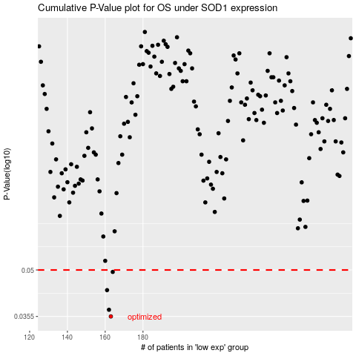

 |  |  |  |  |  | cases_OS | p_OS | rank | exp
 |  |  |  |  |  | 163 | 0.0355 | 264 | -0.47015485463
 |  |  |  |  |  | 162 | 0.0373 | 304 | -0.47519774261
 |  |  |  |  |  | 161 | 0.0431 | 341 | -0.47537224136
 |  |  |  |  |  | 164 | 0.0493 | 70 | -0.46790577869
 |  |  |  |  |  |  | cases_RFS | p_RFS | rank | exp
 |  |  |  |  |  |  | 162 | 0.0355 | 304 | -0.47519774261
 |  |  |  |  |  |  | 161 | 0.0373 | 341 | -0.47537224136
 |  |  |  |  |  |  | 160 | 0.0431 | 165 | -0.47940254423
 |  |  |  |  |  |  | 163 | 0.0493 | 264 | -0.47015485463

