SOHLH2 _multivariate
Reported by Tex Li-Hsing Chi. tex@gate.sinica.edu.tw 2019-08-15

Table 2. The clinicopathological features of HNSCC cohort and SOHLH2 expression. (Chi square test)
Cutoff at -0.273 (50.0%)
 |  | SOHLH2 expression |  | SOHLH2 expression |  | (Optimised)
 | Features | Low | (%) | High | (%) | Case no | P-value | Remark | Matthews
Gender | Female | 155 | 37.3 | 151 | 36.4 | 415 | 0.6768 | 0 | 0
2 | Male | 52 | 12.5 | 57 | 13.7
Age at diagnosis | <=65y | 132 | 31.8 | 142 | 34.2 | 415 | 0.3874 | 0 | 0
4 | >65y | 75 | 18.1 | 66 | 15.9
Clinical T Status | T1+T2 | 70 | 16.9 | 79 | 19 | 415 | 0.4343 | 0 | 0
6 | T3+T4 | 137 | 33 | 129 | 31.1
Clinical N Status | N0 | 110 | 26.5 | 106 | 25.5 | 415 | 0.7294 | 0 | 0
8 | N1-3 | 97 | 23.4 | 102 | 24.6
Clinical M Status | M0 | 204 | 49.2 | 208 | 50.1 | 415 | 0.1232 | 0 | 0
10 | M1 | 3 | 0.7 | 0 | 0
Clinical Stage | Stage I+II | 43 | 10.4 | 59 | 14.2 | 415 | 0.0925 | 0 | 0
12 | Stage III+IV | 164 | 39.5 | 149 | 35.9
Surgical Margin status | Negative | 156 | 37.6 | 162 | 39 | 415 | 0.5636 | 0 | 0
14 | Positive | 51 | 12.3 | 46 | 11.1
Tobacco Exposure | Low | 85 | 20.5 | 76 | 18.3 | 415 | 0.3655 | 0 | 0
16 | High | 122 | 29.4 | 132 | 31.8

Table 3. Univariate/Multivariate Cox's proportional hazards regression analyses on OS time of SOHLH2 gene expression in HNSCC

 |  | Univariate |  |  |  | Multivariate
 | Features | HR | CI95%(L) | CI95%(H) | P-value | HR | CI95%(L) | CI95%(H) | P-value
1 | Female | 1 |  |  |  | 1
Gender | Male | 1.157 | 0.843 | 1.587 | 0.367 | 1.193 | 0.853 | 1.668 | 0.302
11 | <=65y | 1 |  |  |  | 1
Age at diagnosis | >65y | 1.329 | 0.99 | 1.784 | 0.058 | 1.404 | 1.031 | 1.911 | 0.031
12 | T1+T2 | 1 |  |  |  | 1
Clinical T Status | T3+T4 | 1.409 | 1.028 | 1.931 | 0.033 | 2.174 | 1.148 | 4.116 | 0.017
13 | N0 | 1 |  |  |  | 1
Clinical N Status | N1-3 | 1.185 | 0.89 | 1.577 | 0.246 | 1.227 | 0.859 | 1.755 | 0.261
14 | M0 | 1 |  |  |  | 1
Clinical M Status | M1 | 4.097 | 1.009 | 16.644 | 0.049 | 9.741 | 2.116 | 44.842 | 0.003
15 | Stage I+II | 1 |  |  |  | 1
Clinical Stage | Stage III+IV | 1.245 | 0.882 | 1.759 | 0.213 | 0.518 | 0.24 | 1.118 | 0.094
16 | Negative | 1 |  |  |  | 1
Surgical Margin status | Positive | 1.591 | 1.155 | 2.191 | 0.004 | 1.665 | 1.205 | 2.301 | 0.002
17 | Low | 1 |  |  |  | 1
Tobacco Exposure | High | 1.364 | 1.008 | 1.844 | 0.044 | 1.442 | 1.046 | 1.988 | 0.025
18 | Low | 1 |  |  |  | 1
RNAseq(z-score) | High | 1.109 | 0.833 | 1.476 | 0.48 | 1.094 | 0.816 | 1.468 | 0.548

Table 4. Univariate/Multivariate Cox's proportional hazards regression analyses on RFS time of SOHLH2 gene expression in HNSCC

 |  | Univariate |  |  |  | Multivariate
 | Features | HR | CI95%(L) | CI95%(H) | P-value | HR | CI95%(L) | CI95%(H) | P-value
1 | Female | 1 |  |  |  | 1
Gender | Male | 1.157 | 0.843 | 1.587 | 0.367 | 1.193 | 0.853 | 1.668 | 0.302
11 | <=65y | 1 |  |  |  | 1
Age at diagnosis | >65y | 1.329 | 0.99 | 1.784 | 0.058 | 1.404 | 1.031 | 1.911 | 0.031
12 | T1+T2 | 1 |  |  |  | 1
Clinical T Status | T3+T4 | 1.409 | 1.028 | 1.931 | 0.033 | 2.174 | 1.148 | 4.116 | 0.017
13 | N0 | 1 |  |  |  | 1
Clinical N Status | N1-3 | 1.185 | 0.89 | 1.577 | 0.246 | 1.227 | 0.859 | 1.755 | 0.261
14 | M0 | 1 |  |  |  | 1
Clinical M Status | M1 | 4.097 | 1.009 | 16.644 | 0.049 | 9.741 | 2.116 | 44.842 | 0.003
15 | Stage I+II | 1 |  |  |  | 1
Clinical Stage | Stage III+IV | 1.245 | 0.882 | 1.759 | 0.213 | 0.518 | 0.24 | 1.118 | 0.094
16 | Negative | 1 |  |  |  | 1
Surgical Margin status | Positive | 1.591 | 1.155 | 2.191 | 0.004 | 1.665 | 1.205 | 2.301 | 0.002
17 | Low | 1 |  |  |  | 1
Tobacco Exposure | High | 1.364 | 1.008 | 1.844 | 0.044 | 1.442 | 1.046 | 1.988 | 0.025
18 | Low | 1 |  |  |  | 1
RNAseq(z-score) | High | 1.109 | 0.833 | 1.476 | 0.48 | 1.094 | 0.816 | 1.468 | 0.548

Kaplan-Meier survival estimate: Cutoff at -0.273 (50.0%)



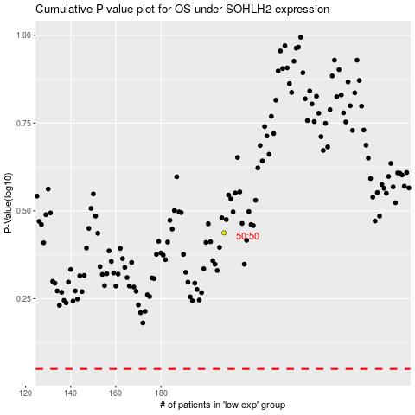

 |  |  |  |  |  | cases_OS | p_OS | rank | exp
 |  |  |  |  |  |  | cases_RFS | p_RFS | rank | exp

