SON _multivariate
Reported by Tex Li-Hsing Chi. tex@gate.sinica.edu.tw 2019-08-15

Table 2. The clinicopathological features of HNSCC cohort and SON expression. (Chi square test)
Cutoff at -0.06 (50.0%)
 |  | SON expression |  | SON expression |  | (Optimised)
 | Features | Low | (%) | High | (%) | Case no | P-value | Remark | Matthews
Gender | Female | 158 | 38.1 | 148 | 35.7 | 415 | 0.2774 | 0 | 0
2 | Male | 49 | 11.8 | 60 | 14.5
Age at diagnosis | <=65y | 136 | 32.8 | 138 | 33.3 | 415 | 0.9719 | 0 | 0
4 | >65y | 71 | 17.1 | 70 | 16.9
Clinical T Status | T1+T2 | 74 | 17.8 | 75 | 18.1 | 415 | 1 | 0 | 0
6 | T3+T4 | 133 | 32 | 133 | 32
Clinical N Status | N0 | 108 | 26 | 108 | 26 | 415 | 1 | 0 | 0
8 | N1-3 | 99 | 23.9 | 100 | 24.1
Clinical M Status | M0 | 204 | 49.2 | 208 | 50.1 | 415 | 0.1232 | 0 | 0
10 | M1 | 3 | 0.7 | 0 | 0
Clinical Stage | Stage I+II | 53 | 12.8 | 49 | 11.8 | 415 | 0.7113 | 0 | 0
12 | Stage III+IV | 154 | 37.1 | 159 | 38.3
Surgical Margin status | Negative | 147 | 35.4 | 171 | 41.2 | 415 | 0.0077 | 1 | 0
14 | Positive | 60 | 14.5 | 37 | 8.9
Tobacco Exposure | Low | 79 | 19 | 82 | 19.8 | 415 | 0.8405 | 0 | 0
16 | High | 128 | 30.8 | 126 | 30.4

Table 3. Univariate/Multivariate Cox's proportional hazards regression analyses on OS time of SON gene expression in HNSCC

 |  | Univariate |  |  |  | Multivariate
 | Features | HR | CI95%(L) | CI95%(H) | P-value | HR | CI95%(L) | CI95%(H) | P-value
1 | Female | 1 |  |  |  | 1
Gender | Male | 1.157 | 0.843 | 1.587 | 0.367 | 1.203 | 0.861 | 1.681 | 0.28
11 | <=65y | 1 |  |  |  | 1
Age at diagnosis | >65y | 1.329 | 0.99 | 1.784 | 0.058 | 1.39 | 1.022 | 1.889 | 0.036
12 | T1+T2 | 1 |  |  |  | 1
Clinical T Status | T3+T4 | 1.409 | 1.028 | 1.931 | 0.033 | 2.195 | 1.16 | 4.152 | 0.016
13 | N0 | 1 |  |  |  | 1
Clinical N Status | N1-3 | 1.185 | 0.89 | 1.577 | 0.246 | 1.236 | 0.866 | 1.766 | 0.243
14 | M0 | 1 |  |  |  | 1
Clinical M Status | M1 | 4.097 | 1.009 | 16.644 | 0.049 | 9.19 | 1.987 | 42.508 | 0.005
15 | Stage I+II | 1 |  |  |  | 1
Clinical Stage | Stage III+IV | 1.245 | 0.882 | 1.759 | 0.213 | 0.508 | 0.236 | 1.093 | 0.083
16 | Negative | 1 |  |  |  | 1
Surgical Margin status | Positive | 1.591 | 1.155 | 2.191 | 0.004 | 1.661 | 1.199 | 2.302 | 0.002
17 | Low | 1 |  |  |  | 1
Tobacco Exposure | High | 1.364 | 1.008 | 1.844 | 0.044 | 1.448 | 1.05 | 1.997 | 0.024
18 | Low | 1 |  |  |  | 1
RNAseq(z-score) | High | 0.862 | 0.647 | 1.148 | 0.308 | 0.96 | 0.716 | 1.287 | 0.785

Table 4. Univariate/Multivariate Cox's proportional hazards regression analyses on RFS time of SON gene expression in HNSCC

 |  | Univariate |  |  |  | Multivariate
 | Features | HR | CI95%(L) | CI95%(H) | P-value | HR | CI95%(L) | CI95%(H) | P-value
1 | Female | 1 |  |  |  | 1
Gender | Male | 1.157 | 0.843 | 1.587 | 0.367 | 1.203 | 0.861 | 1.681 | 0.28
11 | <=65y | 1 |  |  |  | 1
Age at diagnosis | >65y | 1.329 | 0.99 | 1.784 | 0.058 | 1.39 | 1.022 | 1.889 | 0.036
12 | T1+T2 | 1 |  |  |  | 1
Clinical T Status | T3+T4 | 1.409 | 1.028 | 1.931 | 0.033 | 2.195 | 1.16 | 4.152 | 0.016
13 | N0 | 1 |  |  |  | 1
Clinical N Status | N1-3 | 1.185 | 0.89 | 1.577 | 0.246 | 1.236 | 0.866 | 1.766 | 0.243
14 | M0 | 1 |  |  |  | 1
Clinical M Status | M1 | 4.097 | 1.009 | 16.644 | 0.049 | 9.19 | 1.987 | 42.508 | 0.005
15 | Stage I+II | 1 |  |  |  | 1
Clinical Stage | Stage III+IV | 1.245 | 0.882 | 1.759 | 0.213 | 0.508 | 0.236 | 1.093 | 0.083
16 | Negative | 1 |  |  |  | 1
Surgical Margin status | Positive | 1.591 | 1.155 | 2.191 | 0.004 | 1.661 | 1.199 | 2.302 | 0.002
17 | Low | 1 |  |  |  | 1
Tobacco Exposure | High | 1.364 | 1.008 | 1.844 | 0.044 | 1.448 | 1.05 | 1.997 | 0.024
18 | Low | 1 |  |  |  | 1
RNAseq(z-score) | High | 0.862 | 0.647 | 1.148 | 0.308 | 0.96 | 0.716 | 1.287 | 0.785

Kaplan-Meier survival estimate: Cutoff at -0.06 (50.0%)



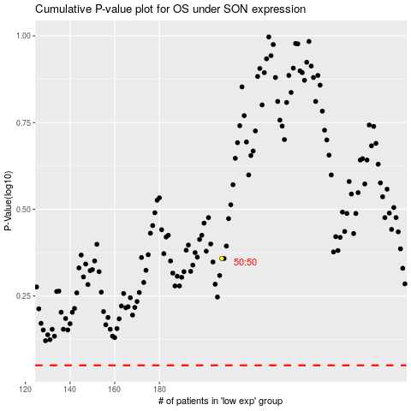

 |  |  |  |  |  | cases_OS | p_OS | rank | exp
 |  |  |  |  |  |  | cases_RFS | p_RFS | rank | exp

