SORBS1 _multivariate
Reported by Tex Li-Hsing Chi. tex@gate.sinica.edu.tw 2019-08-15

Table 2. The clinicopathological features of HNSCC cohort and SORBS1 expression. (Chi square test)
Cutoff at -0.272 (50.0%)
 |  | SORBS1 expression |  | SORBS1 expression |  | (Optimised)
 | Features | Low | (%) | High | (%) | Case no | P-value | Remark | Matthews
Gender | Female | 158 | 38.1 | 148 | 35.7 | 415 | 0.2774 | 0 | 0
2 | Male | 49 | 11.8 | 60 | 14.5
Age at diagnosis | <=65y | 132 | 31.8 | 142 | 34.2 | 415 | 0.3874 | 0 | 0
4 | >65y | 75 | 18.1 | 66 | 15.9
Clinical T Status | T1+T2 | 66 | 15.9 | 83 | 20 | 415 | 0.1095 | 0 | 0
6 | T3+T4 | 141 | 34 | 125 | 30.1
Clinical N Status | N0 | 109 | 26.3 | 107 | 25.8 | 415 | 0.8812 | 0 | 0
8 | N1-3 | 98 | 23.6 | 101 | 24.3
Clinical M Status | M0 | 204 | 49.2 | 208 | 50.1 | 415 | 0.1232 | 0 | 0
10 | M1 | 3 | 0.7 | 0 | 0
Clinical Stage | Stage I+II | 45 | 10.8 | 57 | 13.7 | 415 | 0.2202 | 0 | 0
12 | Stage III+IV | 162 | 39 | 151 | 36.4
Surgical Margin status | Negative | 153 | 36.9 | 165 | 39.8 | 415 | 0.2036 | 0 | 0
14 | Positive | 54 | 13 | 43 | 10.4
Tobacco Exposure | Low | 82 | 19.8 | 79 | 19 | 415 | 0.763 | 0 | 0
16 | High | 125 | 30.1 | 129 | 31.1

Table 3. Univariate/Multivariate Cox's proportional hazards regression analyses on OS time of SORBS1 gene expression in HNSCC

 |  | Univariate |  |  |  | Multivariate
 | Features | HR | CI95%(L) | CI95%(H) | P-value | HR | CI95%(L) | CI95%(H) | P-value
1 | Female | 1 |  |  |  | 1
Gender | Male | 1.157 | 0.843 | 1.587 | 0.367 | 1.201 | 0.859 | 1.678 | 0.284
11 | <=65y | 1 |  |  |  | 1
Age at diagnosis | >65y | 1.329 | 0.99 | 1.784 | 0.058 | 1.393 | 1.025 | 1.893 | 0.034
12 | T1+T2 | 1 |  |  |  | 1
Clinical T Status | T3+T4 | 1.409 | 1.028 | 1.931 | 0.033 | 2.209 | 1.168 | 4.179 | 0.015
13 | N0 | 1 |  |  |  | 1
Clinical N Status | N1-3 | 1.185 | 0.89 | 1.577 | 0.246 | 1.235 | 0.864 | 1.764 | 0.247
14 | M0 | 1 |  |  |  | 1
Clinical M Status | M1 | 4.097 | 1.009 | 16.644 | 0.049 | 9.663 | 2.087 | 44.74 | 0.004
15 | Stage I+II | 1 |  |  |  | 1
Clinical Stage | Stage III+IV | 1.245 | 0.882 | 1.759 | 0.213 | 0.506 | 0.236 | 1.088 | 0.081
16 | Negative | 1 |  |  |  | 1
Surgical Margin status | Positive | 1.591 | 1.155 | 2.191 | 0.004 | 1.684 | 1.214 | 2.335 | 0.002
17 | Low | 1 |  |  |  | 1
Tobacco Exposure | High | 1.364 | 1.008 | 1.844 | 0.044 | 1.451 | 1.053 | 2 | 0.023
18 | Low | 1 |  |  |  | 1
RNAseq(z-score) | High | 0.952 | 0.714 | 1.268 | 0.735 | 1.046 | 0.78 | 1.403 | 0.762

Table 4. Univariate/Multivariate Cox's proportional hazards regression analyses on RFS time of SORBS1 gene expression in HNSCC

 |  | Univariate |  |  |  | Multivariate
 | Features | HR | CI95%(L) | CI95%(H) | P-value | HR | CI95%(L) | CI95%(H) | P-value
1 | Female | 1 |  |  |  | 1
Gender | Male | 1.157 | 0.843 | 1.587 | 0.367 | 1.201 | 0.859 | 1.678 | 0.284
11 | <=65y | 1 |  |  |  | 1
Age at diagnosis | >65y | 1.329 | 0.99 | 1.784 | 0.058 | 1.393 | 1.025 | 1.893 | 0.034
12 | T1+T2 | 1 |  |  |  | 1
Clinical T Status | T3+T4 | 1.409 | 1.028 | 1.931 | 0.033 | 2.209 | 1.168 | 4.179 | 0.015
13 | N0 | 1 |  |  |  | 1
Clinical N Status | N1-3 | 1.185 | 0.89 | 1.577 | 0.246 | 1.235 | 0.864 | 1.764 | 0.247
14 | M0 | 1 |  |  |  | 1
Clinical M Status | M1 | 4.097 | 1.009 | 16.644 | 0.049 | 9.663 | 2.087 | 44.74 | 0.004
15 | Stage I+II | 1 |  |  |  | 1
Clinical Stage | Stage III+IV | 1.245 | 0.882 | 1.759 | 0.213 | 0.506 | 0.236 | 1.088 | 0.081
16 | Negative | 1 |  |  |  | 1
Surgical Margin status | Positive | 1.591 | 1.155 | 2.191 | 0.004 | 1.684 | 1.214 | 2.335 | 0.002
17 | Low | 1 |  |  |  | 1
Tobacco Exposure | High | 1.364 | 1.008 | 1.844 | 0.044 | 1.451 | 1.053 | 2 | 0.023
18 | Low | 1 |  |  |  | 1
RNAseq(z-score) | High | 0.952 | 0.714 | 1.268 | 0.735 | 1.046 | 0.78 | 1.403 | 0.762

Kaplan-Meier survival estimate: Cutoff at -0.272 (50.0%)



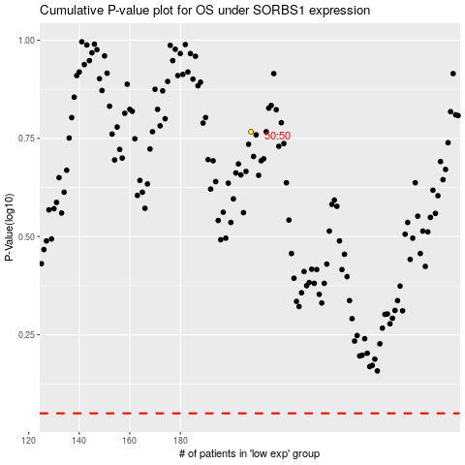

 |  |  |  |  |  | cases_OS | p_OS | rank | exp
 |  |  |  |  |  |  | cases_RFS | p_RFS | rank | exp

