SORCS1 _multivariate
Reported by Tex Li-Hsing Chi. tex@gate.sinica.edu.tw 2019-08-15

Table 2. The clinicopathological features of HNSCC cohort and SORCS1 expression. (Chi square test)
Cutoff at -0.278 (50.0%)
 |  | SORCS1 expression |  | SORCS1 expression |  | (Optimised)
 | Features | Low | (%) | High | (%) | Case no | P-value | Remark | Matthews
Gender | Female | 158 | 38.1 | 148 | 35.7 | 415 | 0.2774 | 0 | 0
2 | Male | 49 | 11.8 | 60 | 14.5
Age at diagnosis | <=65y | 127 | 30.6 | 147 | 35.4 | 415 | 0.0573 | 0 | 0
4 | >65y | 80 | 19.3 | 61 | 14.7
Clinical T Status | T1+T2 | 63 | 15.2 | 86 | 20.7 | 415 | 0.0268 | 1 | 0
6 | T3+T4 | 144 | 34.7 | 122 | 29.4
Clinical N Status | N0 | 114 | 27.5 | 102 | 24.6 | 415 | 0.2576 | 1 | 0
8 | N1-3 | 93 | 22.4 | 106 | 25.5
Clinical M Status | M0 | 204 | 49.2 | 208 | 50.1 | 415 | 0.1232 | 0 | 0
10 | M1 | 3 | 0.7 | 0 | 0
Clinical Stage | Stage I+II | 43 | 10.4 | 59 | 14.2 | 415 | 0.0925 | 0 | 0
12 | Stage III+IV | 164 | 39.5 | 149 | 35.9
Surgical Margin status | Negative | 153 | 36.9 | 165 | 39.8 | 415 | 0.2036 | 0 | 0
14 | Positive | 54 | 13 | 43 | 10.4
Tobacco Exposure | Low | 84 | 20.2 | 77 | 18.6 | 415 | 0.4816 | 0 | 0
16 | High | 123 | 29.6 | 131 | 31.6

Table 3. Univariate/Multivariate Cox's proportional hazards regression analyses on OS time of SORCS1 gene expression in HNSCC

 |  | Univariate |  |  |  | Multivariate
 | Features | HR | CI95%(L) | CI95%(H) | P-value | HR | CI95%(L) | CI95%(H) | P-value
1 | Female | 1 |  |  |  | 1
Gender | Male | 1.157 | 0.843 | 1.587 | 0.367 | 1.196 | 0.856 | 1.672 | 0.293
11 | <=65y | 1 |  |  |  | 1
Age at diagnosis | >65y | 1.329 | 0.99 | 1.784 | 0.058 | 1.412 | 1.036 | 1.925 | 0.029
12 | T1+T2 | 1 |  |  |  | 1
Clinical T Status | T3+T4 | 1.409 | 1.028 | 1.931 | 0.033 | 2.211 | 1.169 | 4.181 | 0.015
13 | N0 | 1 |  |  |  | 1
Clinical N Status | N1-3 | 1.185 | 0.89 | 1.577 | 0.246 | 1.22 | 0.852 | 1.746 | 0.278
14 | M0 | 1 |  |  |  | 1
Clinical M Status | M1 | 4.097 | 1.009 | 16.644 | 0.049 | 10.003 | 2.161 | 46.295 | 0.003
15 | Stage I+II | 1 |  |  |  | 1
Clinical Stage | Stage III+IV | 1.245 | 0.882 | 1.759 | 0.213 | 0.515 | 0.239 | 1.107 | 0.089
16 | Negative | 1 |  |  |  | 1
Surgical Margin status | Positive | 1.591 | 1.155 | 2.191 | 0.004 | 1.672 | 1.21 | 2.309 | 0.002
17 | Low | 1 |  |  |  | 1
Tobacco Exposure | High | 1.364 | 1.008 | 1.844 | 0.044 | 1.446 | 1.049 | 1.993 | 0.024
18 | Low | 1 |  |  |  | 1
RNAseq(z-score) | High | 1.056 | 0.793 | 1.406 | 0.71 | 1.114 | 0.829 | 1.498 | 0.475

Table 4. Univariate/Multivariate Cox's proportional hazards regression analyses on RFS time of SORCS1 gene expression in HNSCC

 |  | Univariate |  |  |  | Multivariate
 | Features | HR | CI95%(L) | CI95%(H) | P-value | HR | CI95%(L) | CI95%(H) | P-value
1 | Female | 1 |  |  |  | 1
Gender | Male | 1.157 | 0.843 | 1.587 | 0.367 | 1.196 | 0.856 | 1.672 | 0.293
11 | <=65y | 1 |  |  |  | 1
Age at diagnosis | >65y | 1.329 | 0.99 | 1.784 | 0.058 | 1.412 | 1.036 | 1.925 | 0.029
12 | T1+T2 | 1 |  |  |  | 1
Clinical T Status | T3+T4 | 1.409 | 1.028 | 1.931 | 0.033 | 2.211 | 1.169 | 4.181 | 0.015
13 | N0 | 1 |  |  |  | 1
Clinical N Status | N1-3 | 1.185 | 0.89 | 1.577 | 0.246 | 1.22 | 0.852 | 1.746 | 0.278
14 | M0 | 1 |  |  |  | 1
Clinical M Status | M1 | 4.097 | 1.009 | 16.644 | 0.049 | 10.003 | 2.161 | 46.295 | 0.003
15 | Stage I+II | 1 |  |  |  | 1
Clinical Stage | Stage III+IV | 1.245 | 0.882 | 1.759 | 0.213 | 0.515 | 0.239 | 1.107 | 0.089
16 | Negative | 1 |  |  |  | 1
Surgical Margin status | Positive | 1.591 | 1.155 | 2.191 | 0.004 | 1.672 | 1.21 | 2.309 | 0.002
17 | Low | 1 |  |  |  | 1
Tobacco Exposure | High | 1.364 | 1.008 | 1.844 | 0.044 | 1.446 | 1.049 | 1.993 | 0.024
18 | Low | 1 |  |  |  | 1
RNAseq(z-score) | High | 1.056 | 0.793 | 1.406 | 0.71 | 1.114 | 0.829 | 1.498 | 0.475

Kaplan-Meier survival estimate: Cutoff at -0.278 (50.0%)



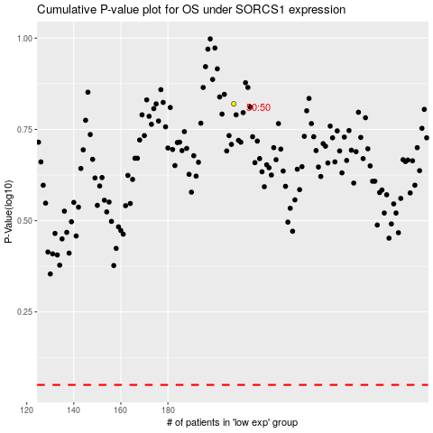

 |  |  |  |  |  | cases_OS | p_OS | rank | exp
 |  |  |  |  |  |  | cases_RFS | p_RFS | rank | exp

