SORT1 _multivariate
Reported by Tex Li-Hsing Chi. tex@gate.sinica.edu.tw 2019-08-15

Table 2. The clinicopathological features of HNSCC cohort and SORT1 expression. (Chi square test)
Cutoff at -0.328 (50.0%)
 |  | SORT1 expression |  | SORT1 expression |  | (Optimised)
 | Features | Low | (%) | High | (%) | Case no | P-value | Remark | Matthews
Gender | Female | 156 | 37.6 | 150 | 36.1 | 415 | 0.5222 | 0 | 0
2 | Male | 51 | 12.3 | 58 | 14
Age at diagnosis | <=65y | 129 | 31.1 | 145 | 34.9 | 415 | 0.1372 | 0 | 0
4 | >65y | 78 | 18.8 | 63 | 15.2
Clinical T Status | T1+T2 | 79 | 19 | 70 | 16.9 | 415 | 0.3924 | 0 | 0
6 | T3+T4 | 128 | 30.8 | 138 | 33.3
Clinical N Status | N0 | 110 | 26.5 | 106 | 25.5 | 415 | 0.7294 | 0 | 0
8 | N1-3 | 97 | 23.4 | 102 | 24.6
Clinical M Status | M0 | 204 | 49.2 | 208 | 50.1 | 415 | 0.1232 | 0 | 0
10 | M1 | 3 | 0.7 | 0 | 0
Clinical Stage | Stage I+II | 58 | 14 | 44 | 10.6 | 415 | 0.131 | 0 | 0
12 | Stage III+IV | 149 | 35.9 | 164 | 39.5
Surgical Margin status | Negative | 163 | 39.3 | 155 | 37.3 | 415 | 0.3537 | 0 | 0
14 | Positive | 44 | 10.6 | 53 | 12.8
Tobacco Exposure | Low | 81 | 19.5 | 80 | 19.3 | 415 | 0.9199 | 0 | 0
16 | High | 126 | 30.4 | 128 | 30.8

Table 3. Univariate/Multivariate Cox's proportional hazards regression analyses on OS time of SORT1 gene expression in HNSCC

 |  | Univariate |  |  |  | Multivariate
 | Features | HR | CI95%(L) | CI95%(H) | P-value | HR | CI95%(L) | CI95%(H) | P-value
1 | Female | 1 |  |  |  | 1
Gender | Male | 1.157 | 0.843 | 1.587 | 0.367 | 1.202 | 0.86 | 1.68 | 0.28
11 | <=65y | 1 |  |  |  | 1
Age at diagnosis | >65y | 1.329 | 0.99 | 1.784 | 0.058 | 1.391 | 1.023 | 1.891 | 0.035
12 | T1+T2 | 1 |  |  |  | 1
Clinical T Status | T3+T4 | 1.409 | 1.028 | 1.931 | 0.033 | 2.197 | 1.162 | 4.156 | 0.016
13 | N0 | 1 |  |  |  | 1
Clinical N Status | N1-3 | 1.185 | 0.89 | 1.577 | 0.246 | 1.24 | 0.869 | 1.769 | 0.236
14 | M0 | 1 |  |  |  | 1
Clinical M Status | M1 | 4.097 | 1.009 | 16.644 | 0.049 | 9.262 | 2.002 | 42.844 | 0.004
15 | Stage I+II | 1 |  |  |  | 1
Clinical Stage | Stage III+IV | 1.245 | 0.882 | 1.759 | 0.213 | 0.507 | 0.236 | 1.091 | 0.082
16 | Negative | 1 |  |  |  | 1
Surgical Margin status | Positive | 1.591 | 1.155 | 2.191 | 0.004 | 1.675 | 1.211 | 2.316 | 0.002
17 | Low | 1 |  |  |  | 1
Tobacco Exposure | High | 1.364 | 1.008 | 1.844 | 0.044 | 1.456 | 1.056 | 2.007 | 0.022
18 | Low | 1 |  |  |  | 1
RNAseq(z-score) | High | 0.98 | 0.736 | 1.305 | 0.889 | 0.973 | 0.727 | 1.303 | 0.857

Table 4. Univariate/Multivariate Cox's proportional hazards regression analyses on RFS time of SORT1 gene expression in HNSCC

 |  | Univariate |  |  |  | Multivariate
 | Features | HR | CI95%(L) | CI95%(H) | P-value | HR | CI95%(L) | CI95%(H) | P-value
1 | Female | 1 |  |  |  | 1
Gender | Male | 1.157 | 0.843 | 1.587 | 0.367 | 1.202 | 0.86 | 1.68 | 0.28
11 | <=65y | 1 |  |  |  | 1
Age at diagnosis | >65y | 1.329 | 0.99 | 1.784 | 0.058 | 1.391 | 1.023 | 1.891 | 0.035
12 | T1+T2 | 1 |  |  |  | 1
Clinical T Status | T3+T4 | 1.409 | 1.028 | 1.931 | 0.033 | 2.197 | 1.162 | 4.156 | 0.016
13 | N0 | 1 |  |  |  | 1
Clinical N Status | N1-3 | 1.185 | 0.89 | 1.577 | 0.246 | 1.24 | 0.869 | 1.769 | 0.236
14 | M0 | 1 |  |  |  | 1
Clinical M Status | M1 | 4.097 | 1.009 | 16.644 | 0.049 | 9.262 | 2.002 | 42.844 | 0.004
15 | Stage I+II | 1 |  |  |  | 1
Clinical Stage | Stage III+IV | 1.245 | 0.882 | 1.759 | 0.213 | 0.507 | 0.236 | 1.091 | 0.082
16 | Negative | 1 |  |  |  | 1
Surgical Margin status | Positive | 1.591 | 1.155 | 2.191 | 0.004 | 1.675 | 1.211 | 2.316 | 0.002
17 | Low | 1 |  |  |  | 1
Tobacco Exposure | High | 1.364 | 1.008 | 1.844 | 0.044 | 1.456 | 1.056 | 2.007 | 0.022
18 | Low | 1 |  |  |  | 1
RNAseq(z-score) | High | 0.98 | 0.736 | 1.305 | 0.889 | 0.973 | 0.727 | 1.303 | 0.857

Kaplan-Meier survival estimate: Cutoff at -0.328 (50.0%)



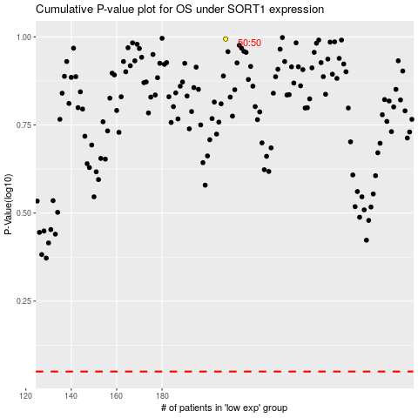

 |  |  |  |  |  | cases_OS | p_OS | rank | exp
 |  |  |  |  |  |  | cases_RFS | p_RFS | rank | exp

