SOS2 _multivariate
Reported by Tex Li-Hsing Chi. tex@gate.sinica.edu.tw 2019-08-15

Table 2. The clinicopathological features of HNSCC cohort and SOS2 expression. (Chi square test)
Cutoff at -0.149 (50.0%)
 |  | SOS2 expression |  | SOS2 expression |  | (Optimised)
 | Features | Low | (%) | High | (%) | Case no | P-value | Remark | Matthews
Gender | Female | 162 | 39 | 144 | 34.7 | 415 | 0.0479 | 1 | 0
2 | Male | 45 | 10.8 | 64 | 15.4
Age at diagnosis | <=65y | 133 | 32 | 141 | 34 | 415 | 0.5111 | 0 | 0
4 | >65y | 74 | 17.8 | 67 | 16.1
Clinical T Status | T1+T2 | 66 | 15.9 | 83 | 20 | 415 | 0.1095 | 0 | 0
6 | T3+T4 | 141 | 34 | 125 | 30.1
Clinical N Status | N0 | 100 | 24.1 | 116 | 28 | 415 | 0.1548 | 0 | 0
8 | N1-3 | 107 | 25.8 | 92 | 22.2
Clinical M Status | M0 | 206 | 49.6 | 206 | 49.6 | 415 | 1 | 0 | 0
10 | M1 | 1 | 0.2 | 2 | 0.5
Clinical Stage | Stage I+II | 42 | 10.1 | 60 | 14.5 | 415 | 0.0561 | 0 | 0
12 | Stage III+IV | 165 | 39.8 | 148 | 35.7
Surgical Margin status | Negative | 157 | 37.8 | 161 | 38.8 | 415 | 0.729 | 0 | 0
14 | Positive | 50 | 12 | 47 | 11.3
Tobacco Exposure | Low | 68 | 16.4 | 93 | 22.4 | 415 | 0.0156 | 1 | 0
16 | High | 139 | 33.5 | 115 | 27.7

Table 3. Univariate/Multivariate Cox's proportional hazards regression analyses on OS time of SOS2 gene expression in HNSCC

 |  | Univariate |  |  |  | Multivariate
 | Features | HR | CI95%(L) | CI95%(H) | P-value | HR | CI95%(L) | CI95%(H) | P-value
1 | Female | 1 |  |  |  | 1
Gender | Male | 1.157 | 0.843 | 1.587 | 0.367 | 1.204 | 0.861 | 1.683 | 0.277
11 | <=65y | 1 |  |  |  | 1
Age at diagnosis | >65y | 1.329 | 0.99 | 1.784 | 0.058 | 1.389 | 1.021 | 1.89 | 0.036
12 | T1+T2 | 1 |  |  |  | 1
Clinical T Status | T3+T4 | 1.409 | 1.028 | 1.931 | 0.033 | 2.203 | 1.165 | 4.166 | 0.015
13 | N0 | 1 |  |  |  | 1
Clinical N Status | N1-3 | 1.185 | 0.89 | 1.577 | 0.246 | 1.238 | 0.867 | 1.768 | 0.239
14 | M0 | 1 |  |  |  | 1
Clinical M Status | M1 | 4.097 | 1.009 | 16.644 | 0.049 | 9.447 | 2.06 | 43.335 | 0.004
15 | Stage I+II | 1 |  |  |  | 1
Clinical Stage | Stage III+IV | 1.245 | 0.882 | 1.759 | 0.213 | 0.503 | 0.234 | 1.081 | 0.078
16 | Negative | 1 |  |  |  | 1
Surgical Margin status | Positive | 1.591 | 1.155 | 2.191 | 0.004 | 1.668 | 1.206 | 2.306 | 0.002
17 | Low | 1 |  |  |  | 1
Tobacco Exposure | High | 1.364 | 1.008 | 1.844 | 0.044 | 1.448 | 1.048 | 1.999 | 0.025
18 | Low | 1 |  |  |  | 1
RNAseq(z-score) | High | 0.891 | 0.669 | 1.187 | 0.432 | 0.972 | 0.724 | 1.304 | 0.849

Table 4. Univariate/Multivariate Cox's proportional hazards regression analyses on RFS time of SOS2 gene expression in HNSCC

 |  | Univariate |  |  |  | Multivariate
 | Features | HR | CI95%(L) | CI95%(H) | P-value | HR | CI95%(L) | CI95%(H) | P-value
1 | Female | 1 |  |  |  | 1
Gender | Male | 1.157 | 0.843 | 1.587 | 0.367 | 1.204 | 0.861 | 1.683 | 0.277
11 | <=65y | 1 |  |  |  | 1
Age at diagnosis | >65y | 1.329 | 0.99 | 1.784 | 0.058 | 1.389 | 1.021 | 1.89 | 0.036
12 | T1+T2 | 1 |  |  |  | 1
Clinical T Status | T3+T4 | 1.409 | 1.028 | 1.931 | 0.033 | 2.203 | 1.165 | 4.166 | 0.015
13 | N0 | 1 |  |  |  | 1
Clinical N Status | N1-3 | 1.185 | 0.89 | 1.577 | 0.246 | 1.238 | 0.867 | 1.768 | 0.239
14 | M0 | 1 |  |  |  | 1
Clinical M Status | M1 | 4.097 | 1.009 | 16.644 | 0.049 | 9.447 | 2.06 | 43.335 | 0.004
15 | Stage I+II | 1 |  |  |  | 1
Clinical Stage | Stage III+IV | 1.245 | 0.882 | 1.759 | 0.213 | 0.503 | 0.234 | 1.081 | 0.078
16 | Negative | 1 |  |  |  | 1
Surgical Margin status | Positive | 1.591 | 1.155 | 2.191 | 0.004 | 1.668 | 1.206 | 2.306 | 0.002
17 | Low | 1 |  |  |  | 1
Tobacco Exposure | High | 1.364 | 1.008 | 1.844 | 0.044 | 1.448 | 1.048 | 1.999 | 0.025
18 | Low | 1 |  |  |  | 1
RNAseq(z-score) | High | 0.891 | 0.669 | 1.187 | 0.432 | 0.972 | 0.724 | 1.304 | 0.849

Kaplan-Meier survival estimate: Cutoff at -0.149 (50.0%)



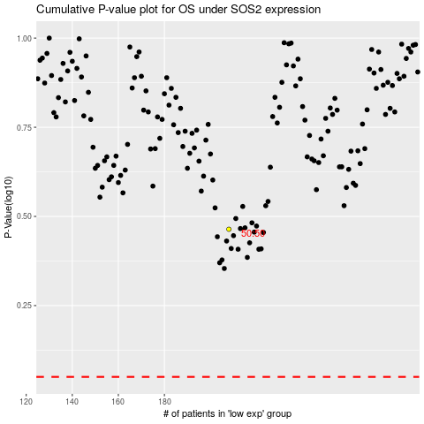

 |  |  |  |  |  | cases_OS | p_OS | rank | exp
 |  |  |  |  |  |  | cases_RFS | p_RFS | rank | exp

