SOX11 _multivariate
Reported by Tex Li-Hsing Chi. tex@gate.sinica.edu.tw 2019-08-15

Table 2. The clinicopathological features of HNSCC cohort and SOX11 expression. (Chi square test)
Cutoff at -0.177 (50.0%)
 |  | SOX11 expression |  | SOX11 expression |  | (Optimised)
 | Features | Low | (%) | High | (%) | Case no | P-value | Remark | Matthews
Gender | Female | 152 | 36.6 | 154 | 37.1 | 415 | 0.9766 | 0 | 0
2 | Male | 55 | 13.3 | 54 | 13
Age at diagnosis | <=65y | 137 | 33 | 137 | 33 | 415 | 1 | 0 | 0
4 | >65y | 70 | 16.9 | 71 | 17.1
Clinical T Status | T1+T2 | 82 | 19.8 | 67 | 16.1 | 415 | 0.1417 | 0 | 0
6 | T3+T4 | 125 | 30.1 | 141 | 34
Clinical N Status | N0 | 118 | 28.4 | 98 | 23.6 | 415 | 0.0551 | 1 | 0
8 | N1-3 | 89 | 21.4 | 110 | 26.5
Clinical M Status | M0 | 205 | 49.4 | 207 | 49.9 | 415 | 0.6232 | 0 | 0
10 | M1 | 2 | 0.5 | 1 | 0.2
Clinical Stage | Stage I+II | 55 | 13.3 | 47 | 11.3 | 415 | 0.4087 | 0 | 0
12 | Stage III+IV | 152 | 36.6 | 161 | 38.8
Surgical Margin status | Negative | 156 | 37.6 | 162 | 39 | 415 | 0.5636 | 0 | 0
14 | Positive | 51 | 12.3 | 46 | 11.1
Tobacco Exposure | Low | 81 | 19.5 | 80 | 19.3 | 415 | 0.9199 | 0 | 0
16 | High | 126 | 30.4 | 128 | 30.8

Table 3. Univariate/Multivariate Cox's proportional hazards regression analyses on OS time of SOX11 gene expression in HNSCC

 |  | Univariate |  |  |  | Multivariate
 | Features | HR | CI95%(L) | CI95%(H) | P-value | HR | CI95%(L) | CI95%(H) | P-value
1 | Female | 1 |  |  |  | 1
Gender | Male | 1.157 | 0.843 | 1.587 | 0.367 | 1.194 | 0.854 | 1.67 | 0.3
11 | <=65y | 1 |  |  |  | 1
Age at diagnosis | >65y | 1.329 | 0.99 | 1.784 | 0.058 | 1.392 | 1.024 | 1.892 | 0.035
12 | T1+T2 | 1 |  |  |  | 1
Clinical T Status | T3+T4 | 1.409 | 1.028 | 1.931 | 0.033 | 2.262 | 1.192 | 4.294 | 0.013
13 | N0 | 1 |  |  |  | 1
Clinical N Status | N1-3 | 1.185 | 0.89 | 1.577 | 0.246 | 1.267 | 0.885 | 1.813 | 0.197
14 | M0 | 1 |  |  |  | 1
Clinical M Status | M1 | 4.097 | 1.009 | 16.644 | 0.049 | 9.415 | 2.053 | 43.164 | 0.004
15 | Stage I+II | 1 |  |  |  | 1
Clinical Stage | Stage III+IV | 1.245 | 0.882 | 1.759 | 0.213 | 0.49 | 0.227 | 1.055 | 0.068
16 | Negative | 1 |  |  |  | 1
Surgical Margin status | Positive | 1.591 | 1.155 | 2.191 | 0.004 | 1.669 | 1.207 | 2.306 | 0.002
17 | Low | 1 |  |  |  | 1
Tobacco Exposure | High | 1.364 | 1.008 | 1.844 | 0.044 | 1.448 | 1.051 | 1.996 | 0.024
18 | Low | 1 |  |  |  | 1
RNAseq(z-score) | High | 0.911 | 0.684 | 1.214 | 0.525 | 0.886 | 0.662 | 1.186 | 0.416

Table 4. Univariate/Multivariate Cox's proportional hazards regression analyses on RFS time of SOX11 gene expression in HNSCC

 |  | Univariate |  |  |  | Multivariate
 | Features | HR | CI95%(L) | CI95%(H) | P-value | HR | CI95%(L) | CI95%(H) | P-value
1 | Female | 1 |  |  |  | 1
Gender | Male | 1.157 | 0.843 | 1.587 | 0.367 | 1.194 | 0.854 | 1.67 | 0.3
11 | <=65y | 1 |  |  |  | 1
Age at diagnosis | >65y | 1.329 | 0.99 | 1.784 | 0.058 | 1.392 | 1.024 | 1.892 | 0.035
12 | T1+T2 | 1 |  |  |  | 1
Clinical T Status | T3+T4 | 1.409 | 1.028 | 1.931 | 0.033 | 2.262 | 1.192 | 4.294 | 0.013
13 | N0 | 1 |  |  |  | 1
Clinical N Status | N1-3 | 1.185 | 0.89 | 1.577 | 0.246 | 1.267 | 0.885 | 1.813 | 0.197
14 | M0 | 1 |  |  |  | 1
Clinical M Status | M1 | 4.097 | 1.009 | 16.644 | 0.049 | 9.415 | 2.053 | 43.164 | 0.004
15 | Stage I+II | 1 |  |  |  | 1
Clinical Stage | Stage III+IV | 1.245 | 0.882 | 1.759 | 0.213 | 0.49 | 0.227 | 1.055 | 0.068
16 | Negative | 1 |  |  |  | 1
Surgical Margin status | Positive | 1.591 | 1.155 | 2.191 | 0.004 | 1.669 | 1.207 | 2.306 | 0.002
17 | Low | 1 |  |  |  | 1
Tobacco Exposure | High | 1.364 | 1.008 | 1.844 | 0.044 | 1.448 | 1.051 | 1.996 | 0.024
18 | Low | 1 |  |  |  | 1
RNAseq(z-score) | High | 0.911 | 0.684 | 1.214 | 0.525 | 0.886 | 0.662 | 1.186 | 0.416

Kaplan-Meier survival estimate: Cutoff at -0.177 (50.0%)



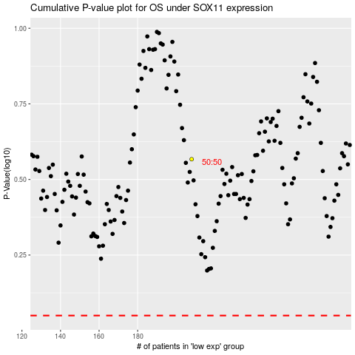

 |  |  |  |  |  | cases_OS | p_OS | rank | exp
 |  |  |  |  |  |  | cases_RFS | p_RFS | rank | exp

