SOX13 _multivariate
Reported by Tex Li-Hsing Chi. tex@gate.sinica.edu.tw 2019-08-15

Table 2. The clinicopathological features of HNSCC cohort and SOX13 expression. (Chi square test)
Cutoff at -0.331 (49.8%)
 |  | SOX13 expression |  | SOX13 expression |  | (Optimised)
 | Features | Low | (%) | High | (%) | Case no | P-value | Remark | Matthews
Gender | Female | 142 | 34.2 | 164 | 39.5 | 415 | 0.0238 | 1 | 0
2 | Male | 65 | 15.7 | 44 | 10.6
Age at diagnosis | <=65y | 135 | 32.5 | 139 | 33.5 | 415 | 0.8084 | 0 | 0
4 | >65y | 72 | 17.3 | 69 | 16.6
Clinical T Status | T1+T2 | 82 | 19.8 | 67 | 16.1 | 415 | 0.1417 | 0 | 0
6 | T3+T4 | 125 | 30.1 | 141 | 34
Clinical N Status | N0 | 116 | 28 | 100 | 24.1 | 415 | 0.1273 | 1 | 0
8 | N1-3 | 91 | 21.9 | 108 | 26
Clinical M Status | M0 | 205 | 49.4 | 207 | 49.9 | 415 | 0.6232 | 0 | 0
10 | M1 | 2 | 0.5 | 1 | 0.2
Clinical Stage | Stage I+II | 62 | 14.9 | 40 | 9.6 | 415 | 0.0154 | 1 | 0
12 | Stage III+IV | 145 | 34.9 | 168 | 40.5
Surgical Margin status | Negative | 158 | 38.1 | 160 | 38.6 | 415 | 0.9081 | 0 | 0
14 | Positive | 49 | 11.8 | 48 | 11.6
Tobacco Exposure | Low | 97 | 23.4 | 64 | 15.4 | 415 | 9e-04 | 1 | 0
16 | High | 110 | 26.5 | 144 | 34.7

Table 3. Univariate/Multivariate Cox's proportional hazards regression analyses on OS time of SOX13 gene expression in HNSCC

 |  | Univariate |  |  |  | Multivariate
 | Features | HR | CI95%(L) | CI95%(H) | P-value | HR | CI95%(L) | CI95%(H) | P-value
1 | Female | 1 |  |  |  | 1
Gender | Male | 1.157 | 0.843 | 1.587 | 0.367 | 1.233 | 0.88 | 1.728 | 0.223
11 | <=65y | 1 |  |  |  | 1
Age at diagnosis | >65y | 1.329 | 0.99 | 1.784 | 0.058 | 1.382 | 1.017 | 1.878 | 0.039
12 | T1+T2 | 1 |  |  |  | 1
Clinical T Status | T3+T4 | 1.409 | 1.028 | 1.931 | 0.033 | 2.247 | 1.188 | 4.25 | 0.013
13 | N0 | 1 |  |  |  | 1
Clinical N Status | N1-3 | 1.185 | 0.89 | 1.577 | 0.246 | 1.226 | 0.859 | 1.751 | 0.262
14 | M0 | 1 |  |  |  | 1
Clinical M Status | M1 | 4.097 | 1.009 | 16.644 | 0.049 | 10.364 | 2.243 | 47.897 | 0.003
15 | Stage I+II | 1 |  |  |  | 1
Clinical Stage | Stage III+IV | 1.245 | 0.882 | 1.759 | 0.213 | 0.48 | 0.223 | 1.035 | 0.061
16 | Negative | 1 |  |  |  | 1
Surgical Margin status | Positive | 1.591 | 1.155 | 2.191 | 0.004 | 1.703 | 1.23 | 2.356 | 0.001
17 | Low | 1 |  |  |  | 1
Tobacco Exposure | High | 1.364 | 1.008 | 1.844 | 0.044 | 1.405 | 1.017 | 1.943 | 0.039
18 | Low | 1 |  |  |  | 1
RNAseq(z-score) | High | 1.21 | 0.904 | 1.617 | 0.2 | 1.216 | 0.894 | 1.654 | 0.212

Table 4. Univariate/Multivariate Cox's proportional hazards regression analyses on RFS time of SOX13 gene expression in HNSCC

 |  | Univariate |  |  |  | Multivariate
 | Features | HR | CI95%(L) | CI95%(H) | P-value | HR | CI95%(L) | CI95%(H) | P-value
1 | Female | 1 |  |  |  | 1
Gender | Male | 1.157 | 0.843 | 1.587 | 0.367 | 1.233 | 0.88 | 1.728 | 0.223
11 | <=65y | 1 |  |  |  | 1
Age at diagnosis | >65y | 1.329 | 0.99 | 1.784 | 0.058 | 1.382 | 1.017 | 1.878 | 0.039
12 | T1+T2 | 1 |  |  |  | 1
Clinical T Status | T3+T4 | 1.409 | 1.028 | 1.931 | 0.033 | 2.247 | 1.188 | 4.25 | 0.013
13 | N0 | 1 |  |  |  | 1
Clinical N Status | N1-3 | 1.185 | 0.89 | 1.577 | 0.246 | 1.226 | 0.859 | 1.751 | 0.262
14 | M0 | 1 |  |  |  | 1
Clinical M Status | M1 | 4.097 | 1.009 | 16.644 | 0.049 | 10.364 | 2.243 | 47.897 | 0.003
15 | Stage I+II | 1 |  |  |  | 1
Clinical Stage | Stage III+IV | 1.245 | 0.882 | 1.759 | 0.213 | 0.48 | 0.223 | 1.035 | 0.061
16 | Negative | 1 |  |  |  | 1
Surgical Margin status | Positive | 1.591 | 1.155 | 2.191 | 0.004 | 1.703 | 1.23 | 2.356 | 0.001
17 | Low | 1 |  |  |  | 1
Tobacco Exposure | High | 1.364 | 1.008 | 1.844 | 0.044 | 1.405 | 1.017 | 1.943 | 0.039
18 | Low | 1 |  |  |  | 1
RNAseq(z-score) | High | 1.21 | 0.904 | 1.617 | 0.2 | 1.216 | 0.894 | 1.654 | 0.212

Kaplan-Meier survival estimate: Cutoff at -0.331 (49.8%)



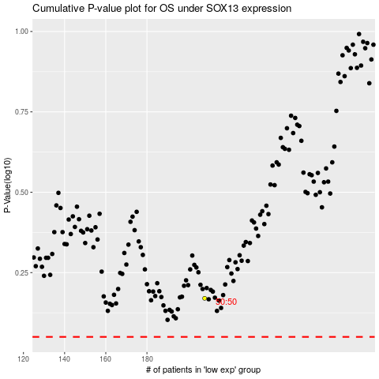

 |  |  |  |  |  | cases_OS | p_OS | rank | exp
 |  |  |  |  |  |  | cases_RFS | p_RFS | rank | exp

