SOX15 _multivariate
Reported by Tex Li-Hsing Chi. tex@gate.sinica.edu.tw 2019-08-15

Table 2. The clinicopathological features of HNSCC cohort and SOX15 expression. (Chi square test)
Cutoff at -0.029 (50.0%)
 |  | SOX15 expression |  | SOX15 expression |  | (Optimised)
 | Features | Low | (%) | High | (%) | Case no | P-value | Remark | Matthews
Gender | Female | 154 | 37.1 | 152 | 36.6 | 415 | 0.8463 | 0 | 0
2 | Male | 53 | 12.8 | 56 | 13.5
Age at diagnosis | <=65y | 142 | 34.2 | 132 | 31.8 | 415 | 0.3167 | 0 | 0
4 | >65y | 65 | 15.7 | 76 | 18.3
Clinical T Status | T1+T2 | 80 | 19.3 | 69 | 16.6 | 415 | 0.2891 | 0 | 0
6 | T3+T4 | 127 | 30.6 | 139 | 33.5
Clinical N Status | N0 | 105 | 25.3 | 111 | 26.7 | 415 | 0.6598 | 0 | 0
8 | N1-3 | 102 | 24.6 | 97 | 23.4
Clinical M Status | M0 | 206 | 49.6 | 206 | 49.6 | 415 | 1 | 0 | 0
10 | M1 | 1 | 0.2 | 2 | 0.5
Clinical Stage | Stage I+II | 49 | 11.8 | 53 | 12.8 | 415 | 0.7535 | 0 | 0
12 | Stage III+IV | 158 | 38.1 | 155 | 37.3
Surgical Margin status | Negative | 155 | 37.3 | 163 | 39.3 | 415 | 0.4187 | 0 | 0
14 | Positive | 52 | 12.5 | 45 | 10.8
Tobacco Exposure | Low | 80 | 19.3 | 81 | 19.5 | 415 | 1 | 0 | 0
16 | High | 127 | 30.6 | 127 | 30.6

Table 3. Univariate/Multivariate Cox's proportional hazards regression analyses on OS time of SOX15 gene expression in HNSCC

 |  | Univariate |  |  |  | Multivariate
 | Features | HR | CI95%(L) | CI95%(H) | P-value | HR | CI95%(L) | CI95%(H) | P-value
1 | Female | 1 |  |  |  | 1
Gender | Male | 1.157 | 0.843 | 1.587 | 0.367 | 1.206 | 0.863 | 1.687 | 0.273
11 | <=65y | 1 |  |  |  | 1
Age at diagnosis | >65y | 1.329 | 0.99 | 1.784 | 0.058 | 1.396 | 1.026 | 1.899 | 0.034
12 | T1+T2 | 1 |  |  |  | 1
Clinical T Status | T3+T4 | 1.409 | 1.028 | 1.931 | 0.033 | 2.215 | 1.17 | 4.193 | 0.015
13 | N0 | 1 |  |  |  | 1
Clinical N Status | N1-3 | 1.185 | 0.89 | 1.577 | 0.246 | 1.24 | 0.869 | 1.77 | 0.236
14 | M0 | 1 |  |  |  | 1
Clinical M Status | M1 | 4.097 | 1.009 | 16.644 | 0.049 | 9.595 | 2.081 | 44.248 | 0.004
15 | Stage I+II | 1 |  |  |  | 1
Clinical Stage | Stage III+IV | 1.245 | 0.882 | 1.759 | 0.213 | 0.5 | 0.233 | 1.076 | 0.076
16 | Negative | 1 |  |  |  | 1
Surgical Margin status | Positive | 1.591 | 1.155 | 2.191 | 0.004 | 1.667 | 1.205 | 2.304 | 0.002
17 | Low | 1 |  |  |  | 1
Tobacco Exposure | High | 1.364 | 1.008 | 1.844 | 0.044 | 1.454 | 1.056 | 2.003 | 0.022
18 | Low | 1 |  |  |  | 1
RNAseq(z-score) | High | 1.01 | 0.758 | 1.346 | 0.945 | 0.958 | 0.715 | 1.284 | 0.776

Table 4. Univariate/Multivariate Cox's proportional hazards regression analyses on RFS time of SOX15 gene expression in HNSCC

 |  | Univariate |  |  |  | Multivariate
 | Features | HR | CI95%(L) | CI95%(H) | P-value | HR | CI95%(L) | CI95%(H) | P-value
1 | Female | 1 |  |  |  | 1
Gender | Male | 1.157 | 0.843 | 1.587 | 0.367 | 1.206 | 0.863 | 1.687 | 0.273
11 | <=65y | 1 |  |  |  | 1
Age at diagnosis | >65y | 1.329 | 0.99 | 1.784 | 0.058 | 1.396 | 1.026 | 1.899 | 0.034
12 | T1+T2 | 1 |  |  |  | 1
Clinical T Status | T3+T4 | 1.409 | 1.028 | 1.931 | 0.033 | 2.215 | 1.17 | 4.193 | 0.015
13 | N0 | 1 |  |  |  | 1
Clinical N Status | N1-3 | 1.185 | 0.89 | 1.577 | 0.246 | 1.24 | 0.869 | 1.77 | 0.236
14 | M0 | 1 |  |  |  | 1
Clinical M Status | M1 | 4.097 | 1.009 | 16.644 | 0.049 | 9.595 | 2.081 | 44.248 | 0.004
15 | Stage I+II | 1 |  |  |  | 1
Clinical Stage | Stage III+IV | 1.245 | 0.882 | 1.759 | 0.213 | 0.5 | 0.233 | 1.076 | 0.076
16 | Negative | 1 |  |  |  | 1
Surgical Margin status | Positive | 1.591 | 1.155 | 2.191 | 0.004 | 1.667 | 1.205 | 2.304 | 0.002
17 | Low | 1 |  |  |  | 1
Tobacco Exposure | High | 1.364 | 1.008 | 1.844 | 0.044 | 1.454 | 1.056 | 2.003 | 0.022
18 | Low | 1 |  |  |  | 1
RNAseq(z-score) | High | 1.01 | 0.758 | 1.346 | 0.945 | 0.958 | 0.715 | 1.284 | 0.776

Kaplan-Meier survival estimate: Cutoff at -0.029 (50.0%)

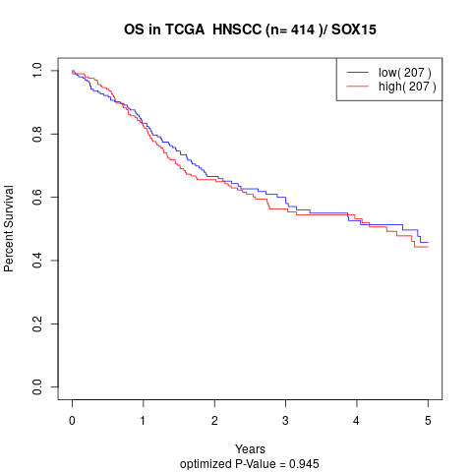

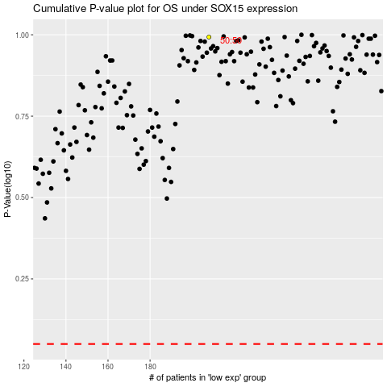

 |  |  |  |  |  | cases_OS | p_OS | rank | exp
 |  |  |  |  |  |  | cases_RFS | p_RFS | rank | exp

