SOX17 _multivariate
Reported by Tex Li-Hsing Chi. tex@gate.sinica.edu.tw 2019-08-15

Table 2. The clinicopathological features of HNSCC cohort and SOX17 expression. (Chi square test)
Cutoff at -0.25 (49.8%)
 |  | SOX17 expression |  | SOX17 expression |  | (Optimised)
 | Features | Low | (%) | High | (%) | Case no | P-value | Remark | Matthews
Gender | Female | 151 | 36.4 | 155 | 37.3 | 415 | 0.8007 | 0 | 0
2 | Male | 56 | 13.5 | 53 | 12.8
Age at diagnosis | <=65y | 132 | 31.8 | 142 | 34.2 | 415 | 0.3874 | 0 | 0
4 | >65y | 75 | 18.1 | 66 | 15.9
Clinical T Status | T1+T2 | 64 | 15.4 | 85 | 20.5 | 415 | 0.0445 | 1 | 0
6 | T3+T4 | 143 | 34.5 | 123 | 29.6
Clinical N Status | N0 | 106 | 25.5 | 110 | 26.5 | 415 | 0.8075 | 0 | 0
8 | N1-3 | 101 | 24.3 | 98 | 23.6
Clinical M Status | M0 | 205 | 49.4 | 207 | 49.9 | 415 | 0.6232 | 0 | 0
10 | M1 | 2 | 0.5 | 1 | 0.2
Clinical Stage | Stage I+II | 43 | 10.4 | 59 | 14.2 | 415 | 0.0925 | 0 | 0
12 | Stage III+IV | 164 | 39.5 | 149 | 35.9
Surgical Margin status | Negative | 160 | 38.6 | 158 | 38.1 | 415 | 0.8167 | 0 | 0
14 | Positive | 47 | 11.3 | 50 | 12
Tobacco Exposure | Low | 76 | 18.3 | 85 | 20.5 | 415 | 0.4207 | 0 | 0
16 | High | 131 | 31.6 | 123 | 29.6

Table 3. Univariate/Multivariate Cox's proportional hazards regression analyses on OS time of SOX17 gene expression in HNSCC

 |  | Univariate |  |  |  | Multivariate
 | Features | HR | CI95%(L) | CI95%(H) | P-value | HR | CI95%(L) | CI95%(H) | P-value
1 | Female | 1 |  |  |  | 1
Gender | Male | 1.157 | 0.843 | 1.587 | 0.367 | 1.2 | 0.859 | 1.677 | 0.284
11 | <=65y | 1 |  |  |  | 1
Age at diagnosis | >65y | 1.329 | 0.99 | 1.784 | 0.058 | 1.385 | 1.018 | 1.883 | 0.038
12 | T1+T2 | 1 |  |  |  | 1
Clinical T Status | T3+T4 | 1.409 | 1.028 | 1.931 | 0.033 | 2.206 | 1.167 | 4.173 | 0.015
13 | N0 | 1 |  |  |  | 1
Clinical N Status | N1-3 | 1.185 | 0.89 | 1.577 | 0.246 | 1.24 | 0.869 | 1.769 | 0.235
14 | M0 | 1 |  |  |  | 1
Clinical M Status | M1 | 4.097 | 1.009 | 16.644 | 0.049 | 9.393 | 2.049 | 43.063 | 0.004
15 | Stage I+II | 1 |  |  |  | 1
Clinical Stage | Stage III+IV | 1.245 | 0.882 | 1.759 | 0.213 | 0.5 | 0.233 | 1.074 | 0.076
16 | Negative | 1 |  |  |  | 1
Surgical Margin status | Positive | 1.591 | 1.155 | 2.191 | 0.004 | 1.688 | 1.219 | 2.339 | 0.002
17 | Low | 1 |  |  |  | 1
Tobacco Exposure | High | 1.364 | 1.008 | 1.844 | 0.044 | 1.45 | 1.053 | 1.999 | 0.023
18 | Low | 1 |  |  |  | 1
RNAseq(z-score) | High | 0.929 | 0.697 | 1.239 | 0.617 | 0.929 | 0.694 | 1.243 | 0.619

Table 4. Univariate/Multivariate Cox's proportional hazards regression analyses on RFS time of SOX17 gene expression in HNSCC

 |  | Univariate |  |  |  | Multivariate
 | Features | HR | CI95%(L) | CI95%(H) | P-value | HR | CI95%(L) | CI95%(H) | P-value
1 | Female | 1 |  |  |  | 1
Gender | Male | 1.157 | 0.843 | 1.587 | 0.367 | 1.2 | 0.859 | 1.677 | 0.284
11 | <=65y | 1 |  |  |  | 1
Age at diagnosis | >65y | 1.329 | 0.99 | 1.784 | 0.058 | 1.385 | 1.018 | 1.883 | 0.038
12 | T1+T2 | 1 |  |  |  | 1
Clinical T Status | T3+T4 | 1.409 | 1.028 | 1.931 | 0.033 | 2.206 | 1.167 | 4.173 | 0.015
13 | N0 | 1 |  |  |  | 1
Clinical N Status | N1-3 | 1.185 | 0.89 | 1.577 | 0.246 | 1.24 | 0.869 | 1.769 | 0.235
14 | M0 | 1 |  |  |  | 1
Clinical M Status | M1 | 4.097 | 1.009 | 16.644 | 0.049 | 9.393 | 2.049 | 43.063 | 0.004
15 | Stage I+II | 1 |  |  |  | 1
Clinical Stage | Stage III+IV | 1.245 | 0.882 | 1.759 | 0.213 | 0.5 | 0.233 | 1.074 | 0.076
16 | Negative | 1 |  |  |  | 1
Surgical Margin status | Positive | 1.591 | 1.155 | 2.191 | 0.004 | 1.688 | 1.219 | 2.339 | 0.002
17 | Low | 1 |  |  |  | 1
Tobacco Exposure | High | 1.364 | 1.008 | 1.844 | 0.044 | 1.45 | 1.053 | 1.999 | 0.023
18 | Low | 1 |  |  |  | 1
RNAseq(z-score) | High | 0.929 | 0.697 | 1.239 | 0.617 | 0.929 | 0.694 | 1.243 | 0.619

Kaplan-Meier survival estimate: Cutoff at -0.25 (49.8%)



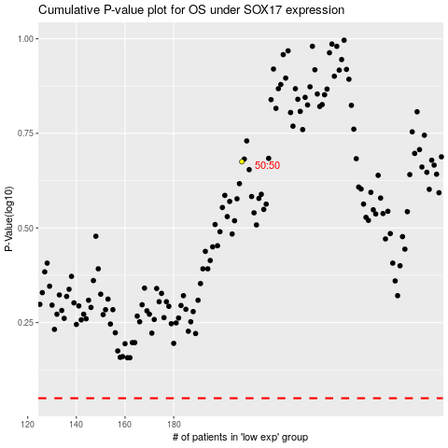

 |  |  |  |  |  | cases_OS | p_OS | rank | exp
 |  |  |  |  |  |  | cases_RFS | p_RFS | rank | exp

