SOX2 _multivariate
Reported by Tex Li-Hsing Chi. tex@gate.sinica.edu.tw 2019-08-15

Table 2. The clinicopathological features of HNSCC cohort and SOX2 expression. (Chi square test)
Cutoff at -0.427 (49.8%)
 |  | SOX2 expression |  | SOX2 expression |  | (Optimised)
 | Features | Low | (%) | High | (%) | Case no | P-value | Remark | Matthews
Gender | Female | 144 | 34.7 | 162 | 39 | 415 | 0.0697 | 0 | 0
2 | Male | 63 | 15.2 | 46 | 11.1
Age at diagnosis | <=65y | 133 | 32 | 141 | 34 | 415 | 0.5111 | 0 | 0
4 | >65y | 74 | 17.8 | 67 | 16.1
Clinical T Status | T1+T2 | 79 | 19 | 70 | 16.9 | 415 | 0.3924 | 0 | 0
6 | T3+T4 | 128 | 30.8 | 138 | 33.3
Clinical N Status | N0 | 109 | 26.3 | 107 | 25.8 | 415 | 0.8812 | 0 | 0
8 | N1-3 | 98 | 23.6 | 101 | 24.3
Clinical M Status | M0 | 205 | 49.4 | 207 | 49.9 | 415 | 0.6232 | 0 | 0
10 | M1 | 2 | 0.5 | 1 | 0.2
Clinical Stage | Stage I+II | 58 | 14 | 44 | 10.6 | 415 | 0.131 | 0 | 0
12 | Stage III+IV | 149 | 35.9 | 164 | 39.5
Surgical Margin status | Negative | 160 | 38.6 | 158 | 38.1 | 415 | 0.8167 | 0 | 0
14 | Positive | 47 | 11.3 | 50 | 12
Tobacco Exposure | Low | 96 | 23.1 | 65 | 15.7 | 415 | 0.0018 | 1 | 0
16 | High | 111 | 26.7 | 143 | 34.5

Table 3. Univariate/Multivariate Cox's proportional hazards regression analyses on OS time of SOX2 gene expression in HNSCC

 |  | Univariate |  |  |  | Multivariate
 | Features | HR | CI95%(L) | CI95%(H) | P-value | HR | CI95%(L) | CI95%(H) | P-value
1 | Female | 1 |  |  |  | 1
Gender | Male | 1.157 | 0.843 | 1.587 | 0.367 | 1.176 | 0.84 | 1.646 | 0.345
11 | <=65y | 1 |  |  |  | 1
Age at diagnosis | >65y | 1.329 | 0.99 | 1.784 | 0.058 | 1.389 | 1.021 | 1.89 | 0.037
12 | T1+T2 | 1 |  |  |  | 1
Clinical T Status | T3+T4 | 1.409 | 1.028 | 1.931 | 0.033 | 2.165 | 1.145 | 4.094 | 0.017
13 | N0 | 1 |  |  |  | 1
Clinical N Status | N1-3 | 1.185 | 0.89 | 1.577 | 0.246 | 1.235 | 0.865 | 1.763 | 0.245
14 | M0 | 1 |  |  |  | 1
Clinical M Status | M1 | 4.097 | 1.009 | 16.644 | 0.049 | 8.602 | 1.866 | 39.642 | 0.006
15 | Stage I+II | 1 |  |  |  | 1
Clinical Stage | Stage III+IV | 1.245 | 0.882 | 1.759 | 0.213 | 0.533 | 0.247 | 1.151 | 0.109
16 | Negative | 1 |  |  |  | 1
Surgical Margin status | Positive | 1.591 | 1.155 | 2.191 | 0.004 | 1.653 | 1.197 | 2.284 | 0.002
17 | Low | 1 |  |  |  | 1
Tobacco Exposure | High | 1.364 | 1.008 | 1.844 | 0.044 | 1.518 | 1.094 | 2.105 | 0.012
18 | Low | 1 |  |  |  | 1
RNAseq(z-score) | High | 0.843 | 0.633 | 1.124 | 0.244 | 0.812 | 0.6 | 1.099 | 0.178

Table 4. Univariate/Multivariate Cox's proportional hazards regression analyses on RFS time of SOX2 gene expression in HNSCC

 |  | Univariate |  |  |  | Multivariate
 | Features | HR | CI95%(L) | CI95%(H) | P-value | HR | CI95%(L) | CI95%(H) | P-value
1 | Female | 1 |  |  |  | 1
Gender | Male | 1.157 | 0.843 | 1.587 | 0.367 | 1.176 | 0.84 | 1.646 | 0.345
11 | <=65y | 1 |  |  |  | 1
Age at diagnosis | >65y | 1.329 | 0.99 | 1.784 | 0.058 | 1.389 | 1.021 | 1.89 | 0.037
12 | T1+T2 | 1 |  |  |  | 1
Clinical T Status | T3+T4 | 1.409 | 1.028 | 1.931 | 0.033 | 2.165 | 1.145 | 4.094 | 0.017
13 | N0 | 1 |  |  |  | 1
Clinical N Status | N1-3 | 1.185 | 0.89 | 1.577 | 0.246 | 1.235 | 0.865 | 1.763 | 0.245
14 | M0 | 1 |  |  |  | 1
Clinical M Status | M1 | 4.097 | 1.009 | 16.644 | 0.049 | 8.602 | 1.866 | 39.642 | 0.006
15 | Stage I+II | 1 |  |  |  | 1
Clinical Stage | Stage III+IV | 1.245 | 0.882 | 1.759 | 0.213 | 0.533 | 0.247 | 1.151 | 0.109
16 | Negative | 1 |  |  |  | 1
Surgical Margin status | Positive | 1.591 | 1.155 | 2.191 | 0.004 | 1.653 | 1.197 | 2.284 | 0.002
17 | Low | 1 |  |  |  | 1
Tobacco Exposure | High | 1.364 | 1.008 | 1.844 | 0.044 | 1.518 | 1.094 | 2.105 | 0.012
18 | Low | 1 |  |  |  | 1
RNAseq(z-score) | High | 0.843 | 0.633 | 1.124 | 0.244 | 0.812 | 0.6 | 1.099 | 0.178

Kaplan-Meier survival estimate: Cutoff at -0.427 (49.8%)



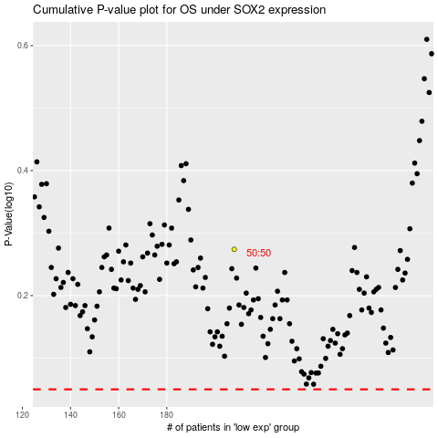

 |  |  |  |  |  | cases_OS | p_OS | rank | exp
 |  |  |  |  |  |  | cases_RFS | p_RFS | rank | exp

