SOX5 _multivariate
Reported by Tex Li-Hsing Chi. tex@gate.sinica.edu.tw 2019-08-15

Table 2. The clinicopathological features of HNSCC cohort and SOX5 expression. (Chi square test)
Cutoff at -0.341 (49.8%)
 |  | SOX5 expression |  | SOX5 expression |  | (Optimised)
 | Features | Low | (%) | High | (%) | Case no | P-value | Remark | Matthews
Gender | Female | 155 | 37.3 | 151 | 36.4 | 415 | 0.6768 | 0 | 0
2 | Male | 52 | 12.5 | 57 | 13.7
Age at diagnosis | <=65y | 143 | 34.5 | 131 | 31.6 | 415 | 0.2269 | 0 | 0
4 | >65y | 64 | 15.4 | 77 | 18.6
Clinical T Status | T1+T2 | 74 | 17.8 | 75 | 18.1 | 415 | 1 | 0 | 0
6 | T3+T4 | 133 | 32 | 133 | 32
Clinical N Status | N0 | 103 | 24.8 | 113 | 27.2 | 415 | 0.4047 | 0 | 0
8 | N1-3 | 104 | 25.1 | 95 | 22.9
Clinical M Status | M0 | 204 | 49.2 | 208 | 50.1 | 415 | 0.1232 | 0 | 0
10 | M1 | 3 | 0.7 | 0 | 0
Clinical Stage | Stage I+II | 50 | 12 | 52 | 12.5 | 415 | 0.9315 | 0 | 0
12 | Stage III+IV | 157 | 37.8 | 156 | 37.6
Surgical Margin status | Negative | 153 | 36.9 | 165 | 39.8 | 415 | 0.2036 | 0 | 0
14 | Positive | 54 | 13 | 43 | 10.4
Tobacco Exposure | Low | 86 | 20.7 | 75 | 18.1 | 415 | 0.2687 | 0 | 0
16 | High | 121 | 29.2 | 133 | 32

Table 3. Univariate/Multivariate Cox's proportional hazards regression analyses on OS time of SOX5 gene expression in HNSCC

 |  | Univariate |  |  |  | Multivariate
 | Features | HR | CI95%(L) | CI95%(H) | P-value | HR | CI95%(L) | CI95%(H) | P-value
1 | Female | 1 |  |  |  | 1
Gender | Male | 1.157 | 0.843 | 1.587 | 0.367 | 1.209 | 0.865 | 1.689 | 0.267
11 | <=65y | 1 |  |  |  | 1
Age at diagnosis | >65y | 1.329 | 0.99 | 1.784 | 0.058 | 1.409 | 1.034 | 1.918 | 0.03
12 | T1+T2 | 1 |  |  |  | 1
Clinical T Status | T3+T4 | 1.409 | 1.028 | 1.931 | 0.033 | 2.188 | 1.157 | 4.138 | 0.016
13 | N0 | 1 |  |  |  | 1
Clinical N Status | N1-3 | 1.185 | 0.89 | 1.577 | 0.246 | 1.233 | 0.864 | 1.759 | 0.249
14 | M0 | 1 |  |  |  | 1
Clinical M Status | M1 | 4.097 | 1.009 | 16.644 | 0.049 | 8.801 | 1.906 | 40.633 | 0.005
15 | Stage I+II | 1 |  |  |  | 1
Clinical Stage | Stage III+IV | 1.245 | 0.882 | 1.759 | 0.213 | 0.513 | 0.239 | 1.101 | 0.087
16 | Negative | 1 |  |  |  | 1
Surgical Margin status | Positive | 1.591 | 1.155 | 2.191 | 0.004 | 1.642 | 1.185 | 2.274 | 0.003
17 | Low | 1 |  |  |  | 1
Tobacco Exposure | High | 1.364 | 1.008 | 1.844 | 0.044 | 1.469 | 1.064 | 2.027 | 0.019
18 | Low | 1 |  |  |  | 1
RNAseq(z-score) | High | 0.862 | 0.646 | 1.149 | 0.311 | 0.879 | 0.654 | 1.18 | 0.39

Table 4. Univariate/Multivariate Cox's proportional hazards regression analyses on RFS time of SOX5 gene expression in HNSCC

 |  | Univariate |  |  |  | Multivariate
 | Features | HR | CI95%(L) | CI95%(H) | P-value | HR | CI95%(L) | CI95%(H) | P-value
1 | Female | 1 |  |  |  | 1
Gender | Male | 1.157 | 0.843 | 1.587 | 0.367 | 1.209 | 0.865 | 1.689 | 0.267
11 | <=65y | 1 |  |  |  | 1
Age at diagnosis | >65y | 1.329 | 0.99 | 1.784 | 0.058 | 1.409 | 1.034 | 1.918 | 0.03
12 | T1+T2 | 1 |  |  |  | 1
Clinical T Status | T3+T4 | 1.409 | 1.028 | 1.931 | 0.033 | 2.188 | 1.157 | 4.138 | 0.016
13 | N0 | 1 |  |  |  | 1
Clinical N Status | N1-3 | 1.185 | 0.89 | 1.577 | 0.246 | 1.233 | 0.864 | 1.759 | 0.249
14 | M0 | 1 |  |  |  | 1
Clinical M Status | M1 | 4.097 | 1.009 | 16.644 | 0.049 | 8.801 | 1.906 | 40.633 | 0.005
15 | Stage I+II | 1 |  |  |  | 1
Clinical Stage | Stage III+IV | 1.245 | 0.882 | 1.759 | 0.213 | 0.513 | 0.239 | 1.101 | 0.087
16 | Negative | 1 |  |  |  | 1
Surgical Margin status | Positive | 1.591 | 1.155 | 2.191 | 0.004 | 1.642 | 1.185 | 2.274 | 0.003
17 | Low | 1 |  |  |  | 1
Tobacco Exposure | High | 1.364 | 1.008 | 1.844 | 0.044 | 1.469 | 1.064 | 2.027 | 0.019
18 | Low | 1 |  |  |  | 1
RNAseq(z-score) | High | 0.862 | 0.646 | 1.149 | 0.311 | 0.879 | 0.654 | 1.18 | 0.39

Kaplan-Meier survival estimate: Cutoff at -0.341 (49.8%)



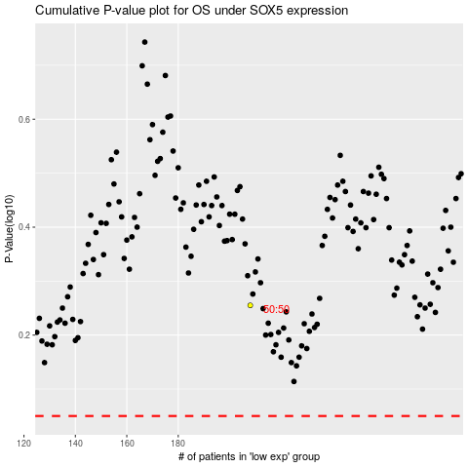

 |  |  |  |  |  | cases_OS | p_OS | rank | exp
 |  |  |  |  |  |  | cases_RFS | p_RFS | rank | exp

