SOX7 _multivariate
Reported by Tex Li-Hsing Chi. tex@gate.sinica.edu.tw 2019-08-15

Table 2. The clinicopathological features of HNSCC cohort and SOX7 expression. (Chi square test)
Cutoff at -0.217 (49.8%)
 |  | SOX7 expression |  | SOX7 expression |  | (Optimised)
 | Features | Low | (%) | High | (%) | Case no | P-value | Remark | Matthews
Gender | Female | 158 | 38.1 | 148 | 35.7 | 415 | 0.2774 | 0 | 0
2 | Male | 49 | 11.8 | 60 | 14.5
Age at diagnosis | <=65y | 142 | 34.2 | 132 | 31.8 | 415 | 0.3167 | 0 | 0
4 | >65y | 65 | 15.7 | 76 | 18.3
Clinical T Status | T1+T2 | 78 | 18.8 | 71 | 17.1 | 415 | 0.5152 | 0 | 0
6 | T3+T4 | 129 | 31.1 | 137 | 33
Clinical N Status | N0 | 103 | 24.8 | 113 | 27.2 | 415 | 0.4047 | 0 | 0
8 | N1-3 | 104 | 25.1 | 95 | 22.9
Clinical M Status | M0 | 205 | 49.4 | 207 | 49.9 | 415 | 0.6232 | 0 | 0
10 | M1 | 2 | 0.5 | 1 | 0.2
Clinical Stage | Stage I+II | 50 | 12 | 52 | 12.5 | 415 | 0.9315 | 0 | 0
12 | Stage III+IV | 157 | 37.8 | 156 | 37.6
Surgical Margin status | Negative | 150 | 36.1 | 168 | 40.5 | 415 | 0.0492 | 1 | 0
14 | Positive | 57 | 13.7 | 40 | 9.6
Tobacco Exposure | Low | 70 | 16.9 | 91 | 21.9 | 415 | 0.0439 | 1 | 0
16 | High | 137 | 33 | 117 | 28.2

Table 3. Univariate/Multivariate Cox's proportional hazards regression analyses on OS time of SOX7 gene expression in HNSCC

 |  | Univariate |  |  |  | Multivariate
 | Features | HR | CI95%(L) | CI95%(H) | P-value | HR | CI95%(L) | CI95%(H) | P-value
1 | Female | 1 |  |  |  | 1
Gender | Male | 1.157 | 0.843 | 1.587 | 0.367 | 1.201 | 0.86 | 1.677 | 0.283
11 | <=65y | 1 |  |  |  | 1
Age at diagnosis | >65y | 1.329 | 0.99 | 1.784 | 0.058 | 1.386 | 1.019 | 1.884 | 0.038
12 | T1+T2 | 1 |  |  |  | 1
Clinical T Status | T3+T4 | 1.409 | 1.028 | 1.931 | 0.033 | 2.217 | 1.172 | 4.195 | 0.014
13 | N0 | 1 |  |  |  | 1
Clinical N Status | N1-3 | 1.185 | 0.89 | 1.577 | 0.246 | 1.25 | 0.876 | 1.785 | 0.219
14 | M0 | 1 |  |  |  | 1
Clinical M Status | M1 | 4.097 | 1.009 | 16.644 | 0.049 | 9.568 | 2.085 | 43.911 | 0.004
15 | Stage I+II | 1 |  |  |  | 1
Clinical Stage | Stage III+IV | 1.245 | 0.882 | 1.759 | 0.213 | 0.496 | 0.231 | 1.068 | 0.073
16 | Negative | 1 |  |  |  | 1
Surgical Margin status | Positive | 1.591 | 1.155 | 2.191 | 0.004 | 1.702 | 1.226 | 2.363 | 0.001
17 | Low | 1 |  |  |  | 1
Tobacco Exposure | High | 1.364 | 1.008 | 1.844 | 0.044 | 1.455 | 1.056 | 2.006 | 0.022
18 | Low | 1 |  |  |  | 1
RNAseq(z-score) | High | 1.036 | 0.778 | 1.379 | 0.809 | 1.104 | 0.825 | 1.478 | 0.506

Table 4. Univariate/Multivariate Cox's proportional hazards regression analyses on RFS time of SOX7 gene expression in HNSCC

 |  | Univariate |  |  |  | Multivariate
 | Features | HR | CI95%(L) | CI95%(H) | P-value | HR | CI95%(L) | CI95%(H) | P-value
1 | Female | 1 |  |  |  | 1
Gender | Male | 1.157 | 0.843 | 1.587 | 0.367 | 1.201 | 0.86 | 1.677 | 0.283
11 | <=65y | 1 |  |  |  | 1
Age at diagnosis | >65y | 1.329 | 0.99 | 1.784 | 0.058 | 1.386 | 1.019 | 1.884 | 0.038
12 | T1+T2 | 1 |  |  |  | 1
Clinical T Status | T3+T4 | 1.409 | 1.028 | 1.931 | 0.033 | 2.217 | 1.172 | 4.195 | 0.014
13 | N0 | 1 |  |  |  | 1
Clinical N Status | N1-3 | 1.185 | 0.89 | 1.577 | 0.246 | 1.25 | 0.876 | 1.785 | 0.219
14 | M0 | 1 |  |  |  | 1
Clinical M Status | M1 | 4.097 | 1.009 | 16.644 | 0.049 | 9.568 | 2.085 | 43.911 | 0.004
15 | Stage I+II | 1 |  |  |  | 1
Clinical Stage | Stage III+IV | 1.245 | 0.882 | 1.759 | 0.213 | 0.496 | 0.231 | 1.068 | 0.073
16 | Negative | 1 |  |  |  | 1
Surgical Margin status | Positive | 1.591 | 1.155 | 2.191 | 0.004 | 1.702 | 1.226 | 2.363 | 0.001
17 | Low | 1 |  |  |  | 1
Tobacco Exposure | High | 1.364 | 1.008 | 1.844 | 0.044 | 1.455 | 1.056 | 2.006 | 0.022
18 | Low | 1 |  |  |  | 1
RNAseq(z-score) | High | 1.036 | 0.778 | 1.379 | 0.809 | 1.104 | 0.825 | 1.478 | 0.506

Kaplan-Meier survival estimate: Cutoff at -0.217 (49.8%)



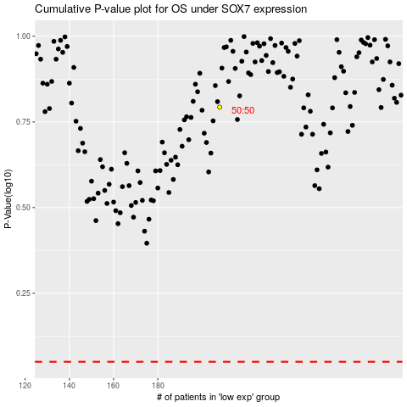

 |  |  |  |  |  | cases_OS | p_OS | rank | exp
 |  |  |  |  |  |  | cases_RFS | p_RFS | rank | exp

