SP110 _multivariate
Reported by Tex Li-Hsing Chi. tex@gate.sinica.edu.tw 2019-08-15

Table 2. The clinicopathological features of HNSCC cohort and SP110 expression. (Chi square test)
Cutoff at -0.247 (50.0%)
 |  | SP110 expression |  | SP110 expression |  | (Optimised)
 | Features | Low | (%) | High | (%) | Case no | P-value | Remark | Matthews
Gender | Female | 164 | 39.5 | 142 | 34.2 | 415 | 0.0153 | 1 | 0
2 | Male | 43 | 10.4 | 66 | 15.9
Age at diagnosis | <=65y | 144 | 34.7 | 130 | 31.3 | 415 | 0.1568 | 0 | 0
4 | >65y | 63 | 15.2 | 78 | 18.8
Clinical T Status | T1+T2 | 67 | 16.1 | 82 | 19.8 | 415 | 0.1628 | 0 | 0
6 | T3+T4 | 140 | 33.7 | 126 | 30.4
Clinical N Status | N0 | 110 | 26.5 | 106 | 25.5 | 415 | 0.7294 | 0 | 0
8 | N1-3 | 97 | 23.4 | 102 | 24.6
Clinical M Status | M0 | 207 | 49.9 | 205 | 49.4 | 415 | 0.2482 | 0 | 0
10 | M1 | 0 | 0 | 3 | 0.7
Clinical Stage | Stage I+II | 44 | 10.6 | 58 | 14 | 415 | 0.1459 | 0 | 0
12 | Stage III+IV | 163 | 39.3 | 150 | 36.1
Surgical Margin status | Negative | 158 | 38.1 | 160 | 38.6 | 415 | 0.9081 | 0 | 0
14 | Positive | 49 | 11.8 | 48 | 11.6
Tobacco Exposure | Low | 62 | 14.9 | 99 | 23.9 | 415 | 3e-04 | 1 | 0
16 | High | 145 | 34.9 | 109 | 26.3

Table 3. Univariate/Multivariate Cox's proportional hazards regression analyses on OS time of SP110 gene expression in HNSCC

 |  | Univariate |  |  |  | Multivariate
 | Features | HR | CI95%(L) | CI95%(H) | P-value | HR | CI95%(L) | CI95%(H) | P-value
1 | Female | 1 |  |  |  | 1
Gender | Male | 1.157 | 0.843 | 1.587 | 0.367 | 1.183 | 0.845 | 1.656 | 0.327
11 | <=65y | 1 |  |  |  | 1
Age at diagnosis | >65y | 1.329 | 0.99 | 1.784 | 0.058 | 1.386 | 1.02 | 1.885 | 0.037
12 | T1+T2 | 1 |  |  |  | 1
Clinical T Status | T3+T4 | 1.409 | 1.028 | 1.931 | 0.033 | 2.154 | 1.138 | 4.078 | 0.018
13 | N0 | 1 |  |  |  | 1
Clinical N Status | N1-3 | 1.185 | 0.89 | 1.577 | 0.246 | 1.22 | 0.853 | 1.744 | 0.276
14 | M0 | 1 |  |  |  | 1
Clinical M Status | M1 | 4.097 | 1.009 | 16.644 | 0.049 | 8.537 | 1.842 | 39.565 | 0.006
15 | Stage I+II | 1 |  |  |  | 1
Clinical Stage | Stage III+IV | 1.245 | 0.882 | 1.759 | 0.213 | 0.528 | 0.245 | 1.14 | 0.104
16 | Negative | 1 |  |  |  | 1
Surgical Margin status | Positive | 1.591 | 1.155 | 2.191 | 0.004 | 1.654 | 1.197 | 2.286 | 0.002
17 | Low | 1 |  |  |  | 1
Tobacco Exposure | High | 1.364 | 1.008 | 1.844 | 0.044 | 1.504 | 1.084 | 2.088 | 0.015
18 | Low | 1 |  |  |  | 1
RNAseq(z-score) | High | 1.178 | 0.882 | 1.574 | 0.267 | 1.169 | 0.861 | 1.586 | 0.317

Table 4. Univariate/Multivariate Cox's proportional hazards regression analyses on RFS time of SP110 gene expression in HNSCC

 |  | Univariate |  |  |  | Multivariate
 | Features | HR | CI95%(L) | CI95%(H) | P-value | HR | CI95%(L) | CI95%(H) | P-value
1 | Female | 1 |  |  |  | 1
Gender | Male | 1.157 | 0.843 | 1.587 | 0.367 | 1.183 | 0.845 | 1.656 | 0.327
11 | <=65y | 1 |  |  |  | 1
Age at diagnosis | >65y | 1.329 | 0.99 | 1.784 | 0.058 | 1.386 | 1.02 | 1.885 | 0.037
12 | T1+T2 | 1 |  |  |  | 1
Clinical T Status | T3+T4 | 1.409 | 1.028 | 1.931 | 0.033 | 2.154 | 1.138 | 4.078 | 0.018
13 | N0 | 1 |  |  |  | 1
Clinical N Status | N1-3 | 1.185 | 0.89 | 1.577 | 0.246 | 1.22 | 0.853 | 1.744 | 0.276
14 | M0 | 1 |  |  |  | 1
Clinical M Status | M1 | 4.097 | 1.009 | 16.644 | 0.049 | 8.537 | 1.842 | 39.565 | 0.006
15 | Stage I+II | 1 |  |  |  | 1
Clinical Stage | Stage III+IV | 1.245 | 0.882 | 1.759 | 0.213 | 0.528 | 0.245 | 1.14 | 0.104
16 | Negative | 1 |  |  |  | 1
Surgical Margin status | Positive | 1.591 | 1.155 | 2.191 | 0.004 | 1.654 | 1.197 | 2.286 | 0.002
17 | Low | 1 |  |  |  | 1
Tobacco Exposure | High | 1.364 | 1.008 | 1.844 | 0.044 | 1.504 | 1.084 | 2.088 | 0.015
18 | Low | 1 |  |  |  | 1
RNAseq(z-score) | High | 1.178 | 0.882 | 1.574 | 0.267 | 1.169 | 0.861 | 1.586 | 0.317

Kaplan-Meier survival estimate: Cutoff at -0.247 (50.0%)



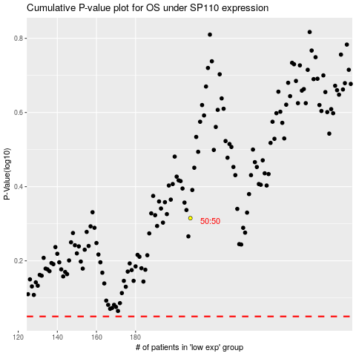

 |  |  |  |  |  | cases_OS | p_OS | rank | exp
 |  |  |  |  |  |  | cases_RFS | p_RFS | rank | exp

