SP4 _multivariate
Reported by Tex Li-Hsing Chi. tex@gate.sinica.edu.tw 2019-08-15

Table 2. The clinicopathological features of HNSCC cohort and SP4 expression. (Chi square test)
Cutoff at -0.212 (49.8%)
 |  | SP4 expression |  | SP4 expression |  | (Optimised)
 | Features | Low | (%) | High | (%) | Case no | P-value | Remark | Matthews
Gender | Female | 146 | 35.2 | 160 | 38.6 | 415 | 0.1714 | 0 | 0
2 | Male | 61 | 14.7 | 48 | 11.6
Age at diagnosis | <=65y | 128 | 30.8 | 146 | 35.2 | 415 | 0.0904 | 0 | 0
4 | >65y | 79 | 19 | 62 | 14.9
Clinical T Status | T1+T2 | 74 | 17.8 | 75 | 18.1 | 415 | 1 | 0 | 0
6 | T3+T4 | 133 | 32 | 133 | 32
Clinical N Status | N0 | 116 | 28 | 100 | 24.1 | 415 | 0.1273 | 1 | 0
8 | N1-3 | 91 | 21.9 | 108 | 26
Clinical M Status | M0 | 204 | 49.2 | 208 | 50.1 | 415 | 0.1232 | 0 | 0
10 | M1 | 3 | 0.7 | 0 | 0
Clinical Stage | Stage I+II | 53 | 12.8 | 49 | 11.8 | 415 | 0.7113 | 0 | 0
12 | Stage III+IV | 154 | 37.1 | 159 | 38.3
Surgical Margin status | Negative | 159 | 38.3 | 159 | 38.3 | 415 | 1 | 0 | 0
14 | Positive | 48 | 11.6 | 49 | 11.8
Tobacco Exposure | Low | 93 | 22.4 | 68 | 16.4 | 415 | 0.0118 | 1 | 0
16 | High | 114 | 27.5 | 140 | 33.7

Table 3. Univariate/Multivariate Cox's proportional hazards regression analyses on OS time of SP4 gene expression in HNSCC

 |  | Univariate |  |  |  | Multivariate
 | Features | HR | CI95%(L) | CI95%(H) | P-value | HR | CI95%(L) | CI95%(H) | P-value
1 | Female | 1 |  |  |  | 1
Gender | Male | 1.157 | 0.843 | 1.587 | 0.367 | 1.199 | 0.857 | 1.676 | 0.29
11 | <=65y | 1 |  |  |  | 1
Age at diagnosis | >65y | 1.329 | 0.99 | 1.784 | 0.058 | 1.389 | 1.021 | 1.89 | 0.036
12 | T1+T2 | 1 |  |  |  | 1
Clinical T Status | T3+T4 | 1.409 | 1.028 | 1.931 | 0.033 | 2.195 | 1.159 | 4.154 | 0.016
13 | N0 | 1 |  |  |  | 1
Clinical N Status | N1-3 | 1.185 | 0.89 | 1.577 | 0.246 | 1.243 | 0.871 | 1.775 | 0.231
14 | M0 | 1 |  |  |  | 1
Clinical M Status | M1 | 4.097 | 1.009 | 16.644 | 0.049 | 9.223 | 1.984 | 42.882 | 0.005
15 | Stage I+II | 1 |  |  |  | 1
Clinical Stage | Stage III+IV | 1.245 | 0.882 | 1.759 | 0.213 | 0.507 | 0.236 | 1.089 | 0.082
16 | Negative | 1 |  |  |  | 1
Surgical Margin status | Positive | 1.591 | 1.155 | 2.191 | 0.004 | 1.668 | 1.206 | 2.306 | 0.002
17 | Low | 1 |  |  |  | 1
Tobacco Exposure | High | 1.364 | 1.008 | 1.844 | 0.044 | 1.455 | 1.056 | 2.006 | 0.022
18 | Low | 1 |  |  |  | 1
RNAseq(z-score) | High | 0.915 | 0.686 | 1.219 | 0.542 | 0.973 | 0.724 | 1.307 | 0.854

Table 4. Univariate/Multivariate Cox's proportional hazards regression analyses on RFS time of SP4 gene expression in HNSCC

 |  | Univariate |  |  |  | Multivariate
 | Features | HR | CI95%(L) | CI95%(H) | P-value | HR | CI95%(L) | CI95%(H) | P-value
1 | Female | 1 |  |  |  | 1
Gender | Male | 1.157 | 0.843 | 1.587 | 0.367 | 1.199 | 0.857 | 1.676 | 0.29
11 | <=65y | 1 |  |  |  | 1
Age at diagnosis | >65y | 1.329 | 0.99 | 1.784 | 0.058 | 1.389 | 1.021 | 1.89 | 0.036
12 | T1+T2 | 1 |  |  |  | 1
Clinical T Status | T3+T4 | 1.409 | 1.028 | 1.931 | 0.033 | 2.195 | 1.159 | 4.154 | 0.016
13 | N0 | 1 |  |  |  | 1
Clinical N Status | N1-3 | 1.185 | 0.89 | 1.577 | 0.246 | 1.243 | 0.871 | 1.775 | 0.231
14 | M0 | 1 |  |  |  | 1
Clinical M Status | M1 | 4.097 | 1.009 | 16.644 | 0.049 | 9.223 | 1.984 | 42.882 | 0.005
15 | Stage I+II | 1 |  |  |  | 1
Clinical Stage | Stage III+IV | 1.245 | 0.882 | 1.759 | 0.213 | 0.507 | 0.236 | 1.089 | 0.082
16 | Negative | 1 |  |  |  | 1
Surgical Margin status | Positive | 1.591 | 1.155 | 2.191 | 0.004 | 1.668 | 1.206 | 2.306 | 0.002
17 | Low | 1 |  |  |  | 1
Tobacco Exposure | High | 1.364 | 1.008 | 1.844 | 0.044 | 1.455 | 1.056 | 2.006 | 0.022
18 | Low | 1 |  |  |  | 1
RNAseq(z-score) | High | 0.915 | 0.686 | 1.219 | 0.542 | 0.973 | 0.724 | 1.307 | 0.854

Kaplan-Meier survival estimate: Cutoff at -0.212 (49.8%)

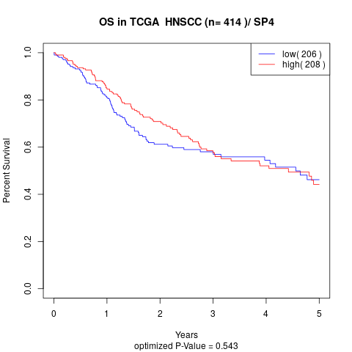

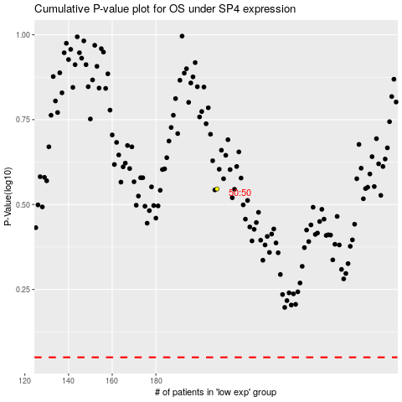

 |  |  |  |  |  | cases_OS | p_OS | rank | exp
 |  |  |  |  |  |  | cases_RFS | p_RFS | rank | exp

