SP6 _multivariate
Reported by Tex Li-Hsing Chi. tex@gate.sinica.edu.tw 2019-08-15

Table 2. The clinicopathological features of HNSCC cohort and SP6 expression. (Chi square test)
Cutoff at -0.174 (54.8%)
 |  | SP6 expression |  | SP6 expression |  | (Optimised)
 | Features | Low | (%) | High | (%) | Case no | P-value | Remark | Matthews
Gender | Female | 176 | 42.4 | 130 | 31.3 | 415 | 0.0688 | 0 | 0
2 | Male | 51 | 12.3 | 58 | 14
Age at diagnosis | <=65y | 160 | 38.6 | 114 | 27.5 | 415 | 0.0451 | 1 | 0
4 | >65y | 67 | 16.1 | 74 | 17.8
Clinical T Status | T1+T2 | 79 | 19 | 70 | 16.9 | 415 | 0.6808 | 0 | 0
6 | T3+T4 | 148 | 35.7 | 118 | 28.4
Clinical N Status | N0 | 122 | 29.4 | 94 | 22.7 | 415 | 0.5084 | 0 | 0
8 | N1-3 | 105 | 25.3 | 94 | 22.7
Clinical M Status | M0 | 226 | 54.5 | 186 | 44.8 | 415 | 0.5922 | 0 | 0
10 | M1 | 1 | 0.2 | 2 | 0.5
Clinical Stage | Stage I+II | 55 | 13.3 | 47 | 11.3 | 415 | 0.9465 | 0 | 0
12 | Stage III+IV | 172 | 41.4 | 141 | 34
Surgical Margin status | Negative | 174 | 41.9 | 144 | 34.7 | 415 | 1 | 0 | 0
14 | Positive | 53 | 12.8 | 44 | 10.6
Tobacco Exposure | Low | 79 | 19 | 82 | 19.8 | 415 | 0.0695 | 0 | 0
16 | High | 148 | 35.7 | 106 | 25.5

Table 3. Univariate/Multivariate Cox's proportional hazards regression analyses on OS time of SP6 gene expression in HNSCC

 |  | Univariate |  |  |  | Multivariate
 | Features | HR | CI95%(L) | CI95%(H) | P-value | HR | CI95%(L) | CI95%(H) | P-value
1 | Female | 1 |  |  |  | 1
Gender | Male | 1.157 | 0.843 | 1.587 | 0.367 | 1.224 | 0.875 | 1.713 | 0.238
11 | <=65y | 1 |  |  |  | 1
Age at diagnosis | >65y | 1.329 | 0.99 | 1.784 | 0.058 | 1.464 | 1.074 | 1.995 | 0.016
12 | T1+T2 | 1 |  |  |  | 1
Clinical T Status | T3+T4 | 1.409 | 1.028 | 1.931 | 0.033 | 2.203 | 1.166 | 4.159 | 0.015
13 | N0 | 1 |  |  |  | 1
Clinical N Status | N1-3 | 1.185 | 0.89 | 1.577 | 0.246 | 1.265 | 0.885 | 1.807 | 0.197
14 | M0 | 1 |  |  |  | 1
Clinical M Status | M1 | 4.097 | 1.009 | 16.644 | 0.049 | 9.871 | 2.151 | 45.308 | 0.003
15 | Stage I+II | 1 |  |  |  | 1
Clinical Stage | Stage III+IV | 1.245 | 0.882 | 1.759 | 0.213 | 0.496 | 0.231 | 1.064 | 0.072
16 | Negative | 1 |  |  |  | 1
Surgical Margin status | Positive | 1.591 | 1.155 | 2.191 | 0.004 | 1.711 | 1.237 | 2.366 | 0.001
17 | Low | 1 |  |  |  | 1
Tobacco Exposure | High | 1.364 | 1.008 | 1.844 | 0.044 | 1.398 | 1.014 | 1.929 | 0.041
18 | Low | 1 |  |  |  | 1
RNAseq(z-score) | High | 0.73 | 0.542 | 0.983 | 0.038 | 0.697 | 0.514 | 0.947 | 0.021

Table 4. Univariate/Multivariate Cox's proportional hazards regression analyses on RFS time of SP6 gene expression in HNSCC

 |  | Univariate |  |  |  | Multivariate
 | Features | HR | CI95%(L) | CI95%(H) | P-value | HR | CI95%(L) | CI95%(H) | P-value
1 | Female | 1 |  |  |  | 1
Gender | Male | 1.157 | 0.843 | 1.587 | 0.367 | 1.224 | 0.875 | 1.713 | 0.238
11 | <=65y | 1 |  |  |  | 1
Age at diagnosis | >65y | 1.329 | 0.99 | 1.784 | 0.058 | 1.464 | 1.074 | 1.995 | 0.016
12 | T1+T2 | 1 |  |  |  | 1
Clinical T Status | T3+T4 | 1.409 | 1.028 | 1.931 | 0.033 | 2.203 | 1.166 | 4.159 | 0.015
13 | N0 | 1 |  |  |  | 1
Clinical N Status | N1-3 | 1.185 | 0.89 | 1.577 | 0.246 | 1.265 | 0.885 | 1.807 | 0.197
14 | M0 | 1 |  |  |  | 1
Clinical M Status | M1 | 4.097 | 1.009 | 16.644 | 0.049 | 9.871 | 2.151 | 45.308 | 0.003
15 | Stage I+II | 1 |  |  |  | 1
Clinical Stage | Stage III+IV | 1.245 | 0.882 | 1.759 | 0.213 | 0.496 | 0.231 | 1.064 | 0.072
16 | Negative | 1 |  |  |  | 1
Surgical Margin status | Positive | 1.591 | 1.155 | 2.191 | 0.004 | 1.711 | 1.237 | 2.366 | 0.001
17 | Low | 1 |  |  |  | 1
Tobacco Exposure | High | 1.364 | 1.008 | 1.844 | 0.044 | 1.398 | 1.014 | 1.929 | 0.041
18 | Low | 1 |  |  |  | 1
RNAseq(z-score) | High | 0.73 | 0.542 | 0.983 | 0.038 | 0.697 | 0.514 | 0.947 | 0.021

Kaplan-Meier survival estimate: Cutoff at -0.174 (54.8%)

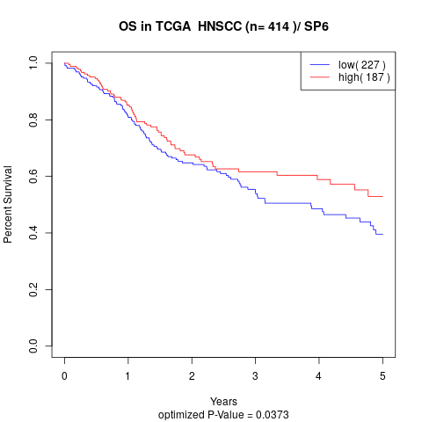

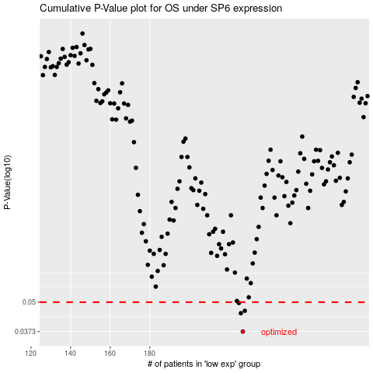

 |  |  |  |  |  | cases_OS | p_OS | rank | exp
 |  |  |  |  |  | 227 | 0.0373 | 126 | -0.17402394497
 |  |  |  |  |  | 226 | 0.0448 | 267 | -0.17514229246
 |  |  |  |  |  | 228 | 0.0459 | 57 | -0.16415033881
 |  |  |  |  |  | 225 | 0.0496 | 256 | -0.1814985605
 |  |  |  |  |  |  | cases_RFS | p_RFS | rank | exp
 |  |  |  |  |  |  | 226 | 0.0373 | 267 | -0.17514229246
 |  |  |  |  |  |  | 225 | 0.0448 | 256 | -0.1814985605
 |  |  |  |  |  |  | 227 | 0.0459 | 126 | -0.17402394497
 |  |  |  |  |  |  | 224 | 0.0496 | 228 | -0.18294616293

