SPAG1 _multivariate
Reported by Tex Li-Hsing Chi. tex@gate.sinica.edu.tw 2019-08-15

Table 2. The clinicopathological features of HNSCC cohort and SPAG1 expression. (Chi square test)
Cutoff at -0.122 (50.0%)
 |  | SPAG1 expression |  | SPAG1 expression |  | (Optimised)
 | Features | Low | (%) | High | (%) | Case no | P-value | Remark | Matthews
Gender | Female | 162 | 39 | 144 | 34.7 | 415 | 0.0479 | 1 | 0
2 | Male | 45 | 10.8 | 64 | 15.4
Age at diagnosis | <=65y | 142 | 34.2 | 132 | 31.8 | 415 | 0.3167 | 0 | 0
4 | >65y | 65 | 15.7 | 76 | 18.3
Clinical T Status | T1+T2 | 68 | 16.4 | 81 | 19.5 | 415 | 0.2336 | 0 | 0
6 | T3+T4 | 139 | 33.5 | 127 | 30.6
Clinical N Status | N0 | 109 | 26.3 | 107 | 25.8 | 415 | 0.8812 | 0 | 0
8 | N1-3 | 98 | 23.6 | 101 | 24.3
Clinical M Status | M0 | 205 | 49.4 | 207 | 49.9 | 415 | 0.6232 | 0 | 0
10 | M1 | 2 | 0.5 | 1 | 0.2
Clinical Stage | Stage I+II | 44 | 10.6 | 58 | 14 | 415 | 0.1459 | 0 | 0
12 | Stage III+IV | 163 | 39.3 | 150 | 36.1
Surgical Margin status | Negative | 156 | 37.6 | 162 | 39 | 415 | 0.5636 | 0 | 0
14 | Positive | 51 | 12.3 | 46 | 11.1
Tobacco Exposure | Low | 71 | 17.1 | 90 | 21.7 | 415 | 0.0698 | 0 | 0
16 | High | 136 | 32.8 | 118 | 28.4

Table 3. Univariate/Multivariate Cox's proportional hazards regression analyses on OS time of SPAG1 gene expression in HNSCC

 |  | Univariate |  |  |  | Multivariate
 | Features | HR | CI95%(L) | CI95%(H) | P-value | HR | CI95%(L) | CI95%(H) | P-value
1 | Female | 1 |  |  |  | 1
Gender | Male | 1.157 | 0.843 | 1.587 | 0.367 | 1.198 | 0.857 | 1.674 | 0.291
11 | <=65y | 1 |  |  |  | 1
Age at diagnosis | >65y | 1.329 | 0.99 | 1.784 | 0.058 | 1.38 | 1.014 | 1.877 | 0.04
12 | T1+T2 | 1 |  |  |  | 1
Clinical T Status | T3+T4 | 1.409 | 1.028 | 1.931 | 0.033 | 2.234 | 1.18 | 4.228 | 0.014
13 | N0 | 1 |  |  |  | 1
Clinical N Status | N1-3 | 1.185 | 0.89 | 1.577 | 0.246 | 1.226 | 0.859 | 1.751 | 0.261
14 | M0 | 1 |  |  |  | 1
Clinical M Status | M1 | 4.097 | 1.009 | 16.644 | 0.049 | 9.647 | 2.102 | 44.279 | 0.004
15 | Stage I+II | 1 |  |  |  | 1
Clinical Stage | Stage III+IV | 1.245 | 0.882 | 1.759 | 0.213 | 0.51 | 0.237 | 1.096 | 0.084
16 | Negative | 1 |  |  |  | 1
Surgical Margin status | Positive | 1.591 | 1.155 | 2.191 | 0.004 | 1.685 | 1.219 | 2.33 | 0.002
17 | Low | 1 |  |  |  | 1
Tobacco Exposure | High | 1.364 | 1.008 | 1.844 | 0.044 | 1.461 | 1.06 | 2.014 | 0.021
18 | Low | 1 |  |  |  | 1
RNAseq(z-score) | High | 1.08 | 0.811 | 1.44 | 0.598 | 1.132 | 0.844 | 1.516 | 0.408

Table 4. Univariate/Multivariate Cox's proportional hazards regression analyses on RFS time of SPAG1 gene expression in HNSCC

 |  | Univariate |  |  |  | Multivariate
 | Features | HR | CI95%(L) | CI95%(H) | P-value | HR | CI95%(L) | CI95%(H) | P-value
1 | Female | 1 |  |  |  | 1
Gender | Male | 1.157 | 0.843 | 1.587 | 0.367 | 1.198 | 0.857 | 1.674 | 0.291
11 | <=65y | 1 |  |  |  | 1
Age at diagnosis | >65y | 1.329 | 0.99 | 1.784 | 0.058 | 1.38 | 1.014 | 1.877 | 0.04
12 | T1+T2 | 1 |  |  |  | 1
Clinical T Status | T3+T4 | 1.409 | 1.028 | 1.931 | 0.033 | 2.234 | 1.18 | 4.228 | 0.014
13 | N0 | 1 |  |  |  | 1
Clinical N Status | N1-3 | 1.185 | 0.89 | 1.577 | 0.246 | 1.226 | 0.859 | 1.751 | 0.261
14 | M0 | 1 |  |  |  | 1
Clinical M Status | M1 | 4.097 | 1.009 | 16.644 | 0.049 | 9.647 | 2.102 | 44.279 | 0.004
15 | Stage I+II | 1 |  |  |  | 1
Clinical Stage | Stage III+IV | 1.245 | 0.882 | 1.759 | 0.213 | 0.51 | 0.237 | 1.096 | 0.084
16 | Negative | 1 |  |  |  | 1
Surgical Margin status | Positive | 1.591 | 1.155 | 2.191 | 0.004 | 1.685 | 1.219 | 2.33 | 0.002
17 | Low | 1 |  |  |  | 1
Tobacco Exposure | High | 1.364 | 1.008 | 1.844 | 0.044 | 1.461 | 1.06 | 2.014 | 0.021
18 | Low | 1 |  |  |  | 1
RNAseq(z-score) | High | 1.08 | 0.811 | 1.44 | 0.598 | 1.132 | 0.844 | 1.516 | 0.408

Kaplan-Meier survival estimate: Cutoff at -0.122 (50.0%)



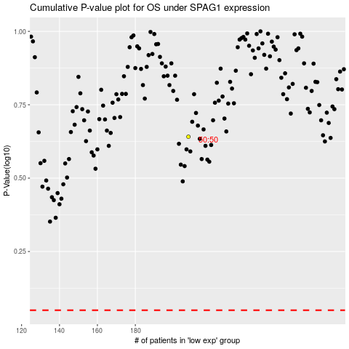

 |  |  |  |  |  | cases_OS | p_OS | rank | exp
 |  |  |  |  |  |  | cases_RFS | p_RFS | rank | exp

