SPAG6 _multivariate
Reported by Tex Li-Hsing Chi. tex@gate.sinica.edu.tw 2019-08-15

Table 2. The clinicopathological features of HNSCC cohort and SPAG6 expression. (Chi square test)
Cutoff at -0.102 (49.8%)
 |  | SPAG6 expression |  | SPAG6 expression |  | (Optimised)
 | Features | Low | (%) | High | (%) | Case no | P-value | Remark | Matthews
Gender | Female | 153 | 36.9 | 153 | 36.9 | 415 | 1 | 0 | 0
2 | Male | 54 | 13 | 55 | 13.3
Age at diagnosis | <=65y | 133 | 32 | 141 | 34 | 415 | 0.5111 | 0 | 0
4 | >65y | 74 | 17.8 | 67 | 16.1
Clinical T Status | T1+T2 | 79 | 19 | 70 | 16.9 | 415 | 0.3924 | 0 | 0
6 | T3+T4 | 128 | 30.8 | 138 | 33.3
Clinical N Status | N0 | 117 | 28.2 | 99 | 23.9 | 415 | 0.0852 | 1 | 0
8 | N1-3 | 90 | 21.7 | 109 | 26.3
Clinical M Status | M0 | 206 | 49.6 | 206 | 49.6 | 415 | 1 | 0 | 0
10 | M1 | 1 | 0.2 | 2 | 0.5
Clinical Stage | Stage I+II | 53 | 12.8 | 49 | 11.8 | 415 | 0.7113 | 0 | 0
12 | Stage III+IV | 154 | 37.1 | 159 | 38.3
Surgical Margin status | Negative | 150 | 36.1 | 168 | 40.5 | 415 | 0.0492 | 1 | 0
14 | Positive | 57 | 13.7 | 40 | 9.6
Tobacco Exposure | Low | 85 | 20.5 | 76 | 18.3 | 415 | 0.3655 | 0 | 0
16 | High | 122 | 29.4 | 132 | 31.8

Table 3. Univariate/Multivariate Cox's proportional hazards regression analyses on OS time of SPAG6 gene expression in HNSCC

 |  | Univariate |  |  |  | Multivariate
 | Features | HR | CI95%(L) | CI95%(H) | P-value | HR | CI95%(L) | CI95%(H) | P-value
1 | Female | 1 |  |  |  | 1
Gender | Male | 1.157 | 0.843 | 1.587 | 0.367 | 1.201 | 0.859 | 1.677 | 0.284
11 | <=65y | 1 |  |  |  | 1
Age at diagnosis | >65y | 1.329 | 0.99 | 1.784 | 0.058 | 1.388 | 1.021 | 1.889 | 0.037
12 | T1+T2 | 1 |  |  |  | 1
Clinical T Status | T3+T4 | 1.409 | 1.028 | 1.931 | 0.033 | 2.209 | 1.168 | 4.178 | 0.015
13 | N0 | 1 |  |  |  | 1
Clinical N Status | N1-3 | 1.185 | 0.89 | 1.577 | 0.246 | 1.242 | 0.871 | 1.773 | 0.231
14 | M0 | 1 |  |  |  | 1
Clinical M Status | M1 | 4.097 | 1.009 | 16.644 | 0.049 | 9.513 | 2.068 | 43.76 | 0.004
15 | Stage I+II | 1 |  |  |  | 1
Clinical Stage | Stage III+IV | 1.245 | 0.882 | 1.759 | 0.213 | 0.502 | 0.234 | 1.079 | 0.078
16 | Negative | 1 |  |  |  | 1
Surgical Margin status | Positive | 1.591 | 1.155 | 2.191 | 0.004 | 1.666 | 1.204 | 2.305 | 0.002
17 | Low | 1 |  |  |  | 1
Tobacco Exposure | High | 1.364 | 1.008 | 1.844 | 0.044 | 1.456 | 1.056 | 2.007 | 0.022
18 | Low | 1 |  |  |  | 1
RNAseq(z-score) | High | 0.962 | 0.722 | 1.282 | 0.79 | 0.969 | 0.724 | 1.297 | 0.832

Table 4. Univariate/Multivariate Cox's proportional hazards regression analyses on RFS time of SPAG6 gene expression in HNSCC

 |  | Univariate |  |  |  | Multivariate
 | Features | HR | CI95%(L) | CI95%(H) | P-value | HR | CI95%(L) | CI95%(H) | P-value
1 | Female | 1 |  |  |  | 1
Gender | Male | 1.157 | 0.843 | 1.587 | 0.367 | 1.201 | 0.859 | 1.677 | 0.284
11 | <=65y | 1 |  |  |  | 1
Age at diagnosis | >65y | 1.329 | 0.99 | 1.784 | 0.058 | 1.388 | 1.021 | 1.889 | 0.037
12 | T1+T2 | 1 |  |  |  | 1
Clinical T Status | T3+T4 | 1.409 | 1.028 | 1.931 | 0.033 | 2.209 | 1.168 | 4.178 | 0.015
13 | N0 | 1 |  |  |  | 1
Clinical N Status | N1-3 | 1.185 | 0.89 | 1.577 | 0.246 | 1.242 | 0.871 | 1.773 | 0.231
14 | M0 | 1 |  |  |  | 1
Clinical M Status | M1 | 4.097 | 1.009 | 16.644 | 0.049 | 9.513 | 2.068 | 43.76 | 0.004
15 | Stage I+II | 1 |  |  |  | 1
Clinical Stage | Stage III+IV | 1.245 | 0.882 | 1.759 | 0.213 | 0.502 | 0.234 | 1.079 | 0.078
16 | Negative | 1 |  |  |  | 1
Surgical Margin status | Positive | 1.591 | 1.155 | 2.191 | 0.004 | 1.666 | 1.204 | 2.305 | 0.002
17 | Low | 1 |  |  |  | 1
Tobacco Exposure | High | 1.364 | 1.008 | 1.844 | 0.044 | 1.456 | 1.056 | 2.007 | 0.022
18 | Low | 1 |  |  |  | 1
RNAseq(z-score) | High | 0.962 | 0.722 | 1.282 | 0.79 | 0.969 | 0.724 | 1.297 | 0.832

Kaplan-Meier survival estimate: Cutoff at -0.102 (49.8%)

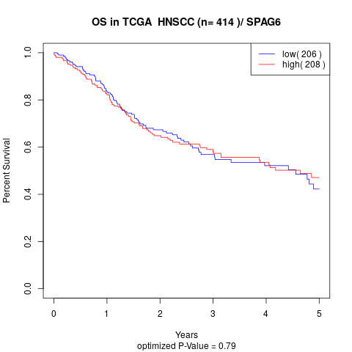

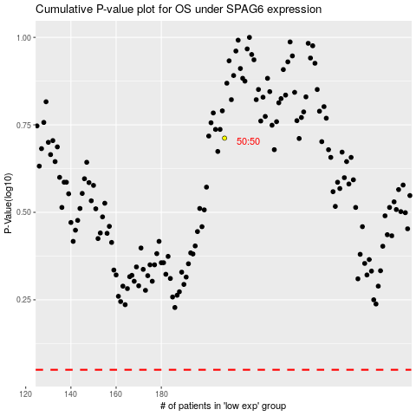

 |  |  |  |  |  | cases_OS | p_OS | rank | exp
 |  |  |  |  |  |  | cases_RFS | p_RFS | rank | exp

