SPAG8 _multivariate
Reported by Tex Li-Hsing Chi. tex@gate.sinica.edu.tw 2019-08-15

Table 2. The clinicopathological features of HNSCC cohort and SPAG8 expression. (Chi square test)
Cutoff at -0.162 (49.8%)
 |  | SPAG8 expression |  | SPAG8 expression |  | (Optimised)
 | Features | Low | (%) | High | (%) | Case no | P-value | Remark | Matthews
Gender | Female | 147 | 35.4 | 159 | 38.3 | 415 | 0.2523 | 0 | 0
2 | Male | 60 | 14.5 | 49 | 11.8
Age at diagnosis | <=65y | 135 | 32.5 | 139 | 33.5 | 415 | 0.8084 | 0 | 0
4 | >65y | 72 | 17.3 | 69 | 16.6
Clinical T Status | T1+T2 | 64 | 15.4 | 85 | 20.5 | 415 | 0.0445 | 1 | 0
6 | T3+T4 | 143 | 34.5 | 123 | 29.6
Clinical N Status | N0 | 103 | 24.8 | 113 | 27.2 | 415 | 0.4047 | 0 | 0
8 | N1-3 | 104 | 25.1 | 95 | 22.9
Clinical M Status | M0 | 204 | 49.2 | 208 | 50.1 | 415 | 0.1232 | 0 | 0
10 | M1 | 3 | 0.7 | 0 | 0
Clinical Stage | Stage I+II | 42 | 10.1 | 60 | 14.5 | 415 | 0.0561 | 0 | 0
12 | Stage III+IV | 165 | 39.8 | 148 | 35.7
Surgical Margin status | Negative | 156 | 37.6 | 162 | 39 | 415 | 0.5636 | 0 | 0
14 | Positive | 51 | 12.3 | 46 | 11.1
Tobacco Exposure | Low | 73 | 17.6 | 88 | 21.2 | 415 | 0.1587 | 0 | 0
16 | High | 134 | 32.3 | 120 | 28.9

Table 3. Univariate/Multivariate Cox's proportional hazards regression analyses on OS time of SPAG8 gene expression in HNSCC

 |  | Univariate |  |  |  | Multivariate
 | Features | HR | CI95%(L) | CI95%(H) | P-value | HR | CI95%(L) | CI95%(H) | P-value
1 | Female | 1 |  |  |  | 1
Gender | Male | 1.157 | 0.843 | 1.587 | 0.367 | 1.174 | 0.838 | 1.646 | 0.352
11 | <=65y | 1 |  |  |  | 1
Age at diagnosis | >65y | 1.329 | 0.99 | 1.784 | 0.058 | 1.408 | 1.034 | 1.916 | 0.03
12 | T1+T2 | 1 |  |  |  | 1
Clinical T Status | T3+T4 | 1.409 | 1.028 | 1.931 | 0.033 | 2.194 | 1.161 | 4.146 | 0.016
13 | N0 | 1 |  |  |  | 1
Clinical N Status | N1-3 | 1.185 | 0.89 | 1.577 | 0.246 | 1.255 | 0.879 | 1.792 | 0.211
14 | M0 | 1 |  |  |  | 1
Clinical M Status | M1 | 4.097 | 1.009 | 16.644 | 0.049 | 8.644 | 1.872 | 39.918 | 0.006
15 | Stage I+II | 1 |  |  |  | 1
Clinical Stage | Stage III+IV | 1.245 | 0.882 | 1.759 | 0.213 | 0.495 | 0.23 | 1.063 | 0.072
16 | Negative | 1 |  |  |  | 1
Surgical Margin status | Positive | 1.591 | 1.155 | 2.191 | 0.004 | 1.656 | 1.199 | 2.289 | 0.002
17 | Low | 1 |  |  |  | 1
Tobacco Exposure | High | 1.364 | 1.008 | 1.844 | 0.044 | 1.449 | 1.051 | 1.998 | 0.024
18 | Low | 1 |  |  |  | 1
RNAseq(z-score) | High | 0.798 | 0.599 | 1.064 | 0.124 | 0.856 | 0.639 | 1.148 | 0.299

Table 4. Univariate/Multivariate Cox's proportional hazards regression analyses on RFS time of SPAG8 gene expression in HNSCC

 |  | Univariate |  |  |  | Multivariate
 | Features | HR | CI95%(L) | CI95%(H) | P-value | HR | CI95%(L) | CI95%(H) | P-value
1 | Female | 1 |  |  |  | 1
Gender | Male | 1.157 | 0.843 | 1.587 | 0.367 | 1.174 | 0.838 | 1.646 | 0.352
11 | <=65y | 1 |  |  |  | 1
Age at diagnosis | >65y | 1.329 | 0.99 | 1.784 | 0.058 | 1.408 | 1.034 | 1.916 | 0.03
12 | T1+T2 | 1 |  |  |  | 1
Clinical T Status | T3+T4 | 1.409 | 1.028 | 1.931 | 0.033 | 2.194 | 1.161 | 4.146 | 0.016
13 | N0 | 1 |  |  |  | 1
Clinical N Status | N1-3 | 1.185 | 0.89 | 1.577 | 0.246 | 1.255 | 0.879 | 1.792 | 0.211
14 | M0 | 1 |  |  |  | 1
Clinical M Status | M1 | 4.097 | 1.009 | 16.644 | 0.049 | 8.644 | 1.872 | 39.918 | 0.006
15 | Stage I+II | 1 |  |  |  | 1
Clinical Stage | Stage III+IV | 1.245 | 0.882 | 1.759 | 0.213 | 0.495 | 0.23 | 1.063 | 0.072
16 | Negative | 1 |  |  |  | 1
Surgical Margin status | Positive | 1.591 | 1.155 | 2.191 | 0.004 | 1.656 | 1.199 | 2.289 | 0.002
17 | Low | 1 |  |  |  | 1
Tobacco Exposure | High | 1.364 | 1.008 | 1.844 | 0.044 | 1.449 | 1.051 | 1.998 | 0.024
18 | Low | 1 |  |  |  | 1
RNAseq(z-score) | High | 0.798 | 0.599 | 1.064 | 0.124 | 0.856 | 0.639 | 1.148 | 0.299

Kaplan-Meier survival estimate: Cutoff at -0.162 (49.8%)



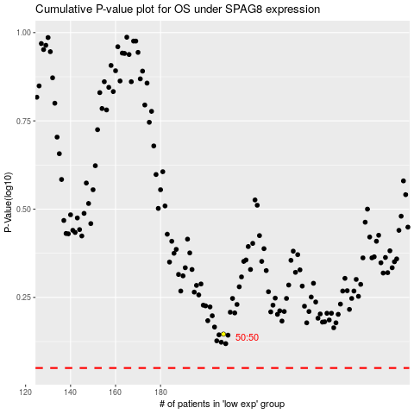

 |  |  |  |  |  | cases_OS | p_OS | rank | exp
 |  |  |  |  |  |  | cases_RFS | p_RFS | rank | exp

