SPATA1 _multivariate
Reported by Tex Li-Hsing Chi. tex@gate.sinica.edu.tw 2019-08-15

Table 2. The clinicopathological features of HNSCC cohort and SPATA1 expression. (Chi square test)
Cutoff at -0.229 (50.0%)
 |  | SPATA1 expression |  | SPATA1 expression |  | (Optimised)
 | Features | Low | (%) | High | (%) | Case no | P-value | Remark | Matthews
Gender | Female | 157 | 37.8 | 149 | 35.9 | 415 | 0.3881 | 0 | 0
2 | Male | 50 | 12 | 59 | 14.2
Age at diagnosis | <=65y | 135 | 32.5 | 139 | 33.5 | 415 | 0.8084 | 0 | 0
4 | >65y | 72 | 17.3 | 69 | 16.6
Clinical T Status | T1+T2 | 73 | 17.6 | 76 | 18.3 | 415 | 0.8666 | 0 | 0
6 | T3+T4 | 134 | 32.3 | 132 | 31.8
Clinical N Status | N0 | 99 | 23.9 | 117 | 28.2 | 415 | 0.1054 | 0 | 0
8 | N1-3 | 108 | 26 | 91 | 21.9
Clinical M Status | M0 | 207 | 49.9 | 205 | 49.4 | 415 | 0.2482 | 0 | 0
10 | M1 | 0 | 0 | 3 | 0.7
Clinical Stage | Stage I+II | 46 | 11.1 | 56 | 13.5 | 415 | 0.3182 | 0 | 0
12 | Stage III+IV | 161 | 38.8 | 152 | 36.6
Surgical Margin status | Negative | 160 | 38.6 | 158 | 38.1 | 415 | 0.8167 | 0 | 0
14 | Positive | 47 | 11.3 | 50 | 12
Tobacco Exposure | Low | 71 | 17.1 | 90 | 21.7 | 415 | 0.0698 | 0 | 0
16 | High | 136 | 32.8 | 118 | 28.4

Table 3. Univariate/Multivariate Cox's proportional hazards regression analyses on OS time of SPATA1 gene expression in HNSCC

 |  | Univariate |  |  |  | Multivariate
 | Features | HR | CI95%(L) | CI95%(H) | P-value | HR | CI95%(L) | CI95%(H) | P-value
1 | Female | 1 |  |  |  | 1
Gender | Male | 1.157 | 0.843 | 1.587 | 0.367 | 1.206 | 0.863 | 1.684 | 0.273
11 | <=65y | 1 |  |  |  | 1
Age at diagnosis | >65y | 1.329 | 0.99 | 1.784 | 0.058 | 1.4 | 1.029 | 1.904 | 0.032
12 | T1+T2 | 1 |  |  |  | 1
Clinical T Status | T3+T4 | 1.409 | 1.028 | 1.931 | 0.033 | 2.182 | 1.153 | 4.13 | 0.017
13 | N0 | 1 |  |  |  | 1
Clinical N Status | N1-3 | 1.185 | 0.89 | 1.577 | 0.246 | 1.252 | 0.876 | 1.79 | 0.217
14 | M0 | 1 |  |  |  | 1
Clinical M Status | M1 | 4.097 | 1.009 | 16.644 | 0.049 | 8.964 | 1.934 | 41.542 | 0.005
15 | Stage I+II | 1 |  |  |  | 1
Clinical Stage | Stage III+IV | 1.245 | 0.882 | 1.759 | 0.213 | 0.507 | 0.236 | 1.089 | 0.082
16 | Negative | 1 |  |  |  | 1
Surgical Margin status | Positive | 1.591 | 1.155 | 2.191 | 0.004 | 1.664 | 1.203 | 2.301 | 0.002
17 | Low | 1 |  |  |  | 1
Tobacco Exposure | High | 1.364 | 1.008 | 1.844 | 0.044 | 1.464 | 1.061 | 2.02 | 0.02
18 | Low | 1 |  |  |  | 1
RNAseq(z-score) | High | 1.069 | 0.802 | 1.424 | 0.65 | 1.079 | 0.805 | 1.447 | 0.61

Table 4. Univariate/Multivariate Cox's proportional hazards regression analyses on RFS time of SPATA1 gene expression in HNSCC

 |  | Univariate |  |  |  | Multivariate
 | Features | HR | CI95%(L) | CI95%(H) | P-value | HR | CI95%(L) | CI95%(H) | P-value
1 | Female | 1 |  |  |  | 1
Gender | Male | 1.157 | 0.843 | 1.587 | 0.367 | 1.206 | 0.863 | 1.684 | 0.273
11 | <=65y | 1 |  |  |  | 1
Age at diagnosis | >65y | 1.329 | 0.99 | 1.784 | 0.058 | 1.4 | 1.029 | 1.904 | 0.032
12 | T1+T2 | 1 |  |  |  | 1
Clinical T Status | T3+T4 | 1.409 | 1.028 | 1.931 | 0.033 | 2.182 | 1.153 | 4.13 | 0.017
13 | N0 | 1 |  |  |  | 1
Clinical N Status | N1-3 | 1.185 | 0.89 | 1.577 | 0.246 | 1.252 | 0.876 | 1.79 | 0.217
14 | M0 | 1 |  |  |  | 1
Clinical M Status | M1 | 4.097 | 1.009 | 16.644 | 0.049 | 8.964 | 1.934 | 41.542 | 0.005
15 | Stage I+II | 1 |  |  |  | 1
Clinical Stage | Stage III+IV | 1.245 | 0.882 | 1.759 | 0.213 | 0.507 | 0.236 | 1.089 | 0.082
16 | Negative | 1 |  |  |  | 1
Surgical Margin status | Positive | 1.591 | 1.155 | 2.191 | 0.004 | 1.664 | 1.203 | 2.301 | 0.002
17 | Low | 1 |  |  |  | 1
Tobacco Exposure | High | 1.364 | 1.008 | 1.844 | 0.044 | 1.464 | 1.061 | 2.02 | 0.02
18 | Low | 1 |  |  |  | 1
RNAseq(z-score) | High | 1.069 | 0.802 | 1.424 | 0.65 | 1.079 | 0.805 | 1.447 | 0.61

Kaplan-Meier survival estimate: Cutoff at -0.229 (50.0%)



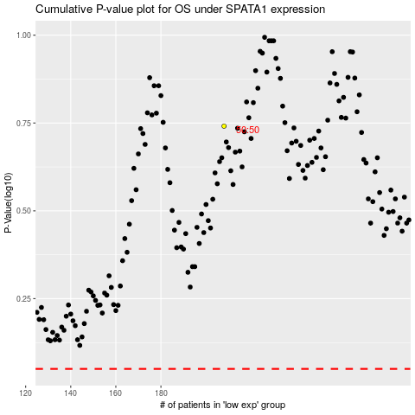

 |  |  |  |  |  | cases_OS | p_OS | rank | exp
 |  |  |  |  |  |  | cases_RFS | p_RFS | rank | exp

