SPATA18 _multivariate
Reported by Tex Li-Hsing Chi. tex@gate.sinica.edu.tw 2019-08-15

Table 2. The clinicopathological features of HNSCC cohort and SPATA18 expression. (Chi square test)
Cutoff at -0.251 (51.4%)
 |  | SPATA18 expression |  | SPATA18 expression |  | (Optimised)
 | Features | Low | (%) | High | (%) | Case no | P-value | Remark | Matthews
Gender | Female | 164 | 39.5 | 142 | 34.2 | 415 | 0.2027 | 0 | 0
2 | Male | 50 | 12 | 59 | 14.2
Age at diagnosis | <=65y | 145 | 34.9 | 129 | 31.1 | 415 | 0.5058 | 0 | 0
4 | >65y | 69 | 16.6 | 72 | 17.3
Clinical T Status | T1+T2 | 72 | 17.3 | 77 | 18.6 | 415 | 0.3749 | 0 | 0
6 | T3+T4 | 142 | 34.2 | 124 | 29.9
Clinical N Status | N0 | 100 | 24.1 | 116 | 28 | 415 | 0.0324 | 1 | 0
8 | N1-3 | 114 | 27.5 | 85 | 20.5
Clinical M Status | M0 | 211 | 50.8 | 201 | 48.4 | 415 | 0.2489 | 0 | 0
10 | M1 | 3 | 0.7 | 0 | 0
Clinical Stage | Stage I+II | 49 | 11.8 | 53 | 12.8 | 415 | 0.4798 | 0 | 0
12 | Stage III+IV | 165 | 39.8 | 148 | 35.7
Surgical Margin status | Negative | 166 | 40 | 152 | 36.6 | 415 | 0.6446 | 0 | 0
14 | Positive | 48 | 11.6 | 49 | 11.8
Tobacco Exposure | Low | 64 | 15.4 | 97 | 23.4 | 415 | 1e-04 | 1 | 0
16 | High | 150 | 36.1 | 104 | 25.1

Table 3. Univariate/Multivariate Cox's proportional hazards regression analyses on OS time of SPATA18 gene expression in HNSCC

 |  | Univariate |  |  |  | Multivariate
 | Features | HR | CI95%(L) | CI95%(H) | P-value | HR | CI95%(L) | CI95%(H) | P-value
1 | Female | 1 |  |  |  | 1
Gender | Male | 1.157 | 0.843 | 1.587 | 0.367 | 1.214 | 0.867 | 1.699 | 0.258
11 | <=65y | 1 |  |  |  | 1
Age at diagnosis | >65y | 1.329 | 0.99 | 1.784 | 0.058 | 1.387 | 1.02 | 1.886 | 0.037
12 | T1+T2 | 1 |  |  |  | 1
Clinical T Status | T3+T4 | 1.409 | 1.028 | 1.931 | 0.033 | 2.113 | 1.116 | 4.003 | 0.022
13 | N0 | 1 |  |  |  | 1
Clinical N Status | N1-3 | 1.185 | 0.89 | 1.577 | 0.246 | 1.208 | 0.845 | 1.727 | 0.3
14 | M0 | 1 |  |  |  | 1
Clinical M Status | M1 | 4.097 | 1.009 | 16.644 | 0.049 | 8.227 | 1.78 | 38.016 | 0.007
15 | Stage I+II | 1 |  |  |  | 1
Clinical Stage | Stage III+IV | 1.245 | 0.882 | 1.759 | 0.213 | 0.533 | 0.248 | 1.149 | 0.109
16 | Negative | 1 |  |  |  | 1
Surgical Margin status | Positive | 1.591 | 1.155 | 2.191 | 0.004 | 1.685 | 1.219 | 2.329 | 0.002
17 | Low | 1 |  |  |  | 1
Tobacco Exposure | High | 1.364 | 1.008 | 1.844 | 0.044 | 1.396 | 1.009 | 1.933 | 0.044
18 | Low | 1 |  |  |  | 1
RNAseq(z-score) | High | 0.74 | 0.554 | 0.989 | 0.042 | 0.789 | 0.586 | 1.064 | 0.12

Table 4. Univariate/Multivariate Cox's proportional hazards regression analyses on RFS time of SPATA18 gene expression in HNSCC

 |  | Univariate |  |  |  | Multivariate
 | Features | HR | CI95%(L) | CI95%(H) | P-value | HR | CI95%(L) | CI95%(H) | P-value
1 | Female | 1 |  |  |  | 1
Gender | Male | 1.157 | 0.843 | 1.587 | 0.367 | 1.214 | 0.867 | 1.699 | 0.258
11 | <=65y | 1 |  |  |  | 1
Age at diagnosis | >65y | 1.329 | 0.99 | 1.784 | 0.058 | 1.387 | 1.02 | 1.886 | 0.037
12 | T1+T2 | 1 |  |  |  | 1
Clinical T Status | T3+T4 | 1.409 | 1.028 | 1.931 | 0.033 | 2.113 | 1.116 | 4.003 | 0.022
13 | N0 | 1 |  |  |  | 1
Clinical N Status | N1-3 | 1.185 | 0.89 | 1.577 | 0.246 | 1.208 | 0.845 | 1.727 | 0.3
14 | M0 | 1 |  |  |  | 1
Clinical M Status | M1 | 4.097 | 1.009 | 16.644 | 0.049 | 8.227 | 1.78 | 38.016 | 0.007
15 | Stage I+II | 1 |  |  |  | 1
Clinical Stage | Stage III+IV | 1.245 | 0.882 | 1.759 | 0.213 | 0.533 | 0.248 | 1.149 | 0.109
16 | Negative | 1 |  |  |  | 1
Surgical Margin status | Positive | 1.591 | 1.155 | 2.191 | 0.004 | 1.685 | 1.219 | 2.329 | 0.002
17 | Low | 1 |  |  |  | 1
Tobacco Exposure | High | 1.364 | 1.008 | 1.844 | 0.044 | 1.396 | 1.009 | 1.933 | 0.044
18 | Low | 1 |  |  |  | 1
RNAseq(z-score) | High | 0.74 | 0.554 | 0.989 | 0.042 | 0.789 | 0.586 | 1.064 | 0.12

Kaplan-Meier survival estimate: Cutoff at -0.251 (51.4%)



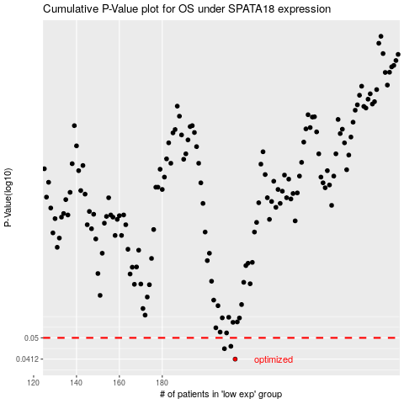

 |  |  |  |  |  | cases_OS | p_OS | rank | exp
 |  |  |  |  |  | 214 | 0.0412 | 231 | -0.25061425411
 |  |  |  |  |  | 209 | 0.0453 | 341 | -0.25539069306
 |  |  |  |  |  | 212 | 0.0463 | 149 | -0.25129690186
 |  |  |  |  |  |  | cases_RFS | p_RFS | rank | exp
 |  |  |  |  |  |  | 213 | 0.0412 | 198 | -0.25113179246
 |  |  |  |  |  |  | 208 | 0.0453 | 66 | -0.26009882532
 |  |  |  |  |  |  | 211 | 0.0463 | 52 | -0.25188065159

