SPATA2 _multivariate
Reported by Tex Li-Hsing Chi. tex@gate.sinica.edu.tw 2019-08-15

Table 2. The clinicopathological features of HNSCC cohort and SPATA2 expression. (Chi square test)
Cutoff at -0.11 (49.8%)
 |  | SPATA2 expression |  | SPATA2 expression |  | (Optimised)
 | Features | Low | (%) | High | (%) | Case no | P-value | Remark | Matthews
Gender | Female | 137 | 33 | 169 | 40.7 | 415 | 7e-04 | 1 | 0
2 | Male | 70 | 16.9 | 39 | 9.4
Age at diagnosis | <=65y | 125 | 30.1 | 149 | 35.9 | 415 | 0.0206 | 1 | 0
4 | >65y | 82 | 19.8 | 59 | 14.2
Clinical T Status | T1+T2 | 73 | 17.6 | 76 | 18.3 | 415 | 0.8666 | 0 | 0
6 | T3+T4 | 134 | 32.3 | 132 | 31.8
Clinical N Status | N0 | 119 | 28.7 | 97 | 23.4 | 415 | 0.0345 | 1 | 0
8 | N1-3 | 88 | 21.2 | 111 | 26.7
Clinical M Status | M0 | 207 | 49.9 | 205 | 49.4 | 415 | 0.2482 | 0 | 0
10 | M1 | 0 | 0 | 3 | 0.7
Clinical Stage | Stage I+II | 52 | 12.5 | 50 | 12 | 415 | 0.8871 | 0 | 0
12 | Stage III+IV | 155 | 37.3 | 158 | 38.1
Surgical Margin status | Negative | 152 | 36.6 | 166 | 40 | 415 | 0.1329 | 0 | 0
14 | Positive | 55 | 13.3 | 42 | 10.1
Tobacco Exposure | Low | 91 | 21.9 | 70 | 16.9 | 415 | 0.0346 | 1 | 0
16 | High | 116 | 28 | 138 | 33.3

Table 3. Univariate/Multivariate Cox's proportional hazards regression analyses on OS time of SPATA2 gene expression in HNSCC

 |  | Univariate |  |  |  | Multivariate
 | Features | HR | CI95%(L) | CI95%(H) | P-value | HR | CI95%(L) | CI95%(H) | P-value
1 | Female | 1 |  |  |  | 1
Gender | Male | 1.157 | 0.843 | 1.587 | 0.367 | 1.181 | 0.84 | 1.659 | 0.338
11 | <=65y | 1 |  |  |  | 1
Age at diagnosis | >65y | 1.329 | 0.99 | 1.784 | 0.058 | 1.385 | 1.018 | 1.883 | 0.038
12 | T1+T2 | 1 |  |  |  | 1
Clinical T Status | T3+T4 | 1.409 | 1.028 | 1.931 | 0.033 | 2.197 | 1.162 | 4.154 | 0.015
13 | N0 | 1 |  |  |  | 1
Clinical N Status | N1-3 | 1.185 | 0.89 | 1.577 | 0.246 | 1.262 | 0.88 | 1.81 | 0.206
14 | M0 | 1 |  |  |  | 1
Clinical M Status | M1 | 4.097 | 1.009 | 16.644 | 0.049 | 9.66 | 2.101 | 44.417 | 0.004
15 | Stage I+II | 1 |  |  |  | 1
Clinical Stage | Stage III+IV | 1.245 | 0.882 | 1.759 | 0.213 | 0.502 | 0.234 | 1.077 | 0.077
16 | Negative | 1 |  |  |  | 1
Surgical Margin status | Positive | 1.591 | 1.155 | 2.191 | 0.004 | 1.656 | 1.197 | 2.292 | 0.002
17 | Low | 1 |  |  |  | 1
Tobacco Exposure | High | 1.364 | 1.008 | 1.844 | 0.044 | 1.46 | 1.059 | 2.012 | 0.021
18 | Low | 1 |  |  |  | 1
RNAseq(z-score) | High | 0.905 | 0.679 | 1.207 | 0.498 | 0.921 | 0.679 | 1.248 | 0.594

Table 4. Univariate/Multivariate Cox's proportional hazards regression analyses on RFS time of SPATA2 gene expression in HNSCC

 |  | Univariate |  |  |  | Multivariate
 | Features | HR | CI95%(L) | CI95%(H) | P-value | HR | CI95%(L) | CI95%(H) | P-value
1 | Female | 1 |  |  |  | 1
Gender | Male | 1.157 | 0.843 | 1.587 | 0.367 | 1.181 | 0.84 | 1.659 | 0.338
11 | <=65y | 1 |  |  |  | 1
Age at diagnosis | >65y | 1.329 | 0.99 | 1.784 | 0.058 | 1.385 | 1.018 | 1.883 | 0.038
12 | T1+T2 | 1 |  |  |  | 1
Clinical T Status | T3+T4 | 1.409 | 1.028 | 1.931 | 0.033 | 2.197 | 1.162 | 4.154 | 0.015
13 | N0 | 1 |  |  |  | 1
Clinical N Status | N1-3 | 1.185 | 0.89 | 1.577 | 0.246 | 1.262 | 0.88 | 1.81 | 0.206
14 | M0 | 1 |  |  |  | 1
Clinical M Status | M1 | 4.097 | 1.009 | 16.644 | 0.049 | 9.66 | 2.101 | 44.417 | 0.004
15 | Stage I+II | 1 |  |  |  | 1
Clinical Stage | Stage III+IV | 1.245 | 0.882 | 1.759 | 0.213 | 0.502 | 0.234 | 1.077 | 0.077
16 | Negative | 1 |  |  |  | 1
Surgical Margin status | Positive | 1.591 | 1.155 | 2.191 | 0.004 | 1.656 | 1.197 | 2.292 | 0.002
17 | Low | 1 |  |  |  | 1
Tobacco Exposure | High | 1.364 | 1.008 | 1.844 | 0.044 | 1.46 | 1.059 | 2.012 | 0.021
18 | Low | 1 |  |  |  | 1
RNAseq(z-score) | High | 0.905 | 0.679 | 1.207 | 0.498 | 0.921 | 0.679 | 1.248 | 0.594

Kaplan-Meier survival estimate: Cutoff at -0.11 (49.8%)



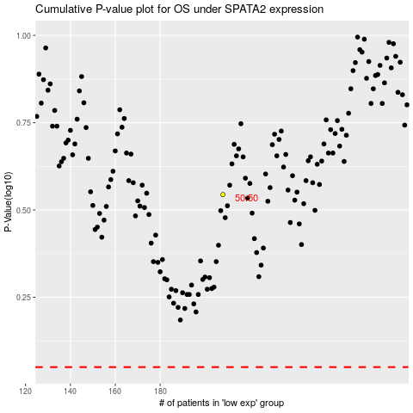

 |  |  |  |  |  | cases_OS | p_OS | rank | exp
 |  |  |  |  |  |  | cases_RFS | p_RFS | rank | exp

