SPATA5 _multivariate
Reported by Tex Li-Hsing Chi. tex@gate.sinica.edu.tw 2019-08-15

Table 2. The clinicopathological features of HNSCC cohort and SPATA5 expression. (Chi square test)
Cutoff at -0.09 (49.8%)
 |  | SPATA5 expression |  | SPATA5 expression |  | (Optimised)
 | Features | Low | (%) | High | (%) | Case no | P-value | Remark | Matthews
Gender | Female | 150 | 36.1 | 156 | 37.6 | 415 | 0.6344 | 0 | 0
2 | Male | 57 | 13.7 | 52 | 12.5
Age at diagnosis | <=65y | 136 | 32.8 | 138 | 33.3 | 415 | 0.9719 | 0 | 0
4 | >65y | 71 | 17.1 | 70 | 16.9
Clinical T Status | T1+T2 | 85 | 20.5 | 64 | 15.4 | 415 | 0.0372 | 1 | 0
6 | T3+T4 | 122 | 29.4 | 144 | 34.7
Clinical N Status | N0 | 119 | 28.7 | 97 | 23.4 | 415 | 0.0345 | 1 | 0
8 | N1-3 | 88 | 21.2 | 111 | 26.7
Clinical M Status | M0 | 205 | 49.4 | 207 | 49.9 | 415 | 0.6232 | 0 | 0
10 | M1 | 2 | 0.5 | 1 | 0.2
Clinical Stage | Stage I+II | 62 | 14.9 | 40 | 9.6 | 415 | 0.0154 | 1 | 0
12 | Stage III+IV | 145 | 34.9 | 168 | 40.5
Surgical Margin status | Negative | 161 | 38.8 | 157 | 37.8 | 415 | 0.6429 | 0 | 0
14 | Positive | 46 | 11.1 | 51 | 12.3
Tobacco Exposure | Low | 89 | 21.4 | 72 | 17.3 | 415 | 0.0872 | 0 | 0
16 | High | 118 | 28.4 | 136 | 32.8

Table 3. Univariate/Multivariate Cox's proportional hazards regression analyses on OS time of SPATA5 gene expression in HNSCC

 |  | Univariate |  |  |  | Multivariate
 | Features | HR | CI95%(L) | CI95%(H) | P-value | HR | CI95%(L) | CI95%(H) | P-value
1 | Female | 1 |  |  |  | 1
Gender | Male | 1.157 | 0.843 | 1.587 | 0.367 | 1.202 | 0.86 | 1.679 | 0.281
11 | <=65y | 1 |  |  |  | 1
Age at diagnosis | >65y | 1.329 | 0.99 | 1.784 | 0.058 | 1.39 | 1.023 | 1.891 | 0.036
12 | T1+T2 | 1 |  |  |  | 1
Clinical T Status | T3+T4 | 1.409 | 1.028 | 1.931 | 0.033 | 2.208 | 1.167 | 4.178 | 0.015
13 | N0 | 1 |  |  |  | 1
Clinical N Status | N1-3 | 1.185 | 0.89 | 1.577 | 0.246 | 1.242 | 0.87 | 1.773 | 0.232
14 | M0 | 1 |  |  |  | 1
Clinical M Status | M1 | 4.097 | 1.009 | 16.644 | 0.049 | 9.47 | 2.063 | 43.475 | 0.004
15 | Stage I+II | 1 |  |  |  | 1
Clinical Stage | Stage III+IV | 1.245 | 0.882 | 1.759 | 0.213 | 0.5 | 0.232 | 1.079 | 0.077
16 | Negative | 1 |  |  |  | 1
Surgical Margin status | Positive | 1.591 | 1.155 | 2.191 | 0.004 | 1.671 | 1.209 | 2.308 | 0.002
17 | Low | 1 |  |  |  | 1
Tobacco Exposure | High | 1.364 | 1.008 | 1.844 | 0.044 | 1.453 | 1.054 | 2.002 | 0.022
18 | Low | 1 |  |  |  | 1
RNAseq(z-score) | High | 1.075 | 0.805 | 1.435 | 0.625 | 1.03 | 0.768 | 1.38 | 0.844

Table 4. Univariate/Multivariate Cox's proportional hazards regression analyses on RFS time of SPATA5 gene expression in HNSCC

 |  | Univariate |  |  |  | Multivariate
 | Features | HR | CI95%(L) | CI95%(H) | P-value | HR | CI95%(L) | CI95%(H) | P-value
1 | Female | 1 |  |  |  | 1
Gender | Male | 1.157 | 0.843 | 1.587 | 0.367 | 1.202 | 0.86 | 1.679 | 0.281
11 | <=65y | 1 |  |  |  | 1
Age at diagnosis | >65y | 1.329 | 0.99 | 1.784 | 0.058 | 1.39 | 1.023 | 1.891 | 0.036
12 | T1+T2 | 1 |  |  |  | 1
Clinical T Status | T3+T4 | 1.409 | 1.028 | 1.931 | 0.033 | 2.208 | 1.167 | 4.178 | 0.015
13 | N0 | 1 |  |  |  | 1
Clinical N Status | N1-3 | 1.185 | 0.89 | 1.577 | 0.246 | 1.242 | 0.87 | 1.773 | 0.232
14 | M0 | 1 |  |  |  | 1
Clinical M Status | M1 | 4.097 | 1.009 | 16.644 | 0.049 | 9.47 | 2.063 | 43.475 | 0.004
15 | Stage I+II | 1 |  |  |  | 1
Clinical Stage | Stage III+IV | 1.245 | 0.882 | 1.759 | 0.213 | 0.5 | 0.232 | 1.079 | 0.077
16 | Negative | 1 |  |  |  | 1
Surgical Margin status | Positive | 1.591 | 1.155 | 2.191 | 0.004 | 1.671 | 1.209 | 2.308 | 0.002
17 | Low | 1 |  |  |  | 1
Tobacco Exposure | High | 1.364 | 1.008 | 1.844 | 0.044 | 1.453 | 1.054 | 2.002 | 0.022
18 | Low | 1 |  |  |  | 1
RNAseq(z-score) | High | 1.075 | 0.805 | 1.435 | 0.625 | 1.03 | 0.768 | 1.38 | 0.844

Kaplan-Meier survival estimate: Cutoff at -0.09 (49.8%)



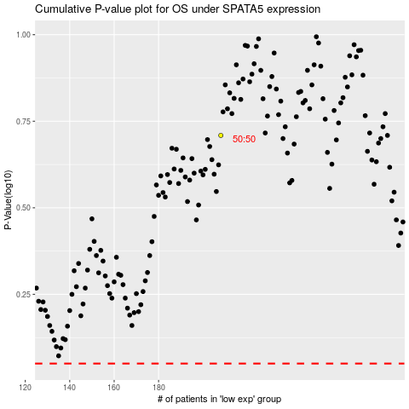

 |  |  |  |  |  | cases_OS | p_OS | rank | exp
 |  |  |  |  |  |  | cases_RFS | p_RFS | rank | exp

