SPATA5L1 _multivariate
Reported by Tex Li-Hsing Chi. tex@gate.sinica.edu.tw 2019-08-15

Table 2. The clinicopathological features of HNSCC cohort and SPATA5L1 expression. (Chi square test)
Cutoff at -0.484 (35.3%)
 |  | SPATA5L1 expression |  | SPATA5L1 expression |  | (Optimised)
 | Features | Low | (%) | High | (%) | Case no | P-value | Remark | Matthews
Gender | Female | 109 | 26.3 | 197 | 47.5 | 415 | 0.8432 | 0 | 0
2 | Male | 37 | 8.9 | 72 | 17.3
Age at diagnosis | <=65y | 98 | 23.6 | 176 | 42.4 | 415 | 0.8105 | 0 | 0
4 | >65y | 48 | 11.6 | 93 | 22.4
Clinical T Status | T1+T2 | 60 | 14.5 | 89 | 21.4 | 415 | 0.1292 | 0 | 0
6 | T3+T4 | 86 | 20.7 | 180 | 43.4
Clinical N Status | N0 | 76 | 18.3 | 140 | 33.7 | 415 | 1 | 0 | 0
8 | N1-3 | 70 | 16.9 | 129 | 31.1
Clinical M Status | M0 | 146 | 35.2 | 266 | 64.1 | 415 | 0.555 | 0 | 0
10 | M1 | 0 | 0 | 3 | 0.7
Clinical Stage | Stage I+II | 40 | 9.6 | 62 | 14.9 | 415 | 0.388 | 0 | 0
12 | Stage III+IV | 106 | 25.5 | 207 | 49.9
Surgical Margin status | Negative | 117 | 28.2 | 201 | 48.4 | 415 | 0.2267 | 0 | 0
14 | Positive | 29 | 7 | 68 | 16.4
Tobacco Exposure | Low | 61 | 14.7 | 100 | 24.1 | 415 | 0.3989 | 0 | 0
16 | High | 85 | 20.5 | 169 | 40.7

Table 3. Univariate/Multivariate Cox's proportional hazards regression analyses on OS time of SPATA5L1 gene expression in HNSCC

 |  | Univariate |  |  |  | Multivariate
 | Features | HR | CI95%(L) | CI95%(H) | P-value | HR | CI95%(L) | CI95%(H) | P-value
1 | Female | 1 |  |  |  | 1
Gender | Male | 1.157 | 0.843 | 1.587 | 0.367 | 1.192 | 0.853 | 1.665 | 0.304
11 | <=65y | 1 |  |  |  | 1
Age at diagnosis | >65y | 1.329 | 0.99 | 1.784 | 0.058 | 1.387 | 1.021 | 1.886 | 0.037
12 | T1+T2 | 1 |  |  |  | 1
Clinical T Status | T3+T4 | 1.409 | 1.028 | 1.931 | 0.033 | 2.157 | 1.141 | 4.08 | 0.018
13 | N0 | 1 |  |  |  | 1
Clinical N Status | N1-3 | 1.185 | 0.89 | 1.577 | 0.246 | 1.262 | 0.884 | 1.802 | 0.201
14 | M0 | 1 |  |  |  | 1
Clinical M Status | M1 | 4.097 | 1.009 | 16.644 | 0.049 | 8.437 | 1.83 | 38.911 | 0.006
15 | Stage I+II | 1 |  |  |  | 1
Clinical Stage | Stage III+IV | 1.245 | 0.882 | 1.759 | 0.213 | 0.512 | 0.239 | 1.099 | 0.086
16 | Negative | 1 |  |  |  | 1
Surgical Margin status | Positive | 1.591 | 1.155 | 2.191 | 0.004 | 1.634 | 1.181 | 2.26 | 0.003
17 | Low | 1 |  |  |  | 1
Tobacco Exposure | High | 1.364 | 1.008 | 1.844 | 0.044 | 1.457 | 1.057 | 2.007 | 0.022
18 | Low | 1 |  |  |  | 1
RNAseq(z-score) | High | 1.364 | 1.003 | 1.856 | 0.048 | 1.272 | 0.931 | 1.736 | 0.13

Table 4. Univariate/Multivariate Cox's proportional hazards regression analyses on RFS time of SPATA5L1 gene expression in HNSCC

 |  | Univariate |  |  |  | Multivariate
 | Features | HR | CI95%(L) | CI95%(H) | P-value | HR | CI95%(L) | CI95%(H) | P-value
1 | Female | 1 |  |  |  | 1
Gender | Male | 1.157 | 0.843 | 1.587 | 0.367 | 1.192 | 0.853 | 1.665 | 0.304
11 | <=65y | 1 |  |  |  | 1
Age at diagnosis | >65y | 1.329 | 0.99 | 1.784 | 0.058 | 1.387 | 1.021 | 1.886 | 0.037
12 | T1+T2 | 1 |  |  |  | 1
Clinical T Status | T3+T4 | 1.409 | 1.028 | 1.931 | 0.033 | 2.157 | 1.141 | 4.08 | 0.018
13 | N0 | 1 |  |  |  | 1
Clinical N Status | N1-3 | 1.185 | 0.89 | 1.577 | 0.246 | 1.262 | 0.884 | 1.802 | 0.201
14 | M0 | 1 |  |  |  | 1
Clinical M Status | M1 | 4.097 | 1.009 | 16.644 | 0.049 | 8.437 | 1.83 | 38.911 | 0.006
15 | Stage I+II | 1 |  |  |  | 1
Clinical Stage | Stage III+IV | 1.245 | 0.882 | 1.759 | 0.213 | 0.512 | 0.239 | 1.099 | 0.086
16 | Negative | 1 |  |  |  | 1
Surgical Margin status | Positive | 1.591 | 1.155 | 2.191 | 0.004 | 1.634 | 1.181 | 2.26 | 0.003
17 | Low | 1 |  |  |  | 1
Tobacco Exposure | High | 1.364 | 1.008 | 1.844 | 0.044 | 1.457 | 1.057 | 2.007 | 0.022
18 | Low | 1 |  |  |  | 1
RNAseq(z-score) | High | 1.364 | 1.003 | 1.856 | 0.048 | 1.272 | 0.931 | 1.736 | 0.13

Kaplan-Meier survival estimate: Cutoff at -0.484 (35.3%)



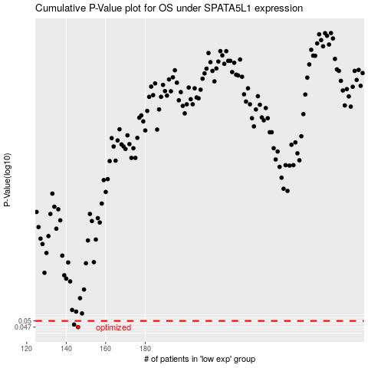

 |  |  |  |  |  | cases_OS | p_OS | rank | exp
 |  |  |  |  |  | 146 | 0.047 | 114 | -0.48356259491
 |  |  |  |  |  | 144 | 0.0482 | 240 | -0.49473090496
 |  |  |  |  |  |  | cases_RFS | p_RFS | rank | exp
 |  |  |  |  |  |  | 145 | 0.047 | 290 | -0.49308930767
 |  |  |  |  |  |  | 143 | 0.0482 | 162 | -0.5070665955

