SPATA7 _multivariate
Reported by Tex Li-Hsing Chi. tex@gate.sinica.edu.tw 2019-08-15

Table 2. The clinicopathological features of HNSCC cohort and SPATA7 expression. (Chi square test)
Cutoff at -0.228 (49.8%)
 |  | SPATA7 expression |  | SPATA7 expression |  | (Optimised)
 | Features | Low | (%) | High | (%) | Case no | P-value | Remark | Matthews
Gender | Female | 149 | 35.9 | 157 | 37.8 | 415 | 0.4848 | 0 | 0
2 | Male | 58 | 14 | 51 | 12.3
Age at diagnosis | <=65y | 130 | 31.3 | 144 | 34.7 | 415 | 0.2009 | 0 | 0
4 | >65y | 77 | 18.6 | 64 | 15.4
Clinical T Status | T1+T2 | 70 | 16.9 | 79 | 19 | 415 | 0.4343 | 0 | 0
6 | T3+T4 | 137 | 33 | 129 | 31.1
Clinical N Status | N0 | 109 | 26.3 | 107 | 25.8 | 415 | 0.8812 | 0 | 0
8 | N1-3 | 98 | 23.6 | 101 | 24.3
Clinical M Status | M0 | 207 | 49.9 | 205 | 49.4 | 415 | 0.2482 | 0 | 0
10 | M1 | 0 | 0 | 3 | 0.7
Clinical Stage | Stage I+II | 48 | 11.6 | 54 | 13 | 415 | 0.5878 | 0 | 0
12 | Stage III+IV | 159 | 38.3 | 154 | 37.1
Surgical Margin status | Negative | 163 | 39.3 | 155 | 37.3 | 415 | 0.3537 | 0 | 0
14 | Positive | 44 | 10.6 | 53 | 12.8
Tobacco Exposure | Low | 83 | 20 | 78 | 18.8 | 415 | 0.6152 | 0 | 0
16 | High | 124 | 29.9 | 130 | 31.3

Table 3. Univariate/Multivariate Cox's proportional hazards regression analyses on OS time of SPATA7 gene expression in HNSCC

 |  | Univariate |  |  |  | Multivariate
 | Features | HR | CI95%(L) | CI95%(H) | P-value | HR | CI95%(L) | CI95%(H) | P-value
1 | Female | 1 |  |  |  | 1
Gender | Male | 1.157 | 0.843 | 1.587 | 0.367 | 1.204 | 0.862 | 1.681 | 0.276
11 | <=65y | 1 |  |  |  | 1
Age at diagnosis | >65y | 1.329 | 0.99 | 1.784 | 0.058 | 1.4 | 1.03 | 1.904 | 0.032
12 | T1+T2 | 1 |  |  |  | 1
Clinical T Status | T3+T4 | 1.409 | 1.028 | 1.931 | 0.033 | 2.198 | 1.163 | 4.154 | 0.015
13 | N0 | 1 |  |  |  | 1
Clinical N Status | N1-3 | 1.185 | 0.89 | 1.577 | 0.246 | 1.231 | 0.863 | 1.758 | 0.251
14 | M0 | 1 |  |  |  | 1
Clinical M Status | M1 | 4.097 | 1.009 | 16.644 | 0.049 | 8.889 | 1.925 | 41.038 | 0.005
15 | Stage I+II | 1 |  |  |  | 1
Clinical Stage | Stage III+IV | 1.245 | 0.882 | 1.759 | 0.213 | 0.513 | 0.239 | 1.103 | 0.087
16 | Negative | 1 |  |  |  | 1
Surgical Margin status | Positive | 1.591 | 1.155 | 2.191 | 0.004 | 1.648 | 1.19 | 2.282 | 0.003
17 | Low | 1 |  |  |  | 1
Tobacco Exposure | High | 1.364 | 1.008 | 1.844 | 0.044 | 1.442 | 1.047 | 1.988 | 0.025
18 | Low | 1 |  |  |  | 1
RNAseq(z-score) | High | 1.151 | 0.863 | 1.535 | 0.339 | 1.116 | 0.832 | 1.498 | 0.464

Table 4. Univariate/Multivariate Cox's proportional hazards regression analyses on RFS time of SPATA7 gene expression in HNSCC

 |  | Univariate |  |  |  | Multivariate
 | Features | HR | CI95%(L) | CI95%(H) | P-value | HR | CI95%(L) | CI95%(H) | P-value
1 | Female | 1 |  |  |  | 1
Gender | Male | 1.157 | 0.843 | 1.587 | 0.367 | 1.204 | 0.862 | 1.681 | 0.276
11 | <=65y | 1 |  |  |  | 1
Age at diagnosis | >65y | 1.329 | 0.99 | 1.784 | 0.058 | 1.4 | 1.03 | 1.904 | 0.032
12 | T1+T2 | 1 |  |  |  | 1
Clinical T Status | T3+T4 | 1.409 | 1.028 | 1.931 | 0.033 | 2.198 | 1.163 | 4.154 | 0.015
13 | N0 | 1 |  |  |  | 1
Clinical N Status | N1-3 | 1.185 | 0.89 | 1.577 | 0.246 | 1.231 | 0.863 | 1.758 | 0.251
14 | M0 | 1 |  |  |  | 1
Clinical M Status | M1 | 4.097 | 1.009 | 16.644 | 0.049 | 8.889 | 1.925 | 41.038 | 0.005
15 | Stage I+II | 1 |  |  |  | 1
Clinical Stage | Stage III+IV | 1.245 | 0.882 | 1.759 | 0.213 | 0.513 | 0.239 | 1.103 | 0.087
16 | Negative | 1 |  |  |  | 1
Surgical Margin status | Positive | 1.591 | 1.155 | 2.191 | 0.004 | 1.648 | 1.19 | 2.282 | 0.003
17 | Low | 1 |  |  |  | 1
Tobacco Exposure | High | 1.364 | 1.008 | 1.844 | 0.044 | 1.442 | 1.047 | 1.988 | 0.025
18 | Low | 1 |  |  |  | 1
RNAseq(z-score) | High | 1.151 | 0.863 | 1.535 | 0.339 | 1.116 | 0.832 | 1.498 | 0.464

Kaplan-Meier survival estimate: Cutoff at -0.228 (49.8%)



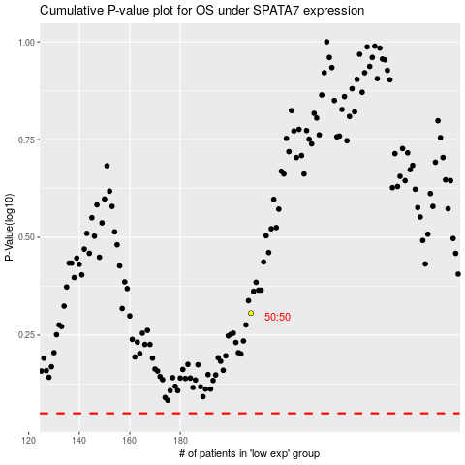

 |  |  |  |  |  | cases_OS | p_OS | rank | exp
 |  |  |  |  |  |  | cases_RFS | p_RFS | rank | exp

