SPATS1 _multivariate
Reported by Tex Li-Hsing Chi. tex@gate.sinica.edu.tw 2019-08-15

Table 2. The clinicopathological features of HNSCC cohort and SPATS1 expression. (Chi square test)
Cutoff at -0.128 (49.8%)
 |  | SPATS1 expression |  | SPATS1 expression |  | (Optimised)
 | Features | Low | (%) | High | (%) | Case no | P-value | Remark | Matthews
Gender | Female | 161 | 38.8 | 145 | 34.9 | 415 | 0.0792 | 0 | 0
2 | Male | 46 | 11.1 | 63 | 15.2
Age at diagnosis | <=65y | 143 | 34.5 | 131 | 31.6 | 415 | 0.2269 | 0 | 0
4 | >65y | 64 | 15.4 | 77 | 18.6
Clinical T Status | T1+T2 | 83 | 20 | 66 | 15.9 | 415 | 0.0941 | 0 | 0
6 | T3+T4 | 124 | 29.9 | 142 | 34.2
Clinical N Status | N0 | 107 | 25.8 | 109 | 26.3 | 415 | 0.9624 | 0 | 0
8 | N1-3 | 100 | 24.1 | 99 | 23.9
Clinical M Status | M0 | 205 | 49.4 | 207 | 49.9 | 415 | 0.6232 | 0 | 0
10 | M1 | 2 | 0.5 | 1 | 0.2
Clinical Stage | Stage I+II | 55 | 13.3 | 47 | 11.3 | 415 | 0.4087 | 0 | 0
12 | Stage III+IV | 152 | 36.6 | 161 | 38.8
Surgical Margin status | Negative | 156 | 37.6 | 162 | 39 | 415 | 0.5636 | 0 | 0
14 | Positive | 51 | 12.3 | 46 | 11.1
Tobacco Exposure | Low | 75 | 18.1 | 86 | 20.7 | 415 | 0.3141 | 0 | 0
16 | High | 132 | 31.8 | 122 | 29.4

Table 3. Univariate/Multivariate Cox's proportional hazards regression analyses on OS time of SPATS1 gene expression in HNSCC

 |  | Univariate |  |  |  | Multivariate
 | Features | HR | CI95%(L) | CI95%(H) | P-value | HR | CI95%(L) | CI95%(H) | P-value
1 | Female | 1 |  |  |  | 1
Gender | Male | 1.157 | 0.843 | 1.587 | 0.367 | 1.213 | 0.867 | 1.697 | 0.26
11 | <=65y | 1 |  |  |  | 1
Age at diagnosis | >65y | 1.329 | 0.99 | 1.784 | 0.058 | 1.401 | 1.03 | 1.907 | 0.032
12 | T1+T2 | 1 |  |  |  | 1
Clinical T Status | T3+T4 | 1.409 | 1.028 | 1.931 | 0.033 | 2.233 | 1.179 | 4.231 | 0.014
13 | N0 | 1 |  |  |  | 1
Clinical N Status | N1-3 | 1.185 | 0.89 | 1.577 | 0.246 | 1.241 | 0.87 | 1.772 | 0.234
14 | M0 | 1 |  |  |  | 1
Clinical M Status | M1 | 4.097 | 1.009 | 16.644 | 0.049 | 9.454 | 2.062 | 43.341 | 0.004
15 | Stage I+II | 1 |  |  |  | 1
Clinical Stage | Stage III+IV | 1.245 | 0.882 | 1.759 | 0.213 | 0.499 | 0.232 | 1.072 | 0.075
16 | Negative | 1 |  |  |  | 1
Surgical Margin status | Positive | 1.591 | 1.155 | 2.191 | 0.004 | 1.675 | 1.212 | 2.315 | 0.002
17 | Low | 1 |  |  |  | 1
Tobacco Exposure | High | 1.364 | 1.008 | 1.844 | 0.044 | 1.455 | 1.056 | 2.006 | 0.022
18 | Low | 1 |  |  |  | 1
RNAseq(z-score) | High | 0.997 | 0.748 | 1.33 | 0.984 | 0.917 | 0.685 | 1.227 | 0.558

Table 4. Univariate/Multivariate Cox's proportional hazards regression analyses on RFS time of SPATS1 gene expression in HNSCC

 |  | Univariate |  |  |  | Multivariate
 | Features | HR | CI95%(L) | CI95%(H) | P-value | HR | CI95%(L) | CI95%(H) | P-value
1 | Female | 1 |  |  |  | 1
Gender | Male | 1.157 | 0.843 | 1.587 | 0.367 | 1.213 | 0.867 | 1.697 | 0.26
11 | <=65y | 1 |  |  |  | 1
Age at diagnosis | >65y | 1.329 | 0.99 | 1.784 | 0.058 | 1.401 | 1.03 | 1.907 | 0.032
12 | T1+T2 | 1 |  |  |  | 1
Clinical T Status | T3+T4 | 1.409 | 1.028 | 1.931 | 0.033 | 2.233 | 1.179 | 4.231 | 0.014
13 | N0 | 1 |  |  |  | 1
Clinical N Status | N1-3 | 1.185 | 0.89 | 1.577 | 0.246 | 1.241 | 0.87 | 1.772 | 0.234
14 | M0 | 1 |  |  |  | 1
Clinical M Status | M1 | 4.097 | 1.009 | 16.644 | 0.049 | 9.454 | 2.062 | 43.341 | 0.004
15 | Stage I+II | 1 |  |  |  | 1
Clinical Stage | Stage III+IV | 1.245 | 0.882 | 1.759 | 0.213 | 0.499 | 0.232 | 1.072 | 0.075
16 | Negative | 1 |  |  |  | 1
Surgical Margin status | Positive | 1.591 | 1.155 | 2.191 | 0.004 | 1.675 | 1.212 | 2.315 | 0.002
17 | Low | 1 |  |  |  | 1
Tobacco Exposure | High | 1.364 | 1.008 | 1.844 | 0.044 | 1.455 | 1.056 | 2.006 | 0.022
18 | Low | 1 |  |  |  | 1
RNAseq(z-score) | High | 0.997 | 0.748 | 1.33 | 0.984 | 0.917 | 0.685 | 1.227 | 0.558

Kaplan-Meier survival estimate: Cutoff at -0.128 (49.8%)



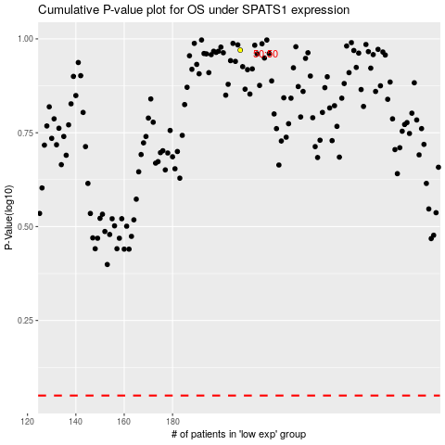

 |  |  |  |  |  | cases_OS | p_OS | rank | exp
 |  |  |  |  |  |  | cases_RFS | p_RFS | rank | exp

