SPC24 _multivariate
Reported by Tex Li-Hsing Chi. tex@gate.sinica.edu.tw 2019-08-15

Table 2. The clinicopathological features of HNSCC cohort and SPC24 expression. (Chi square test)
Cutoff at -0.199 (49.8%)
 |  | SPC24 expression |  | SPC24 expression |  | (Optimised)
 | Features | Low | (%) | High | (%) | Case no | P-value | Remark | Matthews
Gender | Female | 141 | 34 | 165 | 39.8 | 415 | 0.013 | 1 | 0
2 | Male | 66 | 15.9 | 43 | 10.4
Age at diagnosis | <=65y | 136 | 32.8 | 138 | 33.3 | 415 | 0.9719 | 0 | 0
4 | >65y | 71 | 17.1 | 70 | 16.9
Clinical T Status | T1+T2 | 78 | 18.8 | 71 | 17.1 | 415 | 0.5152 | 0 | 0
6 | T3+T4 | 129 | 31.1 | 137 | 33
Clinical N Status | N0 | 114 | 27.5 | 102 | 24.6 | 415 | 0.2576 | 1 | 0
8 | N1-3 | 93 | 22.4 | 106 | 25.5
Clinical M Status | M0 | 207 | 49.9 | 205 | 49.4 | 415 | 0.2482 | 0 | 0
10 | M1 | 0 | 0 | 3 | 0.7
Clinical Stage | Stage I+II | 60 | 14.5 | 42 | 10.1 | 415 | 0.0493 | 1 | 0
12 | Stage III+IV | 147 | 35.4 | 166 | 40
Surgical Margin status | Negative | 166 | 40 | 152 | 36.6 | 415 | 0.1042 | 0 | 0
14 | Positive | 41 | 9.9 | 56 | 13.5
Tobacco Exposure | Low | 92 | 22.2 | 69 | 16.6 | 415 | 0.0206 | 1 | 0
16 | High | 115 | 27.7 | 139 | 33.5

Table 3. Univariate/Multivariate Cox's proportional hazards regression analyses on OS time of SPC24 gene expression in HNSCC

 |  | Univariate |  |  |  | Multivariate
 | Features | HR | CI95%(L) | CI95%(H) | P-value | HR | CI95%(L) | CI95%(H) | P-value
1 | Female | 1 |  |  |  | 1
Gender | Male | 1.157 | 0.843 | 1.587 | 0.367 | 1.166 | 0.828 | 1.643 | 0.378
11 | <=65y | 1 |  |  |  | 1
Age at diagnosis | >65y | 1.329 | 0.99 | 1.784 | 0.058 | 1.404 | 1.032 | 1.911 | 0.031
12 | T1+T2 | 1 |  |  |  | 1
Clinical T Status | T3+T4 | 1.409 | 1.028 | 1.931 | 0.033 | 2.186 | 1.155 | 4.136 | 0.016
13 | N0 | 1 |  |  |  | 1
Clinical N Status | N1-3 | 1.185 | 0.89 | 1.577 | 0.246 | 1.232 | 0.863 | 1.758 | 0.25
14 | M0 | 1 |  |  |  | 1
Clinical M Status | M1 | 4.097 | 1.009 | 16.644 | 0.049 | 9.88 | 2.144 | 45.527 | 0.003
15 | Stage I+II | 1 |  |  |  | 1
Clinical Stage | Stage III+IV | 1.245 | 0.882 | 1.759 | 0.213 | 0.515 | 0.239 | 1.107 | 0.089
16 | Negative | 1 |  |  |  | 1
Surgical Margin status | Positive | 1.591 | 1.155 | 2.191 | 0.004 | 1.692 | 1.223 | 2.341 | 0.002
17 | Low | 1 |  |  |  | 1
Tobacco Exposure | High | 1.364 | 1.008 | 1.844 | 0.044 | 1.46 | 1.06 | 2.011 | 0.021
18 | Low | 1 |  |  |  | 1
RNAseq(z-score) | High | 0.924 | 0.694 | 1.23 | 0.587 | 0.886 | 0.656 | 1.197 | 0.43

Table 4. Univariate/Multivariate Cox's proportional hazards regression analyses on RFS time of SPC24 gene expression in HNSCC

 |  | Univariate |  |  |  | Multivariate
 | Features | HR | CI95%(L) | CI95%(H) | P-value | HR | CI95%(L) | CI95%(H) | P-value
1 | Female | 1 |  |  |  | 1
Gender | Male | 1.157 | 0.843 | 1.587 | 0.367 | 1.166 | 0.828 | 1.643 | 0.378
11 | <=65y | 1 |  |  |  | 1
Age at diagnosis | >65y | 1.329 | 0.99 | 1.784 | 0.058 | 1.404 | 1.032 | 1.911 | 0.031
12 | T1+T2 | 1 |  |  |  | 1
Clinical T Status | T3+T4 | 1.409 | 1.028 | 1.931 | 0.033 | 2.186 | 1.155 | 4.136 | 0.016
13 | N0 | 1 |  |  |  | 1
Clinical N Status | N1-3 | 1.185 | 0.89 | 1.577 | 0.246 | 1.232 | 0.863 | 1.758 | 0.25
14 | M0 | 1 |  |  |  | 1
Clinical M Status | M1 | 4.097 | 1.009 | 16.644 | 0.049 | 9.88 | 2.144 | 45.527 | 0.003
15 | Stage I+II | 1 |  |  |  | 1
Clinical Stage | Stage III+IV | 1.245 | 0.882 | 1.759 | 0.213 | 0.515 | 0.239 | 1.107 | 0.089
16 | Negative | 1 |  |  |  | 1
Surgical Margin status | Positive | 1.591 | 1.155 | 2.191 | 0.004 | 1.692 | 1.223 | 2.341 | 0.002
17 | Low | 1 |  |  |  | 1
Tobacco Exposure | High | 1.364 | 1.008 | 1.844 | 0.044 | 1.46 | 1.06 | 2.011 | 0.021
18 | Low | 1 |  |  |  | 1
RNAseq(z-score) | High | 0.924 | 0.694 | 1.23 | 0.587 | 0.886 | 0.656 | 1.197 | 0.43

Kaplan-Meier survival estimate: Cutoff at -0.199 (49.8%)



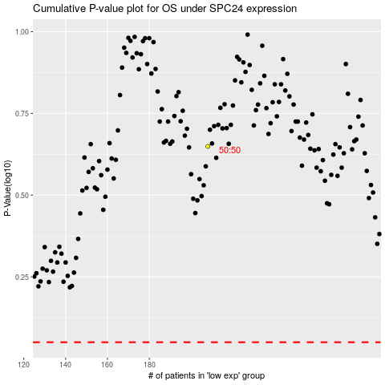

 |  |  |  |  |  | cases_OS | p_OS | rank | exp
 |  |  |  |  |  |  | cases_RFS | p_RFS | rank | exp

