SPDEF _multivariate
Reported by Tex Li-Hsing Chi. tex@gate.sinica.edu.tw 2019-08-15

Table 2. The clinicopathological features of HNSCC cohort and SPDEF expression. (Chi square test)
Cutoff at -0.214 (50.0%)
 |  | SPDEF expression |  | SPDEF expression |  | (Optimised)
 | Features | Low | (%) | High | (%) | Case no | P-value | Remark | Matthews
Gender | Female | 148 | 35.7 | 158 | 38.1 | 415 | 0.3567 | 0 | 0
2 | Male | 59 | 14.2 | 50 | 12
Age at diagnosis | <=65y | 135 | 32.5 | 139 | 33.5 | 415 | 0.8084 | 0 | 0
4 | >65y | 72 | 17.3 | 69 | 16.6
Clinical T Status | T1+T2 | 82 | 19.8 | 67 | 16.1 | 415 | 0.1417 | 0 | 0
6 | T3+T4 | 125 | 30.1 | 141 | 34
Clinical N Status | N0 | 111 | 26.7 | 105 | 25.3 | 415 | 0.5875 | 0 | 0
8 | N1-3 | 96 | 23.1 | 103 | 24.8
Clinical M Status | M0 | 205 | 49.4 | 207 | 49.9 | 415 | 0.6232 | 0 | 0
10 | M1 | 2 | 0.5 | 1 | 0.2
Clinical Stage | Stage I+II | 55 | 13.3 | 47 | 11.3 | 415 | 0.4087 | 0 | 0
12 | Stage III+IV | 152 | 36.6 | 161 | 38.8
Surgical Margin status | Negative | 163 | 39.3 | 155 | 37.3 | 415 | 0.3537 | 0 | 0
14 | Positive | 44 | 10.6 | 53 | 12.8
Tobacco Exposure | Low | 87 | 21 | 74 | 17.8 | 415 | 0.1911 | 0 | 0
16 | High | 120 | 28.9 | 134 | 32.3

Table 3. Univariate/Multivariate Cox's proportional hazards regression analyses on OS time of SPDEF gene expression in HNSCC

 |  | Univariate |  |  |  | Multivariate
 | Features | HR | CI95%(L) | CI95%(H) | P-value | HR | CI95%(L) | CI95%(H) | P-value
1 | Female | 1 |  |  |  | 1
Gender | Male | 1.157 | 0.843 | 1.587 | 0.367 | 1.149 | 0.82 | 1.611 | 0.419
11 | <=65y | 1 |  |  |  | 1
Age at diagnosis | >65y | 1.329 | 0.99 | 1.784 | 0.058 | 1.406 | 1.034 | 1.912 | 0.03
12 | T1+T2 | 1 |  |  |  | 1
Clinical T Status | T3+T4 | 1.409 | 1.028 | 1.931 | 0.033 | 2.24 | 1.184 | 4.236 | 0.013
13 | N0 | 1 |  |  |  | 1
Clinical N Status | N1-3 | 1.185 | 0.89 | 1.577 | 0.246 | 1.243 | 0.872 | 1.773 | 0.23
14 | M0 | 1 |  |  |  | 1
Clinical M Status | M1 | 4.097 | 1.009 | 16.644 | 0.049 | 9.187 | 2.004 | 42.12 | 0.004
15 | Stage I+II | 1 |  |  |  | 1
Clinical Stage | Stage III+IV | 1.245 | 0.882 | 1.759 | 0.213 | 0.505 | 0.235 | 1.083 | 0.079
16 | Negative | 1 |  |  |  | 1
Surgical Margin status | Positive | 1.591 | 1.155 | 2.191 | 0.004 | 1.676 | 1.214 | 2.315 | 0.002
17 | Low | 1 |  |  |  | 1
Tobacco Exposure | High | 1.364 | 1.008 | 1.844 | 0.044 | 1.482 | 1.075 | 2.042 | 0.016
18 | Low | 1 |  |  |  | 1
RNAseq(z-score) | High | 0.807 | 0.605 | 1.077 | 0.145 | 0.768 | 0.573 | 1.03 | 0.078

Table 4. Univariate/Multivariate Cox's proportional hazards regression analyses on RFS time of SPDEF gene expression in HNSCC

 |  | Univariate |  |  |  | Multivariate
 | Features | HR | CI95%(L) | CI95%(H) | P-value | HR | CI95%(L) | CI95%(H) | P-value
1 | Female | 1 |  |  |  | 1
Gender | Male | 1.157 | 0.843 | 1.587 | 0.367 | 1.149 | 0.82 | 1.611 | 0.419
11 | <=65y | 1 |  |  |  | 1
Age at diagnosis | >65y | 1.329 | 0.99 | 1.784 | 0.058 | 1.406 | 1.034 | 1.912 | 0.03
12 | T1+T2 | 1 |  |  |  | 1
Clinical T Status | T3+T4 | 1.409 | 1.028 | 1.931 | 0.033 | 2.24 | 1.184 | 4.236 | 0.013
13 | N0 | 1 |  |  |  | 1
Clinical N Status | N1-3 | 1.185 | 0.89 | 1.577 | 0.246 | 1.243 | 0.872 | 1.773 | 0.23
14 | M0 | 1 |  |  |  | 1
Clinical M Status | M1 | 4.097 | 1.009 | 16.644 | 0.049 | 9.187 | 2.004 | 42.12 | 0.004
15 | Stage I+II | 1 |  |  |  | 1
Clinical Stage | Stage III+IV | 1.245 | 0.882 | 1.759 | 0.213 | 0.505 | 0.235 | 1.083 | 0.079
16 | Negative | 1 |  |  |  | 1
Surgical Margin status | Positive | 1.591 | 1.155 | 2.191 | 0.004 | 1.676 | 1.214 | 2.315 | 0.002
17 | Low | 1 |  |  |  | 1
Tobacco Exposure | High | 1.364 | 1.008 | 1.844 | 0.044 | 1.482 | 1.075 | 2.042 | 0.016
18 | Low | 1 |  |  |  | 1
RNAseq(z-score) | High | 0.807 | 0.605 | 1.077 | 0.145 | 0.768 | 0.573 | 1.03 | 0.078

Kaplan-Meier survival estimate: Cutoff at -0.214 (50.0%)



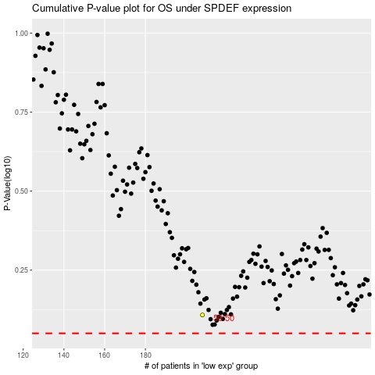

 |  |  |  |  |  | cases_OS | p_OS | rank | exp
 |  |  |  |  |  |  | cases_RFS | p_RFS | rank | exp

