SPDYE6 _multivariate
Reported by Tex Li-Hsing Chi. tex@gate.sinica.edu.tw 2019-08-15

Table 2. The clinicopathological features of HNSCC cohort and SPDYE6 expression. (Chi square test)
Cutoff at -0.231 (49.8%)
 |  | SPDYE6 expression |  | SPDYE6 expression |  | (Optimised)
 | Features | Low | (%) | High | (%) | Case no | P-value | Remark | Matthews
Gender | Female | 147 | 35.4 | 159 | 38.3 | 415 | 0.2523 | 0 | 0
2 | Male | 60 | 14.5 | 49 | 11.8
Age at diagnosis | <=65y | 136 | 32.8 | 138 | 33.3 | 415 | 0.9719 | 0 | 0
4 | >65y | 71 | 17.1 | 70 | 16.9
Clinical T Status | T1+T2 | 69 | 16.6 | 80 | 19.3 | 415 | 0.3239 | 0 | 0
6 | T3+T4 | 138 | 33.3 | 128 | 30.8
Clinical N Status | N0 | 96 | 23.1 | 120 | 28.9 | 415 | 0.0272 | 1 | 0
8 | N1-3 | 111 | 26.7 | 88 | 21.2
Clinical M Status | M0 | 207 | 49.9 | 205 | 49.4 | 415 | 0.2482 | 0 | 0
10 | M1 | 0 | 0 | 3 | 0.7
Clinical Stage | Stage I+II | 49 | 11.8 | 53 | 12.8 | 415 | 0.7535 | 0 | 0
12 | Stage III+IV | 158 | 38.1 | 155 | 37.3
Surgical Margin status | Negative | 161 | 38.8 | 157 | 37.8 | 415 | 0.6429 | 0 | 0
14 | Positive | 46 | 11.1 | 51 | 12.3
Tobacco Exposure | Low | 77 | 18.6 | 84 | 20.2 | 415 | 0.5459 | 0 | 0
16 | High | 130 | 31.3 | 124 | 29.9

Table 3. Univariate/Multivariate Cox's proportional hazards regression analyses on OS time of SPDYE6 gene expression in HNSCC

 |  | Univariate |  |  |  | Multivariate
 | Features | HR | CI95%(L) | CI95%(H) | P-value | HR | CI95%(L) | CI95%(H) | P-value
1 | Female | 1 |  |  |  | 1
Gender | Male | 1.157 | 0.843 | 1.587 | 0.367 | 1.183 | 0.846 | 1.654 | 0.326
11 | <=65y | 1 |  |  |  | 1
Age at diagnosis | >65y | 1.329 | 0.99 | 1.784 | 0.058 | 1.406 | 1.033 | 1.914 | 0.03
12 | T1+T2 | 1 |  |  |  | 1
Clinical T Status | T3+T4 | 1.409 | 1.028 | 1.931 | 0.033 | 2.145 | 1.133 | 4.062 | 0.019
13 | N0 | 1 |  |  |  | 1
Clinical N Status | N1-3 | 1.185 | 0.89 | 1.577 | 0.246 | 1.197 | 0.835 | 1.715 | 0.327
14 | M0 | 1 |  |  |  | 1
Clinical M Status | M1 | 4.097 | 1.009 | 16.644 | 0.049 | 10.284 | 2.229 | 47.453 | 0.003
15 | Stage I+II | 1 |  |  |  | 1
Clinical Stage | Stage III+IV | 1.245 | 0.882 | 1.759 | 0.213 | 0.527 | 0.245 | 1.136 | 0.102
16 | Negative | 1 |  |  |  | 1
Surgical Margin status | Positive | 1.591 | 1.155 | 2.191 | 0.004 | 1.698 | 1.228 | 2.349 | 0.001
17 | Low | 1 |  |  |  | 1
Tobacco Exposure | High | 1.364 | 1.008 | 1.844 | 0.044 | 1.45 | 1.051 | 2.001 | 0.024
18 | Low | 1 |  |  |  | 1
RNAseq(z-score) | High | 0.827 | 0.619 | 1.104 | 0.197 | 0.824 | 0.613 | 1.109 | 0.202

Table 4. Univariate/Multivariate Cox's proportional hazards regression analyses on RFS time of SPDYE6 gene expression in HNSCC

 |  | Univariate |  |  |  | Multivariate
 | Features | HR | CI95%(L) | CI95%(H) | P-value | HR | CI95%(L) | CI95%(H) | P-value
1 | Female | 1 |  |  |  | 1
Gender | Male | 1.157 | 0.843 | 1.587 | 0.367 | 1.183 | 0.846 | 1.654 | 0.326
11 | <=65y | 1 |  |  |  | 1
Age at diagnosis | >65y | 1.329 | 0.99 | 1.784 | 0.058 | 1.406 | 1.033 | 1.914 | 0.03
12 | T1+T2 | 1 |  |  |  | 1
Clinical T Status | T3+T4 | 1.409 | 1.028 | 1.931 | 0.033 | 2.145 | 1.133 | 4.062 | 0.019
13 | N0 | 1 |  |  |  | 1
Clinical N Status | N1-3 | 1.185 | 0.89 | 1.577 | 0.246 | 1.197 | 0.835 | 1.715 | 0.327
14 | M0 | 1 |  |  |  | 1
Clinical M Status | M1 | 4.097 | 1.009 | 16.644 | 0.049 | 10.284 | 2.229 | 47.453 | 0.003
15 | Stage I+II | 1 |  |  |  | 1
Clinical Stage | Stage III+IV | 1.245 | 0.882 | 1.759 | 0.213 | 0.527 | 0.245 | 1.136 | 0.102
16 | Negative | 1 |  |  |  | 1
Surgical Margin status | Positive | 1.591 | 1.155 | 2.191 | 0.004 | 1.698 | 1.228 | 2.349 | 0.001
17 | Low | 1 |  |  |  | 1
Tobacco Exposure | High | 1.364 | 1.008 | 1.844 | 0.044 | 1.45 | 1.051 | 2.001 | 0.024
18 | Low | 1 |  |  |  | 1
RNAseq(z-score) | High | 0.827 | 0.619 | 1.104 | 0.197 | 0.824 | 0.613 | 1.109 | 0.202

Kaplan-Meier survival estimate: Cutoff at -0.231 (49.8%)



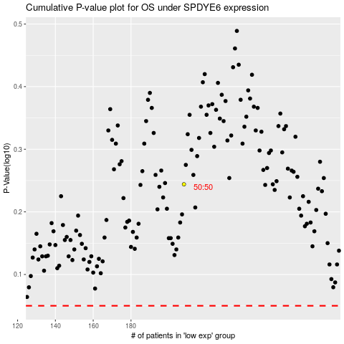

 |  |  |  |  |  | cases_OS | p_OS | rank | exp
 |  |  |  |  |  |  | cases_RFS | p_RFS | rank | exp

