SPEF2 _multivariate
Reported by Tex Li-Hsing Chi. tex@gate.sinica.edu.tw 2019-08-15

Table 2. The clinicopathological features of HNSCC cohort and SPEF2 expression. (Chi square test)
Cutoff at -0.327 (47.3%)
 |  | SPEF2 expression |  | SPEF2 expression |  | (Optimised)
 | Features | Low | (%) | High | (%) | Case no | P-value | Remark | Matthews
Gender | Female | 139 | 33.5 | 167 | 40.2 | 415 | 0.1984 | 0 | 0
2 | Male | 58 | 14 | 51 | 12.3
Age at diagnosis | <=65y | 130 | 31.3 | 144 | 34.7 | 415 | 1 | 0 | 0
4 | >65y | 67 | 16.1 | 74 | 17.8
Clinical T Status | T1+T2 | 69 | 16.6 | 80 | 19.3 | 415 | 0.801 | 0 | 0
6 | T3+T4 | 128 | 30.8 | 138 | 33.3
Clinical N Status | N0 | 94 | 22.7 | 122 | 29.4 | 415 | 0.1139 | 0 | 0
8 | N1-3 | 103 | 24.8 | 96 | 23.1
Clinical M Status | M0 | 194 | 46.7 | 218 | 52.5 | 415 | 0.1061 | 0 | 0
10 | M1 | 3 | 0.7 | 0 | 0
Clinical Stage | Stage I+II | 47 | 11.3 | 55 | 13.3 | 415 | 0.8338 | 0 | 0
12 | Stage III+IV | 150 | 36.1 | 163 | 39.3
Surgical Margin status | Negative | 150 | 36.1 | 168 | 40.5 | 415 | 0.9076 | 0 | 0
14 | Positive | 47 | 11.3 | 50 | 12
Tobacco Exposure | Low | 80 | 19.3 | 81 | 19.5 | 415 | 0.4818 | 0 | 0
16 | High | 117 | 28.2 | 137 | 33

Table 3. Univariate/Multivariate Cox's proportional hazards regression analyses on OS time of SPEF2 gene expression in HNSCC

 |  | Univariate |  |  |  | Multivariate
 | Features | HR | CI95%(L) | CI95%(H) | P-value | HR | CI95%(L) | CI95%(H) | P-value
1 | Female | 1 |  |  |  | 1
Gender | Male | 1.157 | 0.843 | 1.587 | 0.367 | 1.174 | 0.838 | 1.644 | 0.35
11 | <=65y | 1 |  |  |  | 1
Age at diagnosis | >65y | 1.329 | 0.99 | 1.784 | 0.058 | 1.375 | 1.012 | 1.869 | 0.042
12 | T1+T2 | 1 |  |  |  | 1
Clinical T Status | T3+T4 | 1.409 | 1.028 | 1.931 | 0.033 | 2.148 | 1.135 | 4.063 | 0.019
13 | N0 | 1 |  |  |  | 1
Clinical N Status | N1-3 | 1.185 | 0.89 | 1.577 | 0.246 | 1.21 | 0.847 | 1.728 | 0.296
14 | M0 | 1 |  |  |  | 1
Clinical M Status | M1 | 4.097 | 1.009 | 16.644 | 0.049 | 8.195 | 1.773 | 37.873 | 0.007
15 | Stage I+II | 1 |  |  |  | 1
Clinical Stage | Stage III+IV | 1.245 | 0.882 | 1.759 | 0.213 | 0.52 | 0.242 | 1.118 | 0.094
16 | Negative | 1 |  |  |  | 1
Surgical Margin status | Positive | 1.591 | 1.155 | 2.191 | 0.004 | 1.659 | 1.201 | 2.292 | 0.002
17 | Low | 1 |  |  |  | 1
Tobacco Exposure | High | 1.364 | 1.008 | 1.844 | 0.044 | 1.477 | 1.07 | 2.039 | 0.018
18 | Low | 1 |  |  |  | 1
RNAseq(z-score) | High | 0.741 | 0.556 | 0.988 | 0.041 | 0.787 | 0.587 | 1.054 | 0.108

Table 4. Univariate/Multivariate Cox's proportional hazards regression analyses on RFS time of SPEF2 gene expression in HNSCC

 |  | Univariate |  |  |  | Multivariate
 | Features | HR | CI95%(L) | CI95%(H) | P-value | HR | CI95%(L) | CI95%(H) | P-value
1 | Female | 1 |  |  |  | 1
Gender | Male | 1.157 | 0.843 | 1.587 | 0.367 | 1.174 | 0.838 | 1.644 | 0.35
11 | <=65y | 1 |  |  |  | 1
Age at diagnosis | >65y | 1.329 | 0.99 | 1.784 | 0.058 | 1.375 | 1.012 | 1.869 | 0.042
12 | T1+T2 | 1 |  |  |  | 1
Clinical T Status | T3+T4 | 1.409 | 1.028 | 1.931 | 0.033 | 2.148 | 1.135 | 4.063 | 0.019
13 | N0 | 1 |  |  |  | 1
Clinical N Status | N1-3 | 1.185 | 0.89 | 1.577 | 0.246 | 1.21 | 0.847 | 1.728 | 0.296
14 | M0 | 1 |  |  |  | 1
Clinical M Status | M1 | 4.097 | 1.009 | 16.644 | 0.049 | 8.195 | 1.773 | 37.873 | 0.007
15 | Stage I+II | 1 |  |  |  | 1
Clinical Stage | Stage III+IV | 1.245 | 0.882 | 1.759 | 0.213 | 0.52 | 0.242 | 1.118 | 0.094
16 | Negative | 1 |  |  |  | 1
Surgical Margin status | Positive | 1.591 | 1.155 | 2.191 | 0.004 | 1.659 | 1.201 | 2.292 | 0.002
17 | Low | 1 |  |  |  | 1
Tobacco Exposure | High | 1.364 | 1.008 | 1.844 | 0.044 | 1.477 | 1.07 | 2.039 | 0.018
18 | Low | 1 |  |  |  | 1
RNAseq(z-score) | High | 0.741 | 0.556 | 0.988 | 0.041 | 0.787 | 0.587 | 1.054 | 0.108

Kaplan-Meier survival estimate: Cutoff at -0.327 (47.3%)



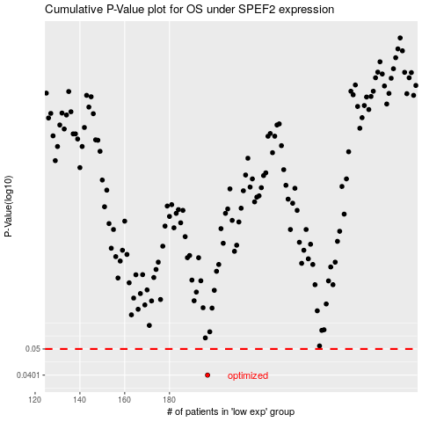

 |  |  |  |  |  | cases_OS | p_OS | rank | exp
 |  |  |  |  |  | 197 | 0.0401 | 188 | -0.3273514817
 |  |  |  |  |  |  | cases_RFS | p_RFS | rank | exp
 |  |  |  |  |  |  | 196 | 0.0401 | 283 | -0.32736541871

