SPHAR _multivariate
Reported by Tex Li-Hsing Chi. tex@gate.sinica.edu.tw 2019-08-15

Table 2. The clinicopathological features of HNSCC cohort and SPHAR expression. (Chi square test)
Cutoff at -0.282 (50.0%)
 |  | SPHAR expression |  | SPHAR expression |  | (Optimised)
 | Features | Low | (%) | High | (%) | Case no | P-value | Remark | Matthews
Gender | Female | 153 | 36.9 | 153 | 36.9 | 415 | 1 | 0 | 0
2 | Male | 54 | 13 | 55 | 13.3
Age at diagnosis | <=65y | 131 | 31.6 | 143 | 34.5 | 415 | 0.2839 | 0 | 0
4 | >65y | 76 | 18.3 | 65 | 15.7
Clinical T Status | T1+T2 | 59 | 14.2 | 90 | 21.7 | 415 | 0.0024 | 1 | 0
6 | T3+T4 | 148 | 35.7 | 118 | 28.4
Clinical N Status | N0 | 102 | 24.6 | 114 | 27.5 | 415 | 0.3031 | 0 | 0
8 | N1-3 | 105 | 25.3 | 94 | 22.7
Clinical M Status | M0 | 206 | 49.6 | 206 | 49.6 | 415 | 1 | 0 | 0
10 | M1 | 1 | 0.2 | 2 | 0.5
Clinical Stage | Stage I+II | 42 | 10.1 | 60 | 14.5 | 415 | 0.0561 | 0 | 0
12 | Stage III+IV | 165 | 39.8 | 148 | 35.7
Surgical Margin status | Negative | 168 | 40.5 | 150 | 36.1 | 415 | 0.0366 | 1 | 0
14 | Positive | 39 | 9.4 | 58 | 14
Tobacco Exposure | Low | 78 | 18.8 | 83 | 20 | 415 | 0.6873 | 0 | 0
16 | High | 129 | 31.1 | 125 | 30.1

Table 3. Univariate/Multivariate Cox's proportional hazards regression analyses on OS time of SPHAR gene expression in HNSCC

 |  | Univariate |  |  |  | Multivariate
 | Features | HR | CI95%(L) | CI95%(H) | P-value | HR | CI95%(L) | CI95%(H) | P-value
1 | Female | 1 |  |  |  | 1
Gender | Male | 1.157 | 0.843 | 1.587 | 0.367 | 1.204 | 0.862 | 1.683 | 0.276
11 | <=65y | 1 |  |  |  | 1
Age at diagnosis | >65y | 1.329 | 0.99 | 1.784 | 0.058 | 1.385 | 1.017 | 1.888 | 0.039
12 | T1+T2 | 1 |  |  |  | 1
Clinical T Status | T3+T4 | 1.409 | 1.028 | 1.931 | 0.033 | 2.187 | 1.154 | 4.146 | 0.016
13 | N0 | 1 |  |  |  | 1
Clinical N Status | N1-3 | 1.185 | 0.89 | 1.577 | 0.246 | 1.239 | 0.868 | 1.768 | 0.239
14 | M0 | 1 |  |  |  | 1
Clinical M Status | M1 | 4.097 | 1.009 | 16.644 | 0.049 | 9.416 | 2.054 | 43.167 | 0.004
15 | Stage I+II | 1 |  |  |  | 1
Clinical Stage | Stage III+IV | 1.245 | 0.882 | 1.759 | 0.213 | 0.506 | 0.236 | 1.087 | 0.081
16 | Negative | 1 |  |  |  | 1
Surgical Margin status | Positive | 1.591 | 1.155 | 2.191 | 0.004 | 1.684 | 1.212 | 2.342 | 0.002
17 | Low | 1 |  |  |  | 1
Tobacco Exposure | High | 1.364 | 1.008 | 1.844 | 0.044 | 1.46 | 1.057 | 2.017 | 0.022
18 | Low | 1 |  |  |  | 1
RNAseq(z-score) | High | 0.972 | 0.73 | 1.296 | 0.849 | 0.964 | 0.714 | 1.301 | 0.812

Table 4. Univariate/Multivariate Cox's proportional hazards regression analyses on RFS time of SPHAR gene expression in HNSCC

 |  | Univariate |  |  |  | Multivariate
 | Features | HR | CI95%(L) | CI95%(H) | P-value | HR | CI95%(L) | CI95%(H) | P-value
1 | Female | 1 |  |  |  | 1
Gender | Male | 1.157 | 0.843 | 1.587 | 0.367 | 1.204 | 0.862 | 1.683 | 0.276
11 | <=65y | 1 |  |  |  | 1
Age at diagnosis | >65y | 1.329 | 0.99 | 1.784 | 0.058 | 1.385 | 1.017 | 1.888 | 0.039
12 | T1+T2 | 1 |  |  |  | 1
Clinical T Status | T3+T4 | 1.409 | 1.028 | 1.931 | 0.033 | 2.187 | 1.154 | 4.146 | 0.016
13 | N0 | 1 |  |  |  | 1
Clinical N Status | N1-3 | 1.185 | 0.89 | 1.577 | 0.246 | 1.239 | 0.868 | 1.768 | 0.239
14 | M0 | 1 |  |  |  | 1
Clinical M Status | M1 | 4.097 | 1.009 | 16.644 | 0.049 | 9.416 | 2.054 | 43.167 | 0.004
15 | Stage I+II | 1 |  |  |  | 1
Clinical Stage | Stage III+IV | 1.245 | 0.882 | 1.759 | 0.213 | 0.506 | 0.236 | 1.087 | 0.081
16 | Negative | 1 |  |  |  | 1
Surgical Margin status | Positive | 1.591 | 1.155 | 2.191 | 0.004 | 1.684 | 1.212 | 2.342 | 0.002
17 | Low | 1 |  |  |  | 1
Tobacco Exposure | High | 1.364 | 1.008 | 1.844 | 0.044 | 1.46 | 1.057 | 2.017 | 0.022
18 | Low | 1 |  |  |  | 1
RNAseq(z-score) | High | 0.972 | 0.73 | 1.296 | 0.849 | 0.964 | 0.714 | 1.301 | 0.812

Kaplan-Meier survival estimate: Cutoff at -0.282 (50.0%)



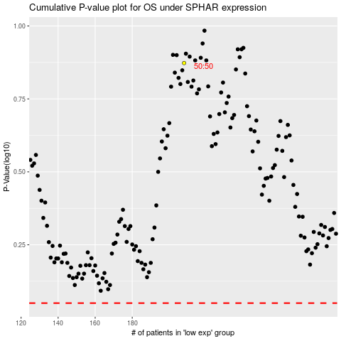

 |  |  |  |  |  | cases_OS | p_OS | rank | exp
 |  |  |  |  |  |  | cases_RFS | p_RFS | rank | exp

