SPI1 _multivariate
Reported by Tex Li-Hsing Chi. tex@gate.sinica.edu.tw 2019-08-15

Table 2. The clinicopathological features of HNSCC cohort and SPI1 expression. (Chi square test)
Cutoff at -0.295 (49.8%)
 |  | SPI1 expression |  | SPI1 expression |  | (Optimised)
 | Features | Low | (%) | High | (%) | Case no | P-value | Remark | Matthews
Gender | Female | 164 | 39.5 | 142 | 34.2 | 415 | 0.0153 | 1 | 0
2 | Male | 43 | 10.4 | 66 | 15.9
Age at diagnosis | <=65y | 145 | 34.9 | 129 | 31.1 | 415 | 0.1046 | 0 | 0
4 | >65y | 62 | 14.9 | 79 | 19
Clinical T Status | T1+T2 | 72 | 17.3 | 77 | 18.6 | 415 | 0.7095 | 0 | 0
6 | T3+T4 | 135 | 32.5 | 131 | 31.6
Clinical N Status | N0 | 118 | 28.4 | 98 | 23.6 | 415 | 0.0551 | 1 | 0
8 | N1-3 | 89 | 21.4 | 110 | 26.5
Clinical M Status | M0 | 206 | 49.6 | 206 | 49.6 | 415 | 1 | 0 | 0
10 | M1 | 1 | 0.2 | 2 | 0.5
Clinical Stage | Stage I+II | 49 | 11.8 | 53 | 12.8 | 415 | 0.7535 | 0 | 0
12 | Stage III+IV | 158 | 38.1 | 155 | 37.3
Surgical Margin status | Negative | 152 | 36.6 | 166 | 40 | 415 | 0.1329 | 0 | 0
14 | Positive | 55 | 13.3 | 42 | 10.1
Tobacco Exposure | Low | 68 | 16.4 | 93 | 22.4 | 415 | 0.0156 | 1 | 0
16 | High | 139 | 33.5 | 115 | 27.7

Table 3. Univariate/Multivariate Cox's proportional hazards regression analyses on OS time of SPI1 gene expression in HNSCC

 |  | Univariate |  |  |  | Multivariate
 | Features | HR | CI95%(L) | CI95%(H) | P-value | HR | CI95%(L) | CI95%(H) | P-value
1 | Female | 1 |  |  |  | 1
Gender | Male | 1.157 | 0.843 | 1.587 | 0.367 | 1.216 | 0.869 | 1.7 | 0.254
11 | <=65y | 1 |  |  |  | 1
Age at diagnosis | >65y | 1.329 | 0.99 | 1.784 | 0.058 | 1.399 | 1.03 | 1.902 | 0.032
12 | T1+T2 | 1 |  |  |  | 1
Clinical T Status | T3+T4 | 1.409 | 1.028 | 1.931 | 0.033 | 2.239 | 1.183 | 4.237 | 0.013
13 | N0 | 1 |  |  |  | 1
Clinical N Status | N1-3 | 1.185 | 0.89 | 1.577 | 0.246 | 1.275 | 0.891 | 1.826 | 0.184
14 | M0 | 1 |  |  |  | 1
Clinical M Status | M1 | 4.097 | 1.009 | 16.644 | 0.049 | 9.946 | 2.162 | 45.757 | 0.003
15 | Stage I+II | 1 |  |  |  | 1
Clinical Stage | Stage III+IV | 1.245 | 0.882 | 1.759 | 0.213 | 0.488 | 0.227 | 1.05 | 0.066
16 | Negative | 1 |  |  |  | 1
Surgical Margin status | Positive | 1.591 | 1.155 | 2.191 | 0.004 | 1.675 | 1.211 | 2.315 | 0.002
17 | Low | 1 |  |  |  | 1
Tobacco Exposure | High | 1.364 | 1.008 | 1.844 | 0.044 | 1.428 | 1.035 | 1.972 | 0.03
18 | Low | 1 |  |  |  | 1
RNAseq(z-score) | High | 0.892 | 0.67 | 1.189 | 0.436 | 0.855 | 0.637 | 1.147 | 0.297

Table 4. Univariate/Multivariate Cox's proportional hazards regression analyses on RFS time of SPI1 gene expression in HNSCC

 |  | Univariate |  |  |  | Multivariate
 | Features | HR | CI95%(L) | CI95%(H) | P-value | HR | CI95%(L) | CI95%(H) | P-value
1 | Female | 1 |  |  |  | 1
Gender | Male | 1.157 | 0.843 | 1.587 | 0.367 | 1.216 | 0.869 | 1.7 | 0.254
11 | <=65y | 1 |  |  |  | 1
Age at diagnosis | >65y | 1.329 | 0.99 | 1.784 | 0.058 | 1.399 | 1.03 | 1.902 | 0.032
12 | T1+T2 | 1 |  |  |  | 1
Clinical T Status | T3+T4 | 1.409 | 1.028 | 1.931 | 0.033 | 2.239 | 1.183 | 4.237 | 0.013
13 | N0 | 1 |  |  |  | 1
Clinical N Status | N1-3 | 1.185 | 0.89 | 1.577 | 0.246 | 1.275 | 0.891 | 1.826 | 0.184
14 | M0 | 1 |  |  |  | 1
Clinical M Status | M1 | 4.097 | 1.009 | 16.644 | 0.049 | 9.946 | 2.162 | 45.757 | 0.003
15 | Stage I+II | 1 |  |  |  | 1
Clinical Stage | Stage III+IV | 1.245 | 0.882 | 1.759 | 0.213 | 0.488 | 0.227 | 1.05 | 0.066
16 | Negative | 1 |  |  |  | 1
Surgical Margin status | Positive | 1.591 | 1.155 | 2.191 | 0.004 | 1.675 | 1.211 | 2.315 | 0.002
17 | Low | 1 |  |  |  | 1
Tobacco Exposure | High | 1.364 | 1.008 | 1.844 | 0.044 | 1.428 | 1.035 | 1.972 | 0.03
18 | Low | 1 |  |  |  | 1
RNAseq(z-score) | High | 0.892 | 0.67 | 1.189 | 0.436 | 0.855 | 0.637 | 1.147 | 0.297

Kaplan-Meier survival estimate: Cutoff at -0.295 (49.8%)



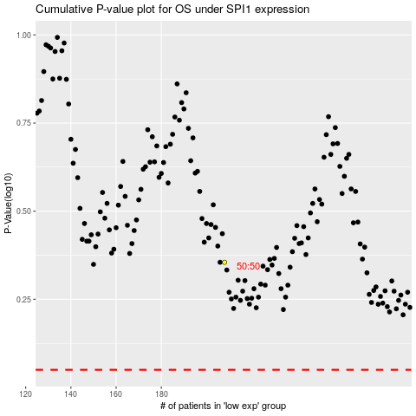

 |  |  |  |  |  | cases_OS | p_OS | rank | exp
 |  |  |  |  |  |  | cases_RFS | p_RFS | rank | exp

