SPIN3 _multivariate
Reported by Tex Li-Hsing Chi. tex@gate.sinica.edu.tw 2019-08-15

Table 2. The clinicopathological features of HNSCC cohort and SPIN3 expression. (Chi square test)
Cutoff at -0.316 (49.8%)
 |  | SPIN3 expression |  | SPIN3 expression |  | (Optimised)
 | Features | Low | (%) | High | (%) | Case no | P-value | Remark | Matthews
Gender | Female | 143 | 34.5 | 163 | 39.3 | 415 | 0.0416 | 1 | 0
2 | Male | 64 | 15.4 | 45 | 10.8
Age at diagnosis | <=65y | 127 | 30.6 | 147 | 35.4 | 415 | 0.0573 | 0 | 0
4 | >65y | 80 | 19.3 | 61 | 14.7
Clinical T Status | T1+T2 | 69 | 16.6 | 80 | 19.3 | 415 | 0.3239 | 0 | 0
6 | T3+T4 | 138 | 33.3 | 128 | 30.8
Clinical N Status | N0 | 99 | 23.9 | 117 | 28.2 | 415 | 0.1054 | 0 | 0
8 | N1-3 | 108 | 26 | 91 | 21.9
Clinical M Status | M0 | 204 | 49.2 | 208 | 50.1 | 415 | 0.1232 | 0 | 0
10 | M1 | 3 | 0.7 | 0 | 0
Clinical Stage | Stage I+II | 45 | 10.8 | 57 | 13.7 | 415 | 0.2202 | 0 | 0
12 | Stage III+IV | 162 | 39 | 151 | 36.4
Surgical Margin status | Negative | 159 | 38.3 | 159 | 38.3 | 415 | 1 | 0 | 0
14 | Positive | 48 | 11.6 | 49 | 11.8
Tobacco Exposure | Low | 84 | 20.2 | 77 | 18.6 | 415 | 0.4816 | 0 | 0
16 | High | 123 | 29.6 | 131 | 31.6

Table 3. Univariate/Multivariate Cox's proportional hazards regression analyses on OS time of SPIN3 gene expression in HNSCC

 |  | Univariate |  |  |  | Multivariate
 | Features | HR | CI95%(L) | CI95%(H) | P-value | HR | CI95%(L) | CI95%(H) | P-value
1 | Female | 1 |  |  |  | 1
Gender | Male | 1.157 | 0.843 | 1.587 | 0.367 | 1.199 | 0.857 | 1.678 | 0.289
11 | <=65y | 1 |  |  |  | 1
Age at diagnosis | >65y | 1.329 | 0.99 | 1.784 | 0.058 | 1.39 | 1.021 | 1.891 | 0.036
12 | T1+T2 | 1 |  |  |  | 1
Clinical T Status | T3+T4 | 1.409 | 1.028 | 1.931 | 0.033 | 2.2 | 1.163 | 4.16 | 0.015
13 | N0 | 1 |  |  |  | 1
Clinical N Status | N1-3 | 1.185 | 0.89 | 1.577 | 0.246 | 1.239 | 0.867 | 1.769 | 0.239
14 | M0 | 1 |  |  |  | 1
Clinical M Status | M1 | 4.097 | 1.009 | 16.644 | 0.049 | 9.312 | 2.013 | 43.081 | 0.004
15 | Stage I+II | 1 |  |  |  | 1
Clinical Stage | Stage III+IV | 1.245 | 0.882 | 1.759 | 0.213 | 0.506 | 0.235 | 1.086 | 0.08
16 | Negative | 1 |  |  |  | 1
Surgical Margin status | Positive | 1.591 | 1.155 | 2.191 | 0.004 | 1.671 | 1.209 | 2.309 | 0.002
17 | Low | 1 |  |  |  | 1
Tobacco Exposure | High | 1.364 | 1.008 | 1.844 | 0.044 | 1.454 | 1.055 | 2.003 | 0.022
18 | Low | 1 |  |  |  | 1
RNAseq(z-score) | High | 0.908 | 0.681 | 1.209 | 0.508 | 0.983 | 0.733 | 1.318 | 0.906

Table 4. Univariate/Multivariate Cox's proportional hazards regression analyses on RFS time of SPIN3 gene expression in HNSCC

 |  | Univariate |  |  |  | Multivariate
 | Features | HR | CI95%(L) | CI95%(H) | P-value | HR | CI95%(L) | CI95%(H) | P-value
1 | Female | 1 |  |  |  | 1
Gender | Male | 1.157 | 0.843 | 1.587 | 0.367 | 1.199 | 0.857 | 1.678 | 0.289
11 | <=65y | 1 |  |  |  | 1
Age at diagnosis | >65y | 1.329 | 0.99 | 1.784 | 0.058 | 1.39 | 1.021 | 1.891 | 0.036
12 | T1+T2 | 1 |  |  |  | 1
Clinical T Status | T3+T4 | 1.409 | 1.028 | 1.931 | 0.033 | 2.2 | 1.163 | 4.16 | 0.015
13 | N0 | 1 |  |  |  | 1
Clinical N Status | N1-3 | 1.185 | 0.89 | 1.577 | 0.246 | 1.239 | 0.867 | 1.769 | 0.239
14 | M0 | 1 |  |  |  | 1
Clinical M Status | M1 | 4.097 | 1.009 | 16.644 | 0.049 | 9.312 | 2.013 | 43.081 | 0.004
15 | Stage I+II | 1 |  |  |  | 1
Clinical Stage | Stage III+IV | 1.245 | 0.882 | 1.759 | 0.213 | 0.506 | 0.235 | 1.086 | 0.08
16 | Negative | 1 |  |  |  | 1
Surgical Margin status | Positive | 1.591 | 1.155 | 2.191 | 0.004 | 1.671 | 1.209 | 2.309 | 0.002
17 | Low | 1 |  |  |  | 1
Tobacco Exposure | High | 1.364 | 1.008 | 1.844 | 0.044 | 1.454 | 1.055 | 2.003 | 0.022
18 | Low | 1 |  |  |  | 1
RNAseq(z-score) | High | 0.908 | 0.681 | 1.209 | 0.508 | 0.983 | 0.733 | 1.318 | 0.906

Kaplan-Meier survival estimate: Cutoff at -0.316 (49.8%)



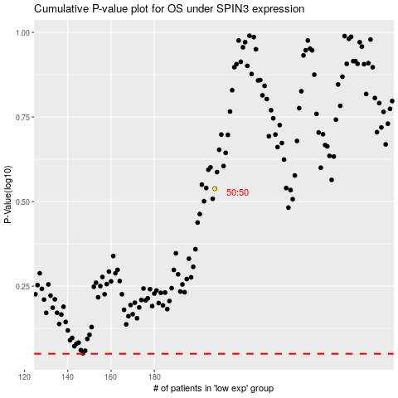

 |  |  |  |  |  | cases_OS | p_OS | rank | exp
 |  |  |  |  |  |  | cases_RFS | p_RFS | rank | exp

