SPINT2 _multivariate
Reported by Tex Li-Hsing Chi. tex@gate.sinica.edu.tw 2019-08-15

Table 2. The clinicopathological features of HNSCC cohort and SPINT2 expression. (Chi square test)
Cutoff at -0.137 (50.0%)
 |  | SPINT2 expression |  | SPINT2 expression |  | (Optimised)
 | Features | Low | (%) | High | (%) | Case no | P-value | Remark | Matthews
Gender | Female | 154 | 37.1 | 152 | 36.6 | 415 | 0.8463 | 0 | 0
2 | Male | 53 | 12.8 | 56 | 13.5
Age at diagnosis | <=65y | 133 | 32 | 141 | 34 | 415 | 0.5111 | 0 | 0
4 | >65y | 74 | 17.8 | 67 | 16.1
Clinical T Status | T1+T2 | 81 | 19.5 | 68 | 16.4 | 415 | 0.206 | 0 | 0
6 | T3+T4 | 126 | 30.4 | 140 | 33.7
Clinical N Status | N0 | 107 | 25.8 | 109 | 26.3 | 415 | 0.9624 | 0 | 0
8 | N1-3 | 100 | 24.1 | 99 | 23.9
Clinical M Status | M0 | 206 | 49.6 | 206 | 49.6 | 415 | 1 | 0 | 0
10 | M1 | 1 | 0.2 | 2 | 0.5
Clinical Stage | Stage I+II | 55 | 13.3 | 47 | 11.3 | 415 | 0.4087 | 0 | 0
12 | Stage III+IV | 152 | 36.6 | 161 | 38.8
Surgical Margin status | Negative | 164 | 39.5 | 154 | 37.1 | 415 | 0.2462 | 0 | 0
14 | Positive | 43 | 10.4 | 54 | 13
Tobacco Exposure | Low | 77 | 18.6 | 84 | 20.2 | 415 | 0.5459 | 0 | 0
16 | High | 130 | 31.3 | 124 | 29.9

Table 3. Univariate/Multivariate Cox's proportional hazards regression analyses on OS time of SPINT2 gene expression in HNSCC

 |  | Univariate |  |  |  | Multivariate
 | Features | HR | CI95%(L) | CI95%(H) | P-value | HR | CI95%(L) | CI95%(H) | P-value
1 | Female | 1 |  |  |  | 1
Gender | Male | 1.157 | 0.843 | 1.587 | 0.367 | 1.202 | 0.86 | 1.681 | 0.281
11 | <=65y | 1 |  |  |  | 1
Age at diagnosis | >65y | 1.329 | 0.99 | 1.784 | 0.058 | 1.39 | 1.021 | 1.894 | 0.037
12 | T1+T2 | 1 |  |  |  | 1
Clinical T Status | T3+T4 | 1.409 | 1.028 | 1.931 | 0.033 | 2.204 | 1.165 | 4.171 | 0.015
13 | N0 | 1 |  |  |  | 1
Clinical N Status | N1-3 | 1.185 | 0.89 | 1.577 | 0.246 | 1.241 | 0.87 | 1.77 | 0.234
14 | M0 | 1 |  |  |  | 1
Clinical M Status | M1 | 4.097 | 1.009 | 16.644 | 0.049 | 9.438 | 2.05 | 43.441 | 0.004
15 | Stage I+II | 1 |  |  |  | 1
Clinical Stage | Stage III+IV | 1.245 | 0.882 | 1.759 | 0.213 | 0.504 | 0.235 | 1.083 | 0.079
16 | Negative | 1 |  |  |  | 1
Surgical Margin status | Positive | 1.591 | 1.155 | 2.191 | 0.004 | 1.673 | 1.209 | 2.314 | 0.002
17 | Low | 1 |  |  |  | 1
Tobacco Exposure | High | 1.364 | 1.008 | 1.844 | 0.044 | 1.454 | 1.054 | 2.005 | 0.022
18 | Low | 1 |  |  |  | 1
RNAseq(z-score) | High | 1.067 | 0.801 | 1.422 | 0.656 | 0.991 | 0.739 | 1.33 | 0.954

Table 4. Univariate/Multivariate Cox's proportional hazards regression analyses on RFS time of SPINT2 gene expression in HNSCC

 |  | Univariate |  |  |  | Multivariate
 | Features | HR | CI95%(L) | CI95%(H) | P-value | HR | CI95%(L) | CI95%(H) | P-value
1 | Female | 1 |  |  |  | 1
Gender | Male | 1.157 | 0.843 | 1.587 | 0.367 | 1.202 | 0.86 | 1.681 | 0.281
11 | <=65y | 1 |  |  |  | 1
Age at diagnosis | >65y | 1.329 | 0.99 | 1.784 | 0.058 | 1.39 | 1.021 | 1.894 | 0.037
12 | T1+T2 | 1 |  |  |  | 1
Clinical T Status | T3+T4 | 1.409 | 1.028 | 1.931 | 0.033 | 2.204 | 1.165 | 4.171 | 0.015
13 | N0 | 1 |  |  |  | 1
Clinical N Status | N1-3 | 1.185 | 0.89 | 1.577 | 0.246 | 1.241 | 0.87 | 1.77 | 0.234
14 | M0 | 1 |  |  |  | 1
Clinical M Status | M1 | 4.097 | 1.009 | 16.644 | 0.049 | 9.438 | 2.05 | 43.441 | 0.004
15 | Stage I+II | 1 |  |  |  | 1
Clinical Stage | Stage III+IV | 1.245 | 0.882 | 1.759 | 0.213 | 0.504 | 0.235 | 1.083 | 0.079
16 | Negative | 1 |  |  |  | 1
Surgical Margin status | Positive | 1.591 | 1.155 | 2.191 | 0.004 | 1.673 | 1.209 | 2.314 | 0.002
17 | Low | 1 |  |  |  | 1
Tobacco Exposure | High | 1.364 | 1.008 | 1.844 | 0.044 | 1.454 | 1.054 | 2.005 | 0.022
18 | Low | 1 |  |  |  | 1
RNAseq(z-score) | High | 1.067 | 0.801 | 1.422 | 0.656 | 0.991 | 0.739 | 1.33 | 0.954

Kaplan-Meier survival estimate: Cutoff at -0.137 (50.0%)



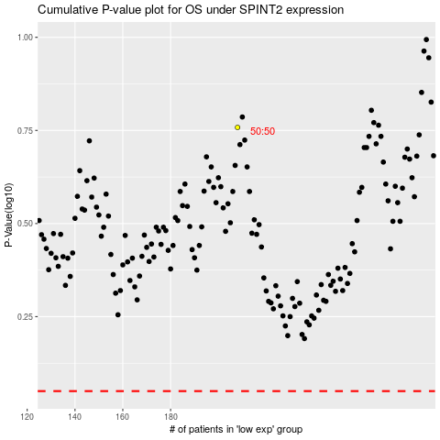

 |  |  |  |  |  | cases_OS | p_OS | rank | exp
 |  |  |  |  |  |  | cases_RFS | p_RFS | rank | exp

