SPIRE1 _multivariate
Reported by Tex Li-Hsing Chi. tex@gate.sinica.edu.tw 2019-08-15

Table 2. The clinicopathological features of HNSCC cohort and SPIRE1 expression. (Chi square test)
Cutoff at -0.139 (50.0%)
 |  | SPIRE1 expression |  | SPIRE1 expression |  | (Optimised)
 | Features | Low | (%) | High | (%) | Case no | P-value | Remark | Matthews
Gender | Female | 150 | 36.1 | 156 | 37.6 | 415 | 0.6344 | 0 | 0
2 | Male | 57 | 13.7 | 52 | 12.5
Age at diagnosis | <=65y | 126 | 30.4 | 148 | 35.7 | 415 | 0.035 | 1 | 0
4 | >65y | 81 | 19.5 | 60 | 14.5
Clinical T Status | T1+T2 | 85 | 20.5 | 64 | 15.4 | 415 | 0.0372 | 1 | 0
6 | T3+T4 | 122 | 29.4 | 144 | 34.7
Clinical N Status | N0 | 115 | 27.7 | 101 | 24.3 | 415 | 0.184 | 1 | 0
8 | N1-3 | 92 | 22.2 | 107 | 25.8
Clinical M Status | M0 | 206 | 49.6 | 206 | 49.6 | 415 | 1 | 0 | 0
10 | M1 | 1 | 0.2 | 2 | 0.5
Clinical Stage | Stage I+II | 59 | 14.2 | 43 | 10.4 | 415 | 0.0822 | 0 | 0
12 | Stage III+IV | 148 | 35.7 | 165 | 39.8
Surgical Margin status | Negative | 156 | 37.6 | 162 | 39 | 415 | 0.5636 | 0 | 0
14 | Positive | 51 | 12.3 | 46 | 11.1
Tobacco Exposure | Low | 87 | 21 | 74 | 17.8 | 415 | 0.1911 | 0 | 0
16 | High | 120 | 28.9 | 134 | 32.3

Table 3. Univariate/Multivariate Cox's proportional hazards regression analyses on OS time of SPIRE1 gene expression in HNSCC

 |  | Univariate |  |  |  | Multivariate
 | Features | HR | CI95%(L) | CI95%(H) | P-value | HR | CI95%(L) | CI95%(H) | P-value
1 | Female | 1 |  |  |  | 1
Gender | Male | 1.157 | 0.843 | 1.587 | 0.367 | 1.201 | 0.86 | 1.678 | 0.282
11 | <=65y | 1 |  |  |  | 1
Age at diagnosis | >65y | 1.329 | 0.99 | 1.784 | 0.058 | 1.391 | 1.023 | 1.891 | 0.035
12 | T1+T2 | 1 |  |  |  | 1
Clinical T Status | T3+T4 | 1.409 | 1.028 | 1.931 | 0.033 | 2.206 | 1.165 | 4.177 | 0.015
13 | N0 | 1 |  |  |  | 1
Clinical N Status | N1-3 | 1.185 | 0.89 | 1.577 | 0.246 | 1.241 | 0.87 | 1.771 | 0.233
14 | M0 | 1 |  |  |  | 1
Clinical M Status | M1 | 4.097 | 1.009 | 16.644 | 0.049 | 9.451 | 2.054 | 43.487 | 0.004
15 | Stage I+II | 1 |  |  |  | 1
Clinical Stage | Stage III+IV | 1.245 | 0.882 | 1.759 | 0.213 | 0.505 | 0.235 | 1.083 | 0.079
16 | Negative | 1 |  |  |  | 1
Surgical Margin status | Positive | 1.591 | 1.155 | 2.191 | 0.004 | 1.671 | 1.209 | 2.309 | 0.002
17 | Low | 1 |  |  |  | 1
Tobacco Exposure | High | 1.364 | 1.008 | 1.844 | 0.044 | 1.453 | 1.054 | 2.002 | 0.022
18 | Low | 1 |  |  |  | 1
RNAseq(z-score) | High | 1.013 | 0.759 | 1.351 | 0.931 | 0.987 | 0.737 | 1.322 | 0.931

Table 4. Univariate/Multivariate Cox's proportional hazards regression analyses on RFS time of SPIRE1 gene expression in HNSCC

 |  | Univariate |  |  |  | Multivariate
 | Features | HR | CI95%(L) | CI95%(H) | P-value | HR | CI95%(L) | CI95%(H) | P-value
1 | Female | 1 |  |  |  | 1
Gender | Male | 1.157 | 0.843 | 1.587 | 0.367 | 1.201 | 0.86 | 1.678 | 0.282
11 | <=65y | 1 |  |  |  | 1
Age at diagnosis | >65y | 1.329 | 0.99 | 1.784 | 0.058 | 1.391 | 1.023 | 1.891 | 0.035
12 | T1+T2 | 1 |  |  |  | 1
Clinical T Status | T3+T4 | 1.409 | 1.028 | 1.931 | 0.033 | 2.206 | 1.165 | 4.177 | 0.015
13 | N0 | 1 |  |  |  | 1
Clinical N Status | N1-3 | 1.185 | 0.89 | 1.577 | 0.246 | 1.241 | 0.87 | 1.771 | 0.233
14 | M0 | 1 |  |  |  | 1
Clinical M Status | M1 | 4.097 | 1.009 | 16.644 | 0.049 | 9.451 | 2.054 | 43.487 | 0.004
15 | Stage I+II | 1 |  |  |  | 1
Clinical Stage | Stage III+IV | 1.245 | 0.882 | 1.759 | 0.213 | 0.505 | 0.235 | 1.083 | 0.079
16 | Negative | 1 |  |  |  | 1
Surgical Margin status | Positive | 1.591 | 1.155 | 2.191 | 0.004 | 1.671 | 1.209 | 2.309 | 0.002
17 | Low | 1 |  |  |  | 1
Tobacco Exposure | High | 1.364 | 1.008 | 1.844 | 0.044 | 1.453 | 1.054 | 2.002 | 0.022
18 | Low | 1 |  |  |  | 1
RNAseq(z-score) | High | 1.013 | 0.759 | 1.351 | 0.931 | 0.987 | 0.737 | 1.322 | 0.931

Kaplan-Meier survival estimate: Cutoff at -0.139 (50.0%)



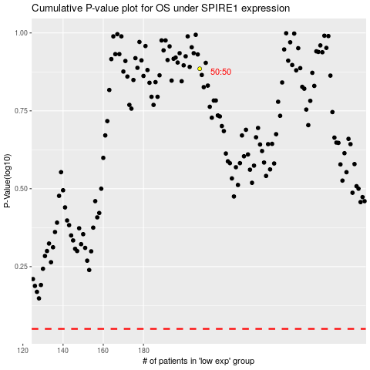

 |  |  |  |  |  | cases_OS | p_OS | rank | exp
 |  |  |  |  |  |  | cases_RFS | p_RFS | rank | exp

