SPNS1 _multivariate
Reported by Tex Li-Hsing Chi. tex@gate.sinica.edu.tw 2019-08-15

Table 2. The clinicopathological features of HNSCC cohort and SPNS1 expression. (Chi square test)
Cutoff at 0.382 (69.3%)
 |  | SPNS1 expression |  | SPNS1 expression |  | (Optimised)
 | Features | Low | (%) | High | (%) | Case no | P-value | Remark | Matthews
Gender | Female | 207 | 49.9 | 99 | 23.9 | 415 | 0.2398 | 0 | 0
2 | Male | 81 | 19.5 | 28 | 6.7
Age at diagnosis | <=65y | 188 | 45.3 | 86 | 20.7 | 415 | 0.7107 | 0 | 0
4 | >65y | 100 | 24.1 | 41 | 9.9
Clinical T Status | T1+T2 | 107 | 25.8 | 42 | 10.1 | 415 | 0.4916 | 0 | 0
6 | T3+T4 | 181 | 43.6 | 85 | 20.5
Clinical N Status | N0 | 149 | 35.9 | 67 | 16.1 | 415 | 0.9322 | 0 | 0
8 | N1-3 | 139 | 33.5 | 60 | 14.5
Clinical M Status | M0 | 286 | 68.9 | 126 | 30.4 | 415 | 1 | 0 | 0
10 | M1 | 2 | 0.5 | 1 | 0.2
Clinical Stage | Stage I+II | 72 | 17.3 | 30 | 7.2 | 415 | 0.8597 | 0 | 0
12 | Stage III+IV | 216 | 52 | 97 | 23.4
Surgical Margin status | Negative | 224 | 54 | 94 | 22.7 | 415 | 0.4504 | 0 | 0
14 | Positive | 64 | 15.4 | 33 | 8
Tobacco Exposure | Low | 111 | 26.7 | 50 | 12 | 415 | 0.9131 | 0 | 0
16 | High | 177 | 42.7 | 77 | 18.6

Table 3. Univariate/Multivariate Cox's proportional hazards regression analyses on OS time of SPNS1 gene expression in HNSCC

 |  | Univariate |  |  |  | Multivariate
 | Features | HR | CI95%(L) | CI95%(H) | P-value | HR | CI95%(L) | CI95%(H) | P-value
1 | Female | 1 |  |  |  | 1
Gender | Male | 1.157 | 0.843 | 1.587 | 0.367 | 1.235 | 0.881 | 1.73 | 0.22
11 | <=65y | 1 |  |  |  | 1
Age at diagnosis | >65y | 1.329 | 0.99 | 1.784 | 0.058 | 1.357 | 0.997 | 1.847 | 0.053
12 | T1+T2 | 1 |  |  |  | 1
Clinical T Status | T3+T4 | 1.409 | 1.028 | 1.931 | 0.033 | 2.122 | 1.12 | 4.02 | 0.021
13 | N0 | 1 |  |  |  | 1
Clinical N Status | N1-3 | 1.185 | 0.89 | 1.577 | 0.246 | 1.222 | 0.856 | 1.744 | 0.269
14 | M0 | 1 |  |  |  | 1
Clinical M Status | M1 | 4.097 | 1.009 | 16.644 | 0.049 | 8.953 | 1.949 | 41.119 | 0.005
15 | Stage I+II | 1 |  |  |  | 1
Clinical Stage | Stage III+IV | 1.245 | 0.882 | 1.759 | 0.213 | 0.514 | 0.24 | 1.104 | 0.088
16 | Negative | 1 |  |  |  | 1
Surgical Margin status | Positive | 1.591 | 1.155 | 2.191 | 0.004 | 1.656 | 1.198 | 2.289 | 0.002
17 | Low | 1 |  |  |  | 1
Tobacco Exposure | High | 1.364 | 1.008 | 1.844 | 0.044 | 1.465 | 1.063 | 2.02 | 0.02
18 | Low | 1 |  |  |  | 1
RNAseq(z-score) | High | 1.354 | 0.999 | 1.834 | 0.05 | 1.27 | 0.931 | 1.732 | 0.131

Table 4. Univariate/Multivariate Cox's proportional hazards regression analyses on RFS time of SPNS1 gene expression in HNSCC

 |  | Univariate |  |  |  | Multivariate
 | Features | HR | CI95%(L) | CI95%(H) | P-value | HR | CI95%(L) | CI95%(H) | P-value
1 | Female | 1 |  |  |  | 1
Gender | Male | 1.157 | 0.843 | 1.587 | 0.367 | 1.235 | 0.881 | 1.73 | 0.22
11 | <=65y | 1 |  |  |  | 1
Age at diagnosis | >65y | 1.329 | 0.99 | 1.784 | 0.058 | 1.357 | 0.997 | 1.847 | 0.053
12 | T1+T2 | 1 |  |  |  | 1
Clinical T Status | T3+T4 | 1.409 | 1.028 | 1.931 | 0.033 | 2.122 | 1.12 | 4.02 | 0.021
13 | N0 | 1 |  |  |  | 1
Clinical N Status | N1-3 | 1.185 | 0.89 | 1.577 | 0.246 | 1.222 | 0.856 | 1.744 | 0.269
14 | M0 | 1 |  |  |  | 1
Clinical M Status | M1 | 4.097 | 1.009 | 16.644 | 0.049 | 8.953 | 1.949 | 41.119 | 0.005
15 | Stage I+II | 1 |  |  |  | 1
Clinical Stage | Stage III+IV | 1.245 | 0.882 | 1.759 | 0.213 | 0.514 | 0.24 | 1.104 | 0.088
16 | Negative | 1 |  |  |  | 1
Surgical Margin status | Positive | 1.591 | 1.155 | 2.191 | 0.004 | 1.656 | 1.198 | 2.289 | 0.002
17 | Low | 1 |  |  |  | 1
Tobacco Exposure | High | 1.364 | 1.008 | 1.844 | 0.044 | 1.465 | 1.063 | 2.02 | 0.02
18 | Low | 1 |  |  |  | 1
RNAseq(z-score) | High | 1.354 | 0.999 | 1.834 | 0.05 | 1.27 | 0.931 | 1.732 | 0.131

Kaplan-Meier survival estimate: Cutoff at 0.382 (69.3%)

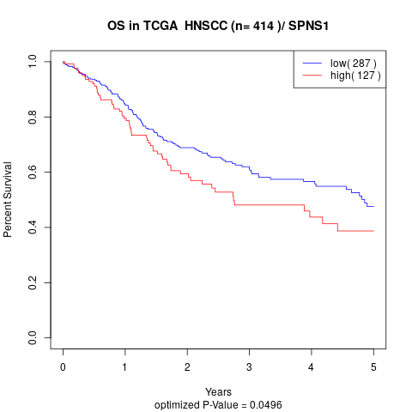

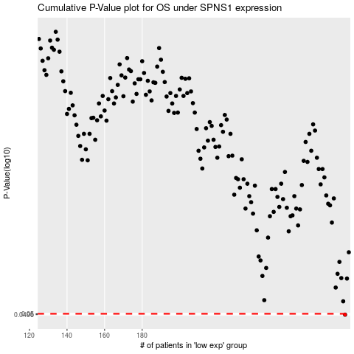

 |  |  |  |  |  | cases_OS | p_OS | rank | exp
 |  |  |  |  |  | 288 | 0.0496 | 261 | 0.38162387429
 |  |  |  |  |  |  | cases_RFS | p_RFS | rank | exp
 |  |  |  |  |  |  | 287 | 0.0496 | 8 | 0.38156978997

