SPOCD1 _multivariate
Reported by Tex Li-Hsing Chi. tex@gate.sinica.edu.tw 2019-08-15

Table 2. The clinicopathological features of HNSCC cohort and SPOCD1 expression. (Chi square test)
Cutoff at -0.207 (50.0%)
 |  | SPOCD1 expression |  | SPOCD1 expression |  | (Optimised)
 | Features | Low | (%) | High | (%) | Case no | P-value | Remark | Matthews
Gender | Female | 160 | 38.6 | 146 | 35.2 | 415 | 0.1254 | 0 | 0
2 | Male | 47 | 11.3 | 62 | 14.9
Age at diagnosis | <=65y | 142 | 34.2 | 132 | 31.8 | 415 | 0.3167 | 0 | 0
4 | >65y | 65 | 15.7 | 76 | 18.3
Clinical T Status | T1+T2 | 79 | 19 | 70 | 16.9 | 415 | 0.3924 | 0 | 0
6 | T3+T4 | 128 | 30.8 | 138 | 33.3
Clinical N Status | N0 | 103 | 24.8 | 113 | 27.2 | 415 | 0.4047 | 0 | 0
8 | N1-3 | 104 | 25.1 | 95 | 22.9
Clinical M Status | M0 | 205 | 49.4 | 207 | 49.9 | 415 | 0.6232 | 0 | 0
10 | M1 | 2 | 0.5 | 1 | 0.2
Clinical Stage | Stage I+II | 45 | 10.8 | 57 | 13.7 | 415 | 0.2202 | 0 | 0
12 | Stage III+IV | 162 | 39 | 151 | 36.4
Surgical Margin status | Negative | 162 | 39 | 156 | 37.6 | 415 | 0.4867 | 0 | 0
14 | Positive | 45 | 10.8 | 52 | 12.5
Tobacco Exposure | Low | 77 | 18.6 | 84 | 20.2 | 415 | 0.5459 | 0 | 0
16 | High | 130 | 31.3 | 124 | 29.9

Table 3. Univariate/Multivariate Cox's proportional hazards regression analyses on OS time of SPOCD1 gene expression in HNSCC

 |  | Univariate |  |  |  | Multivariate
 | Features | HR | CI95%(L) | CI95%(H) | P-value | HR | CI95%(L) | CI95%(H) | P-value
1 | Female | 1 |  |  |  | 1
Gender | Male | 1.157 | 0.843 | 1.587 | 0.367 | 1.207 | 0.862 | 1.69 | 0.274
11 | <=65y | 1 |  |  |  | 1
Age at diagnosis | >65y | 1.329 | 0.99 | 1.784 | 0.058 | 1.394 | 1.025 | 1.896 | 0.034
12 | T1+T2 | 1 |  |  |  | 1
Clinical T Status | T3+T4 | 1.409 | 1.028 | 1.931 | 0.033 | 2.223 | 1.168 | 4.229 | 0.015
13 | N0 | 1 |  |  |  | 1
Clinical N Status | N1-3 | 1.185 | 0.89 | 1.577 | 0.246 | 1.244 | 0.871 | 1.776 | 0.23
14 | M0 | 1 |  |  |  | 1
Clinical M Status | M1 | 4.097 | 1.009 | 16.644 | 0.049 | 9.463 | 2.062 | 43.426 | 0.004
15 | Stage I+II | 1 |  |  |  | 1
Clinical Stage | Stage III+IV | 1.245 | 0.882 | 1.759 | 0.213 | 0.497 | 0.229 | 1.081 | 0.078
16 | Negative | 1 |  |  |  | 1
Surgical Margin status | Positive | 1.591 | 1.155 | 2.191 | 0.004 | 1.674 | 1.211 | 2.314 | 0.002
17 | Low | 1 |  |  |  | 1
Tobacco Exposure | High | 1.364 | 1.008 | 1.844 | 0.044 | 1.456 | 1.056 | 2.008 | 0.022
18 | Low | 1 |  |  |  | 1
RNAseq(z-score) | High | 1.071 | 0.803 | 1.428 | 0.642 | 0.97 | 0.719 | 1.308 | 0.841

Table 4. Univariate/Multivariate Cox's proportional hazards regression analyses on RFS time of SPOCD1 gene expression in HNSCC

 |  | Univariate |  |  |  | Multivariate
 | Features | HR | CI95%(L) | CI95%(H) | P-value | HR | CI95%(L) | CI95%(H) | P-value
1 | Female | 1 |  |  |  | 1
Gender | Male | 1.157 | 0.843 | 1.587 | 0.367 | 1.207 | 0.862 | 1.69 | 0.274
11 | <=65y | 1 |  |  |  | 1
Age at diagnosis | >65y | 1.329 | 0.99 | 1.784 | 0.058 | 1.394 | 1.025 | 1.896 | 0.034
12 | T1+T2 | 1 |  |  |  | 1
Clinical T Status | T3+T4 | 1.409 | 1.028 | 1.931 | 0.033 | 2.223 | 1.168 | 4.229 | 0.015
13 | N0 | 1 |  |  |  | 1
Clinical N Status | N1-3 | 1.185 | 0.89 | 1.577 | 0.246 | 1.244 | 0.871 | 1.776 | 0.23
14 | M0 | 1 |  |  |  | 1
Clinical M Status | M1 | 4.097 | 1.009 | 16.644 | 0.049 | 9.463 | 2.062 | 43.426 | 0.004
15 | Stage I+II | 1 |  |  |  | 1
Clinical Stage | Stage III+IV | 1.245 | 0.882 | 1.759 | 0.213 | 0.497 | 0.229 | 1.081 | 0.078
16 | Negative | 1 |  |  |  | 1
Surgical Margin status | Positive | 1.591 | 1.155 | 2.191 | 0.004 | 1.674 | 1.211 | 2.314 | 0.002
17 | Low | 1 |  |  |  | 1
Tobacco Exposure | High | 1.364 | 1.008 | 1.844 | 0.044 | 1.456 | 1.056 | 2.008 | 0.022
18 | Low | 1 |  |  |  | 1
RNAseq(z-score) | High | 1.071 | 0.803 | 1.428 | 0.642 | 0.97 | 0.719 | 1.308 | 0.841

Kaplan-Meier survival estimate: Cutoff at -0.207 (50.0%)



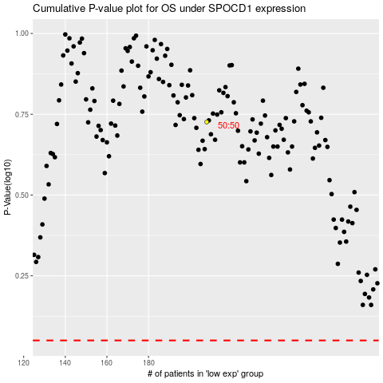

 |  |  |  |  |  | cases_OS | p_OS | rank | exp
 |  |  |  |  |  |  | cases_RFS | p_RFS | rank | exp

