SPON1 _multivariate
Reported by Tex Li-Hsing Chi. tex@gate.sinica.edu.tw 2019-08-15

Table 2. The clinicopathological features of HNSCC cohort and SPON1 expression. (Chi square test)
Cutoff at -0.431 (36.5%)
 |  | SPON1 expression |  | SPON1 expression |  | (Optimised)
 | Features | Low | (%) | High | (%) | Case no | P-value | Remark | Matthews
Gender | Female | 115 | 27.7 | 191 | 46 | 415 | 0.5748 | 0 | 0
2 | Male | 37 | 8.9 | 72 | 17.3
Age at diagnosis | <=65y | 97 | 23.4 | 177 | 42.7 | 415 | 0.5389 | 0 | 0
4 | >65y | 55 | 13.3 | 86 | 20.7
Clinical T Status | T1+T2 | 60 | 14.5 | 89 | 21.4 | 415 | 0.2954 | 0 | 0
6 | T3+T4 | 92 | 22.2 | 174 | 41.9
Clinical N Status | N0 | 79 | 19 | 137 | 33 | 415 | 1 | 0 | 0
8 | N1-3 | 73 | 17.6 | 126 | 30.4
Clinical M Status | M0 | 149 | 35.9 | 263 | 63.4 | 415 | 0.0485 | 1 | 0
10 | M1 | 3 | 0.7 | 0 | 0
Clinical Stage | Stage I+II | 39 | 9.4 | 63 | 15.2 | 415 | 0.7872 | 0 | 0
12 | Stage III+IV | 113 | 27.2 | 200 | 48.2
Surgical Margin status | Negative | 115 | 27.7 | 203 | 48.9 | 415 | 0.7198 | 0 | 0
14 | Positive | 37 | 8.9 | 60 | 14.5
Tobacco Exposure | Low | 69 | 16.6 | 92 | 22.2 | 415 | 0.0373 | 1 | 0
16 | High | 83 | 20 | 171 | 41.2

Table 3. Univariate/Multivariate Cox's proportional hazards regression analyses on OS time of SPON1 gene expression in HNSCC

 |  | Univariate |  |  |  | Multivariate
 | Features | HR | CI95%(L) | CI95%(H) | P-value | HR | CI95%(L) | CI95%(H) | P-value
1 | Female | 1 |  |  |  | 1
Gender | Male | 1.157 | 0.843 | 1.587 | 0.367 | 1.237 | 0.882 | 1.735 | 0.217
11 | <=65y | 1 |  |  |  | 1
Age at diagnosis | >65y | 1.329 | 0.99 | 1.784 | 0.058 | 1.356 | 0.997 | 1.844 | 0.052
12 | T1+T2 | 1 |  |  |  | 1
Clinical T Status | T3+T4 | 1.409 | 1.028 | 1.931 | 0.033 | 2.241 | 1.184 | 4.239 | 0.013
13 | N0 | 1 |  |  |  | 1
Clinical N Status | N1-3 | 1.185 | 0.89 | 1.577 | 0.246 | 1.215 | 0.851 | 1.734 | 0.285
14 | M0 | 1 |  |  |  | 1
Clinical M Status | M1 | 4.097 | 1.009 | 16.644 | 0.049 | 7.979 | 1.729 | 36.831 | 0.008
15 | Stage I+II | 1 |  |  |  | 1
Clinical Stage | Stage III+IV | 1.245 | 0.882 | 1.759 | 0.213 | 0.499 | 0.233 | 1.071 | 0.075
16 | Negative | 1 |  |  |  | 1
Surgical Margin status | Positive | 1.591 | 1.155 | 2.191 | 0.004 | 1.672 | 1.21 | 2.311 | 0.002
17 | Low | 1 |  |  |  | 1
Tobacco Exposure | High | 1.364 | 1.008 | 1.844 | 0.044 | 1.516 | 1.095 | 2.098 | 0.012
18 | Low | 1 |  |  |  | 1
RNAseq(z-score) | High | 0.741 | 0.553 | 0.994 | 0.046 | 0.727 | 0.538 | 0.983 | 0.038

Table 4. Univariate/Multivariate Cox's proportional hazards regression analyses on RFS time of SPON1 gene expression in HNSCC

 |  | Univariate |  |  |  | Multivariate
 | Features | HR | CI95%(L) | CI95%(H) | P-value | HR | CI95%(L) | CI95%(H) | P-value
1 | Female | 1 |  |  |  | 1
Gender | Male | 1.157 | 0.843 | 1.587 | 0.367 | 1.237 | 0.882 | 1.735 | 0.217
11 | <=65y | 1 |  |  |  | 1
Age at diagnosis | >65y | 1.329 | 0.99 | 1.784 | 0.058 | 1.356 | 0.997 | 1.844 | 0.052
12 | T1+T2 | 1 |  |  |  | 1
Clinical T Status | T3+T4 | 1.409 | 1.028 | 1.931 | 0.033 | 2.241 | 1.184 | 4.239 | 0.013
13 | N0 | 1 |  |  |  | 1
Clinical N Status | N1-3 | 1.185 | 0.89 | 1.577 | 0.246 | 1.215 | 0.851 | 1.734 | 0.285
14 | M0 | 1 |  |  |  | 1
Clinical M Status | M1 | 4.097 | 1.009 | 16.644 | 0.049 | 7.979 | 1.729 | 36.831 | 0.008
15 | Stage I+II | 1 |  |  |  | 1
Clinical Stage | Stage III+IV | 1.245 | 0.882 | 1.759 | 0.213 | 0.499 | 0.233 | 1.071 | 0.075
16 | Negative | 1 |  |  |  | 1
Surgical Margin status | Positive | 1.591 | 1.155 | 2.191 | 0.004 | 1.672 | 1.21 | 2.311 | 0.002
17 | Low | 1 |  |  |  | 1
Tobacco Exposure | High | 1.364 | 1.008 | 1.844 | 0.044 | 1.516 | 1.095 | 2.098 | 0.012
18 | Low | 1 |  |  |  | 1
RNAseq(z-score) | High | 0.741 | 0.553 | 0.994 | 0.046 | 0.727 | 0.538 | 0.983 | 0.038

Kaplan-Meier survival estimate: Cutoff at -0.431 (36.5%)



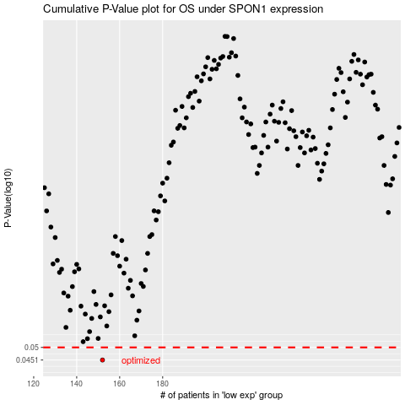

 |  |  |  |  |  | cases_OS | p_OS | rank | exp
 |  |  |  |  |  | 152 | 0.0451 | 183 | -0.43123530464
 |  |  |  |  |  |  | cases_RFS | p_RFS | rank | exp
 |  |  |  |  |  |  | 151 | 0.0451 | 370 | -0.43931371773

