SPON2 _multivariate
Reported by Tex Li-Hsing Chi. tex@gate.sinica.edu.tw 2019-08-15

Table 2. The clinicopathological features of HNSCC cohort and SPON2 expression. (Chi square test)
Cutoff at -0.213 (50.0%)
 |  | SPON2 expression |  | SPON2 expression |  | (Optimised)
 | Features | Low | (%) | High | (%) | Case no | P-value | Remark | Matthews
Gender | Female | 162 | 39 | 144 | 34.7 | 415 | 0.0479 | 1 | 0
2 | Male | 45 | 10.8 | 64 | 15.4
Age at diagnosis | <=65y | 134 | 32.3 | 140 | 33.7 | 415 | 0.6529 | 0 | 0
4 | >65y | 73 | 17.6 | 68 | 16.4
Clinical T Status | T1+T2 | 69 | 16.6 | 80 | 19.3 | 415 | 0.3239 | 0 | 0
6 | T3+T4 | 138 | 33.3 | 128 | 30.8
Clinical N Status | N0 | 107 | 25.8 | 109 | 26.3 | 415 | 0.9624 | 0 | 0
8 | N1-3 | 100 | 24.1 | 99 | 23.9
Clinical M Status | M0 | 205 | 49.4 | 207 | 49.9 | 415 | 0.6232 | 0 | 0
10 | M1 | 2 | 0.5 | 1 | 0.2
Clinical Stage | Stage I+II | 41 | 9.9 | 61 | 14.7 | 415 | 0.0325 | 1 | 0
12 | Stage III+IV | 166 | 40 | 147 | 35.4
Surgical Margin status | Negative | 157 | 37.8 | 161 | 38.8 | 415 | 0.729 | 0 | 0
14 | Positive | 50 | 12 | 47 | 11.3
Tobacco Exposure | Low | 74 | 17.8 | 87 | 21 | 415 | 0.227 | 0 | 0
16 | High | 133 | 32 | 121 | 29.2

Table 3. Univariate/Multivariate Cox's proportional hazards regression analyses on OS time of SPON2 gene expression in HNSCC

 |  | Univariate |  |  |  | Multivariate
 | Features | HR | CI95%(L) | CI95%(H) | P-value | HR | CI95%(L) | CI95%(H) | P-value
1 | Female | 1 |  |  |  | 1
Gender | Male | 1.157 | 0.843 | 1.587 | 0.367 | 1.215 | 0.868 | 1.701 | 0.257
11 | <=65y | 1 |  |  |  | 1
Age at diagnosis | >65y | 1.329 | 0.99 | 1.784 | 0.058 | 1.384 | 1.017 | 1.882 | 0.038
12 | T1+T2 | 1 |  |  |  | 1
Clinical T Status | T3+T4 | 1.409 | 1.028 | 1.931 | 0.033 | 2.244 | 1.182 | 4.26 | 0.013
13 | N0 | 1 |  |  |  | 1
Clinical N Status | N1-3 | 1.185 | 0.89 | 1.577 | 0.246 | 1.255 | 0.877 | 1.795 | 0.213
14 | M0 | 1 |  |  |  | 1
Clinical M Status | M1 | 4.097 | 1.009 | 16.644 | 0.049 | 9.511 | 2.073 | 43.633 | 0.004
15 | Stage I+II | 1 |  |  |  | 1
Clinical Stage | Stage III+IV | 1.245 | 0.882 | 1.759 | 0.213 | 0.487 | 0.224 | 1.057 | 0.069
16 | Negative | 1 |  |  |  | 1
Surgical Margin status | Positive | 1.591 | 1.155 | 2.191 | 0.004 | 1.677 | 1.214 | 2.319 | 0.002
17 | Low | 1 |  |  |  | 1
Tobacco Exposure | High | 1.364 | 1.008 | 1.844 | 0.044 | 1.459 | 1.058 | 2.011 | 0.021
18 | Low | 1 |  |  |  | 1
RNAseq(z-score) | High | 0.958 | 0.719 | 1.276 | 0.771 | 0.922 | 0.687 | 1.239 | 0.591

Table 4. Univariate/Multivariate Cox's proportional hazards regression analyses on RFS time of SPON2 gene expression in HNSCC

 |  | Univariate |  |  |  | Multivariate
 | Features | HR | CI95%(L) | CI95%(H) | P-value | HR | CI95%(L) | CI95%(H) | P-value
1 | Female | 1 |  |  |  | 1
Gender | Male | 1.157 | 0.843 | 1.587 | 0.367 | 1.215 | 0.868 | 1.701 | 0.257
11 | <=65y | 1 |  |  |  | 1
Age at diagnosis | >65y | 1.329 | 0.99 | 1.784 | 0.058 | 1.384 | 1.017 | 1.882 | 0.038
12 | T1+T2 | 1 |  |  |  | 1
Clinical T Status | T3+T4 | 1.409 | 1.028 | 1.931 | 0.033 | 2.244 | 1.182 | 4.26 | 0.013
13 | N0 | 1 |  |  |  | 1
Clinical N Status | N1-3 | 1.185 | 0.89 | 1.577 | 0.246 | 1.255 | 0.877 | 1.795 | 0.213
14 | M0 | 1 |  |  |  | 1
Clinical M Status | M1 | 4.097 | 1.009 | 16.644 | 0.049 | 9.511 | 2.073 | 43.633 | 0.004
15 | Stage I+II | 1 |  |  |  | 1
Clinical Stage | Stage III+IV | 1.245 | 0.882 | 1.759 | 0.213 | 0.487 | 0.224 | 1.057 | 0.069
16 | Negative | 1 |  |  |  | 1
Surgical Margin status | Positive | 1.591 | 1.155 | 2.191 | 0.004 | 1.677 | 1.214 | 2.319 | 0.002
17 | Low | 1 |  |  |  | 1
Tobacco Exposure | High | 1.364 | 1.008 | 1.844 | 0.044 | 1.459 | 1.058 | 2.011 | 0.021
18 | Low | 1 |  |  |  | 1
RNAseq(z-score) | High | 0.958 | 0.719 | 1.276 | 0.771 | 0.922 | 0.687 | 1.239 | 0.591

Kaplan-Meier survival estimate: Cutoff at -0.213 (50.0%)



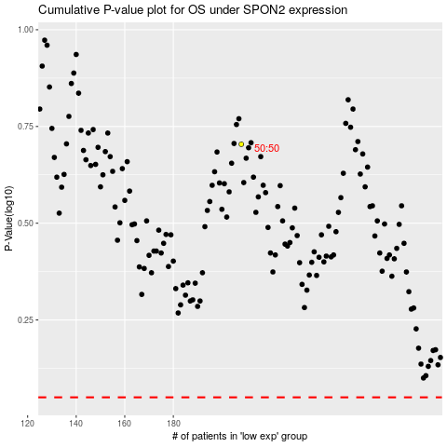

 |  |  |  |  |  | cases_OS | p_OS | rank | exp
 |  |  |  |  |  |  | cases_RFS | p_RFS | rank | exp

